FE4P25-35Q（中英文）
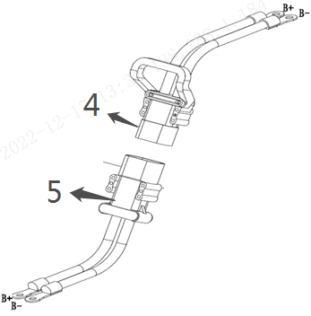
 |  |  |  |  |  |  | 自制件净重

256898501001驱动系统/DRIVE SYSTEM
 | 序号/NO | 编码/SN | 名称 | Name | 数量/QTY | 备注/Remark
 | 1 | 256813511001 | 驱动桥(KD) | Drive axle(KD) | 1 | 30-35Q
 | 1 | 256713511001 | 驱动桥(KD) | Drive axle(KD) | 1 | 25-28Q
 | 2 | 256814020001 | 密封垫 | Seal washer | 1
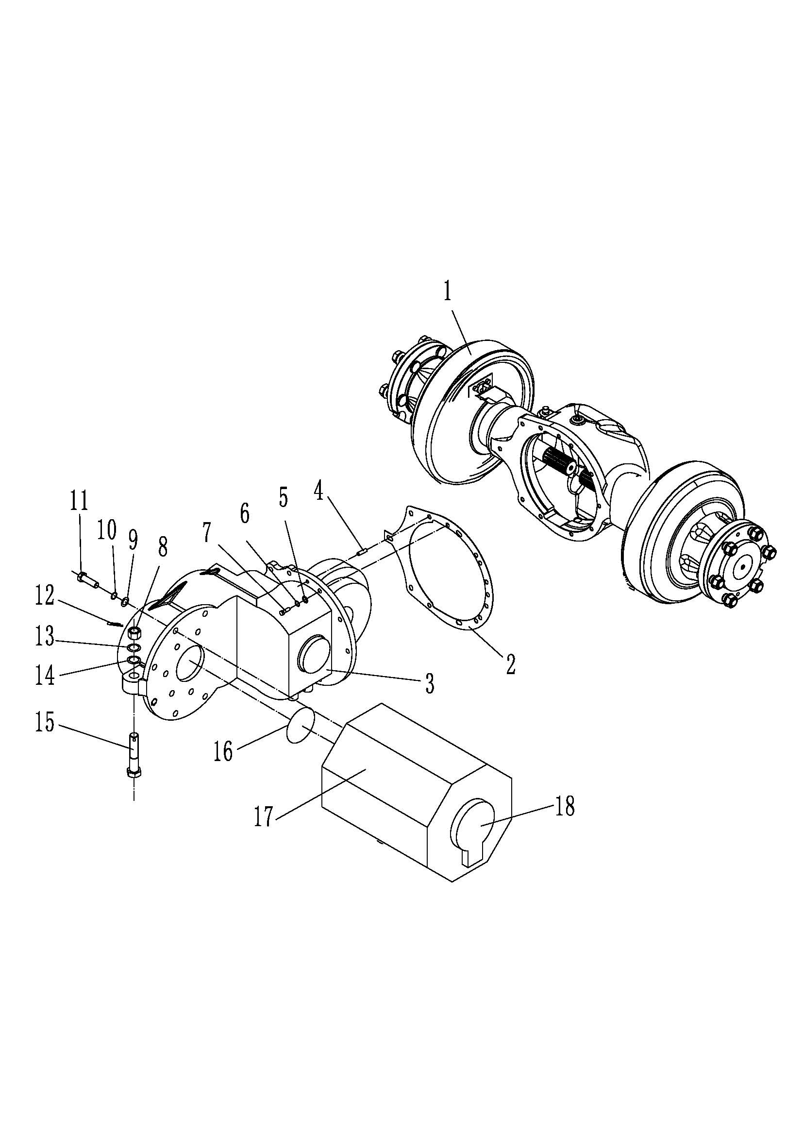
 | 3 | 256814011001 | 变速箱(ZN) | Gear box (ZN) | 1 | 选装/Optional
 | 4 | 256814011002 | 变速箱(ZC) | Gear box (ZC) | 1 | 选装/Optional
 | 4 | 910600100029 | 圆柱销GB119.2-10x24 | Dowel pin GB119.2-10x24 | 1
 | 5 | 910400100008 | 平垫圈GB97.1-12-200HV | Washer GB97.1-12-200HV | 12
 | 6 | 910400500008 | 弹簧垫圈GB93-12 | Washer GB93-12 | 12
 | 7 | 941100200006 | 螺栓M12x1.5x45-12.9 | Bolt GB5786-M12x1.5x45-8.8 | 12
 | 8 | 910300900002 | 螺母GB6178-M20-8 | Nut GB6178-M20-8 | 1
 | 9 | 910400100009 | 平垫圈GB97.1-14-200HV | Washer GB97.1-14-200HV | 5
 | 10 | 910400500009 | 弹簧垫圈GB93-14 | Washer GB93-14 | 5
 | 11 | 910100200019 | 螺栓GB5785-M14x1.5x160-8.8 | Bolt GB5785-M14x1.5x160-8.8 | 5
 | 12 | 910600600037 | 开口销GB91-4x40 | Split pin GB91-4x40 | 1
 | 13 | 910400500012 | 弹簧垫圈GB93-20 | Washer GB93-20 | 9
 | 14 | 910400100012 | 平垫圈GB97.1-20-200HV | Washer GB97.1-20-200HV | 1
 | 15 | 910100500006 | 螺栓GB31.1-M20x90-8.8 | BoltGB31.1-M20x90-8.8 | 1
 | 16 | 910800100020 | O形圈-内90x2.65 | O ring 90x2.65 | 1
 | 17 | 920900100120 | 电机(WN) | Motor (WN) | 1 | 30-35Q/选装
 |  | 920900100124 | 电机(交流)HPQ11 | Motor (HP) | 1 | 25-35Q/Optional
 |  | 920900100133 | 电机(交流)B8432199GK | Motor (ZP) | 1 | 25-28Q/选装
 | 18 | 255098513251 | 传感器 (HP） | Sensor(HP) | 1 | 25-35Q/Optional
 |  | 256798513251 | 传感器 (HP） | Sensor(ZP) | 1 | 25-28Q/选装
 |  | 252198513251 | 传感器 (插入式WN） | Sensor(WN) | 1 | 30-35Q/选装

 |  |  |  |  |  | €1.00

256898501002驱动桥/DRIVE AXLE(30-35Q)
 | 序号/NO | 编码/SN | 名称 | Name | 数量/QTY | 备注/Remark
 | 1 | 256898523501 | 驱动桥壳H-2301101-00 | Driving axle housing | 1 | 30-35Q
 | 2 | 256898523502 | 制动鼓H-3103103-00 | Drum brake | 2 | 30-35Q
 | 3 | 256898523503 | 轮毂H-3103101-00 | Hub | 2 | 30-35Q
 | 4 | 256898523504 | 大油封座圈H-3103102-00 | Large oil seal ring | 2 | 30-35Q
 | 5 | 256898523505 | 油封100X130X12 | Seal ring100x130x12 | 2 | 30-35Q
 | 6 | 256898523506 | 圆锥滚子轴承30214 | Bearing30214 | 2 | 30-35Q
 | 7 | 910700600020 | 圆锥滚子轴承32012 | Bearing32012 | 2 | 30-35Q
 | 8 | 254198523557 | O型圈65X3.1 | O-ring 65X3.1 | 2 | 30-35Q
 | 9 | 256898523507 | 小油封座圈H-3103109-00 | Small oil seal ring | 2 | 30-35Q
 | 10 | 254198523555 | 油封75X100X10 | Seal ring 75x100x2 | 2 | 30-35Q
 | 11 | 910300700005 | 圆螺母M60X2 | Round nut M60X2 | 4 | 30-35Q
 | 12 | 910400900013 | 止动垫圈60 | Lock washer60 | 2 | 30-35Q
 | 13 | 256898523508 | 半轴垫H-2303106-00 | Half shaft pad | 2 | 30-35Q
 | 14 | 256898523509 | 半轴H-2303101-00 | Half shaft | 2 | 30-35Q
 | 15 | 256898523510 | 半轴螺栓H-2303107-00 | Half shaft bolt | 24 | 30-35Q
 | 16 | 256898523511 | 轮毂螺栓H-3103106-00 | Hub bolt | 12 | 30-35Q
 | 17 | 256898523512 | 轮毂螺母H-3103110-00 | Hub nut | 12 | 30-35Q
 | 18 | 910300200005 | 六角螺母M20X1.5 | Nut M20X1.5 | 12 | 30-35Q
 | 19 | 256898523513 | 左制动器H-3501100-00 | Left brake | 1 | 30-35Q
 | 20 | 256898523514 | 右制动器H-3501200-00 | Right brake | 1 | 30-35Q
 | 20 | 256898523515 | 堵塞ZG1/2 H-1701104-00 | Pug ZG1/2 | 3 | 30-35Q
 | 21 | 256898523516 | 透气塞H-2301301-00 | Vent plug | 1 | 30-35Q
 | 22 | 256898523517 | 圆柱销 | Pin | 1 | 30-35Q
 | 23 | 256898523518 | 制动器定位螺栓H-3501301-00 | Brake positioning bolt | 4 | 30-35Q
 | 24 | 256898523519 | 制动器紧固螺栓H-3501302-00 | Brake bolt | 12 | 30-35Q

 |  |  |  |  |  | €2.00

256898523513制动器/LEFT BRAKE(30-35Q)
 | 序号/NO | 编码/SN | 名称 | Name | 数量/QTY | 备注/Remark
 | 1 | 256898523530 | 胶堵24433-70040G
 | 2 | 256898523531 | 压簧拉杆24433-70010G
 | 3 | 256898523532 | 螺栓M8×1.25×20GB/T5783-2000
 | 4 | 910400500005 | 弹簧垫圈GB93-6
 | 5 | 256898523533 | 制动器底板总成(左）24433-72000G |  |  | 左右对称
 | 5 | 256898523534 | 制动器底板总成(右）
 | 6 | 256898523535 | 手制动拉杆（左）24433-70140G |  |  | 左右对称
 | 6 | 256898523536 | 手制动拉杆（右）
 | 7 | 256898523537 | 销钉2 24433-70150G
 | 8 | 256898523538 | 销钉1 24433-70110G
 | 9 | 256898523539 | 制动蹄带摩擦片总（左）24433-71000G |  |  | 左右对称
 | 9 | 256898523540 | 制动蹄带摩擦片总（右）
 | 10 | 256898523541 | 弹性垫片24433-70160G
 | 11 | 256898523542 | 杆销挡圈24433-70170G
 | 12 | 256898523543 | 弹簧拉线装置24433-73000G
 | A | 256898523544 | 制动分泵总成 |  |  | 包含13-22
 | 13 | ▲ | 分泵放气螺钉帽24433-76100G
 | 14 | ▲ | 螺纹防护塞24433-76080G
 | 15 | ▲ | 分泵放气螺钉24433-76090G
 | 16 | ▲ | 制动分泵油塞24433-76070G
 | 17 | ▲ | 分泵弹簧24433-76040G
 | 18 | ▲ | 制动分泵缸24433-76010G
 | 19 | ▲ | 分泵皮碗24433-76030G
 | 20 | ▲ | 分泵活塞24433-76020G
 | 21 | ▲ | 分泵护罩24433-76050G
 | 22 | ▲ | 分泵活塞顶杆24433-76060G
 | 23 | 256898523545 | 压簧座24433-70020G
 | 24 | 256898523546 | 压簧24433-70030G
 | 25 | 256898523547 | 销钉4 24433-70801
 | 26 | 256898523548 | 拉簧24433-70050G
 | 27 | 256898523549 | 导向块24433-70080G
 | 28 | 256898523550 | 扭簧（左）24433-70090G |  |  | 左右对称
 | 28 | 256898523551 | 扭簧（右）
 |  |  |  |  |  | €2.00

256898523513制动器/LEFT BRAKE(30-35Q)
 | 序号/NO | 编码/SN | 名称 | Name | 数量/QTY | 备注/Remark
 | 29 | 256898523552 | 导向板24433-70060G
 | 30 | 256898523553 | 回位弹簧（Ⅱ）24433-70070G
 | 31 | 256898523554 | 棘爪（左）24433-70100G |  |  | 左右对称
 | 31 | 256898523555 | 棘爪（右）
 | 32 | 256898523556 | 回位弹簧(Ⅰ)24433-70010G
 | 33 | 256898523557 | 推杆（左）24433-70120G |  |  | 左右对称
 | 33 | 256898523558 | 推杆（右）
 | 34 | 256898523559 | 推簧24433-70130G
 | 35 | 256898523560 | 间隙调整杆24433-74040G
 | 36 | 256898523561 | 间隙调整螺丝（左）24433-74020G |  |  | 左右对称
 | 36 | 256898523562 | 间隙调整螺丝（右）
 | 37 | 256898523563 | 间隙调整套24433-74010G
 | 38 | 256898523564 | 制动钢索总成24433-77010G |  |  | L=1270
 | 38 | 256898523565 | 制动钢索总成（右） |  |  | R=1790

 |  |  |  |  |  | €2.00

256798501003驱动桥/DRIVE AXLE(25-28Q)
 | 序号/NO | 编码/SN | 名称 | Name | 数量/QTY | 备注/Remark
 | 1 | 256798523501 | 左制动器G-3501100-00 | Left brake | 1 | 25-28Q
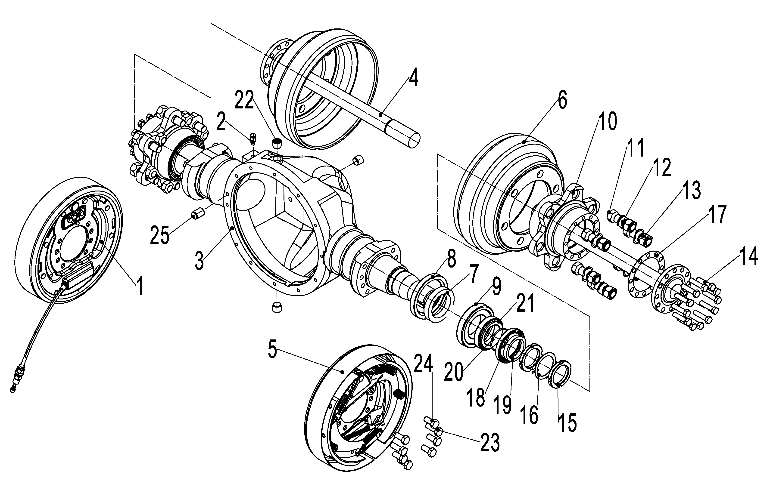
 | 2 | 256898523516 | 透气塞H-2301301-00 | Vent plug | 1 | 25-28Q
 | 3 | 256798523502 | 驱动桥壳G-2301101-04 | Driving axle housing | 1 | 25-28Q
 | 4 | 256798523503 | 半轴G-2303101-04 | Half shaft | 2 | 25-28Q
 | 5 | 256798523504 | 右制动器G-3501200-00 | Right brake | 1 | 25-28Q
 | 6 | 256798523505 | 制动鼓G-3103103-00 | Drum brake | 2 | 25-28Q
 | 7 | 256898523504 | 大油封座圈H-3103102-00 | Large oil seal ring | 2 | 25-28Q
 | 8 | 256898523505 | 油封100X130X12 | Seal ring100x130x12 | 2 | 25-28Q
 | 9 | 256898523506 | 圆锥滚子轴承30214 | Bearing30214 | 2 | 25-28Q
 | 10 | 256798523506 | 轮毂G-3103101-04 | Hub | 2 | 25-28Q
 | 11 | 910300200005 | 六角螺母M20X1.5 | Nut M20X1.5 | 12 | 25-28Q
 | 12 | 256798523507 | 轮毂螺栓G-3103106-00 | Hub bolt | 12 | 25-28Q
 | 13 | 256798523508 | 轮毂螺母G-3103110-04 | Hub nut | 12 | 25-28Q
 | 14 | 256898523510 | 半轴螺栓H-2303107-00 | Half shaft bolt | 24 | 25-28Q
 | 15 | 910300700005 | 圆螺母M60X2 | Round nut M60X2 | 4 | 25-28Q
 | 16 | 910400900013 | 止动垫圈60 | Lock washer60 | 2 | 25-28Q
 | 17 | 256798523509 | 半轴垫G-2303106-00 | Half shaft pad | 2 | 25-28Q
 | 18 | 254198523555 | 油封75X100X10 | Seal ring 75x100x2 | 2 | 25-28Q
 | 19 | 256898523507 | 小油封座圈H-3103109-00 | Small oil seal ring | 2 | 25-28Q
 | 20 | 254198523557 | O型圈65X3.1 | O-ring 65X3.1 | 2 | 25-28Q
 | 21 | 910700600020 | 圆锥滚子轴承32012 | Bearing32012 | 2 | 25-28Q
 | 22 | 256898523515 | 堵塞ZG1/2 H-1701104-00 | Pug ZG1/2 | 3 | 25-28Q
 | 23 | 256898523518 | 制动器定位螺栓H-3501301-00 | Brake positioning bolt | 4 | 25-28Q
 | 24 | 256898523519 | 制动器紧固螺栓H-3501302-00 | Brake bolt | 12 | 25-28Q
 | 25 | 256898523517 | 圆柱销 | Pin | 1 | 25-28Q
 | 26 | 256798523509 | 主减密封垫H-23022101 | Main reduction gasket | 1 | 25-28Q

 |  |  |  |  |  | €3.00

256798523501制动器（左）/LEFT BRAKE(25-28Q)
 | 序号/NO | 编码/SN | 名称 | Name | 数量/QTY | 备注/Remark
 | 1 | 256798523530 | 制动器底板总成23653-73011 |  | 1 | 左右对称
 | 1 | 256798523531 | 制动器底板总成（右） |  | 1
 | 2 | 256798523532 | 压簧拉杆23653-72101 |  | 4
 | 3 | 910400500018 | 弹簧垫圈GB93-6 |  | 2
 | 4 | 910100300020 | 螺栓GB5782-M8x16 |  | 2
 | 5 | 256798523533 | 制动分泵总成22373-72041 |  | 1
 | 6 | 256798523534 | 制动器钢索总成OC11246-14603 |  | 1 | 左右对称
 | 6 | 256798523535 | 制动器钢索总成右OC11246-24603 |  | 1
 | 7 | 256798523536 | 间隙调整器23653-72041 |  | 1
 | 8 | 256798523537 | 弹簧23653-72051 |  | 1
 | 9 | 256798523538 | 摩擦片总成23653-73021 |  | 2 | 左右对称
 | 9 | 256798523539 | 摩擦片总成（右） |  | 1
 | 10 | 256798523540 | 手制动拉杆23653-72071C |  | 1 | 左右对称
 | 10 | 256798523541 | 手制动拉杆（右） |  | 1
 | 11 | 256798523542 | 支撑销22673-72231 |  | 1
 | 12 | 256798523543 | 弹性垫片24433-70160G |  | 1
 | 13 | 256798523544 | 垫片23653-72131 |  | 1
 | 14 | 256798523545 | 顶杆23653-72161 |  | 1
 | 15 | 256798523546 | 压簧座23653-72121 |  | 4
 | 16 | 256798523547 | 弹簧23653-72091 |  | 4
 | 17 | 256798523548 | 压簧盖23653-72111 |  | 4
 | 18 | 256798523549 | 回位弹簧23673-72261 |  | 1
 | 19 | 256798523550 | 拉簧2353-72171 |  | 1
 | 20 | 256798523551 | 手制动推杆23653-72081 |  | 1 | 左右对称
 | 20 | 256798523552 | 手制动推杆（右） |  | 1
 | 21 | 256798523553 | 压缩弹簧23673-72391 |  | 1

 |  |  |  |  |  | €3.00

256898501004变速箱(ZN)/GEARBOX(ZN)
 | 序号/NO | 编码/SN | 名称 | Name | 数量/QTY | 备注/Remark
 | 1 | 256898514001 | 差速器总成HDCS35ⅢA.901 | Differential assembly HDCS35ⅢA.901 | 1
 | 2 | 256898524001 | 螺栓YDS30.089 | Bolt YDS30.089 | 4
 | 3 | 256898524002 | 重型弹簧垫圈GB/T7244-14 | Heavy-duty spring washer | 4
 | 4 | 256898524003 | 轴承座YDS30.072 | bearing pedestal YDS30.072 | 2
 | 5 | 255098524023 | 圆锥滚子轴承32207 | Bearing 32207 | 2
 | 6 | 256898524004 | 调整垫YDS30.090 | Adjustable pad YDS30.090 | 3/4
 | 7 | 256898524005 | O形圈73×3.1 GB1235 | O-ring 73×3.1 GB1235 | 1
 | 8 | 910100300036 | 六角头螺栓GB5783-M10×25 | Bolt GB5783-M10×25 | 5
 | 9 | 910400500007 | 标准型弹簧垫圈GB93-10 | Spring Washer GB93-10 | 19
 | 10 | 256898524006 | 轴承盖YDS30.168 | Bearing cap YDS30.168 | 1
 | 11 | 256898524007 | 箱体HDCS35ⅢA.001 | Box HDCS35ⅢA.001 | 1
 | 12 | 910700200021 | 深沟球轴承GB/T276-6206 | Bearing GB/T276-6206 | 1
 | 13 | 255098526008 | 圆柱销GB/T119.1-10×20 | Pin GB/T119.1-10×20 | 2
 | 14 | 910700200023 | 深沟球轴承GB/T276-6208 | Bearing GB/T276-6208 | 1
 | 15 | 256898524008 | 圆柱滚子轴承GB/T283-NJ2206E | Bearing GB/T283-NJ2206E | 1
 | 16 | 256898524009 | 输入轴HDCS35ⅢA.003 | Input axis HDCS35ⅢA.003 | 1
 | 17 | 910700200024 | 深沟球轴承GB/T276-6209 | Bearing GB/T276-6209 | 1
 | 18 | 256898524010 | 双联齿轮组件HDCS35ⅢA.803 | Double gear assembly HDCS35ⅢA.803 | 1
 | 19 | 910700200033 | 深沟球轴承6307 GB/T 276 | Bearing 6307 GB/T 276 | 1
 | 20 | 256898524011 | 箱体箱盖结合面纸垫HDCS35ⅢA.010 | Paper pad HDCS35ⅢA.010 | 1
 | 21 | 256898524012 | 箱盖HDCS35ⅢA.002 | Case cover HDCS35ⅢA.002 | 1
 | 22 | 910100100040 | 六角头螺栓GB5782-M10×90 | Bolt GB5782-M10×90 | 10
 | 23 | 910100300034 | 六角头螺栓GB5783-M10×16 | Bolt GB5783-M10×16 | 2
 | 24 | 256898524013 | 挡块HDCS25.008 | Link stopper HDCS25.008 | 1
 | 25 | 910100300038 | 六角头螺栓GB5783-M10×35 | Bolt GB5783-M10×35 | 2
 | 26 | 910800100006 | O形圈35×3.1 GB1235 | O-ring 35×3.1 GB1235 | 2
 | 27 | 256898524014 | 中间轴HDCS35ⅢA.009 | Intermediate shaft HDCS35ⅢA.009 | 1
 | 28 | 255098524010 | O形圈25×2.65 GB/T3452.1 | O-ring 25×2.65 GB/T3452.1 | 2
 | 29 | 256898524015 | 齿轴组件HDCS35ⅢA.804 | Gear shaft components HDCS35ⅢA.804 | 1

 |  |  |  |  |  | €4.00

256898501005差速器(ZN)/DIFFERENTIAL MECHANISM(ZN)
 | 序号/NO | 编码/SN | 名称 | Name | 数量/QTY | 备注/Remark
 | 1 | 256898524016 | 深沟球轴承6213 GB/T 276 | Bearing 6213 GB/T 276 | 2
 | 2 | 256898524017 | 螺栓HDCS35ⅢA.012 | Bolt HDCS35ⅢA.012 | 16
 | 3 | 256898524018 | 右差速器壳HDCS35ⅢA.011 | Right differential housing HDCS35ⅢA.011 | 1
 | 4 | 256898524019 | 垫圈YDS30.079S | Washer YDS30.079S | 2/3×2
 | 5 | 256898524020 | 半轴齿轮YDS30.085 | axle shaft gear YDS30.085 | 2
 | 6 | 256898524021 | 止推垫圈YDS30.084 | Thrust washer YDS30.084 | 4
 | 7 | 256898524022 | 行星齿轮YDS30.083 | Planetary gear YDS30.083 | 4
 | 8 | 256898524023 | 十字轴14453-52101A | Universal joint pin 14453-52101A | 1
 | 9 | 256898524024 | 锁片HDCS35ⅢA.014 | Locking plate HDCS35ⅢA.014 | 8
 | 10 | 910300200003 | 六角螺母GB/T6171-M12×1.25 | Nut GB/T6171-M12×1.25 | 16
 | 11 | 256898524025 | 左差速器壳HDCS35ⅢA.013 | Left differential housing HDCS35ⅢA.013 | 1
 | 12 | 256898524026 | 齿圈HDCS35ⅢA.008 | Gear ring HDCS35ⅢA.008 | 1

 |  |  |  |  |  | €5.00

256898501006变速箱(ZC)/GEARBOX(ZC)
 | 序号/NO | 编码/SN | 名称 | Name | 数量/QTY | 备注/Remark
 | 1 | 910100300036 | 螺栓M10×25 | Bolt M10×25 | 4
 | 2 | 910400500007 | 弹簧垫圈10 | Spring washer 10 | 20
 | 3 | 255098524050 | 轴承盖Y30H-09001 | Bearing cap Y30H-09001 | 1
 | 4 | 910800100032 | O型圈75×3.1 | O-ring 75×3.1 | 1
 | 5 | 255098524051 | 齿轴垫片Y30H-09002A | Gear shaft gasket Y30H-09002A | AR
 | 5 | 255098524052 | 齿轴垫片Y30H-09002B | Gear shaft gasket Y30H-09002B | AR
 | 5 | 255098524053 | 齿轴垫片Y30H-09002C | Gear shaft gasket Y30H-09002C | AR
 | 5 | 255098524054 | 齿轴垫片Y30H-09002D | Gear shaft gasketY30H-09002D | AR
 | 6 | 255098524055 | 箱体组件HDCSB30-01200 | Body components HDCSB30-01200 | 1
 | 7 | 255098524056 | 轴承座锁片YQX25-01008 | Lock plate of bearing seat YQX25-01008 | 4
 | 8 | 255098524023 | 圆锥滚子轴承32207 | Bearing 32207 | 2
 | 9 | 910700200021 | 深沟球轴承6206 | Bearing 6206 | 2
 | 10 | 255098524057 | 齿轴HDCSB30-04000-1 | Axis HDCSB30-04000-1 | 1
 | 11 | 255098524058 | 双联齿轮HDCSB30-03000-1 | Duplicate gear HDCSB30-03000-1 | 1
 | 12 | 910100300039 | 螺栓 M10X40 | Bolt M10X40 | 2
 | 13 | 910100100125 | 螺栓 M10X100 | Bolt M10X100 | 12
 | 14 | 910100300034 | 螺栓 M10X16 | Bolt M10X16 | 2
 | 15 | 255098524059 | 挡块HDCS25-03001 | Link stopper HDCS25-03001 | 1
 | 16 | 255098524060 | 箱盖HDCSB30-01002 | Case cover HDCSB30-01002 | 1
 | 17 | 255098524042 | 深沟球轴承6306 | Bearing 6306 | 1
 | 18 | 255098524010 | O型圈 25X2.65 | O-ring 25X2.65 | 2
 | 19 | 255098524061 | 轴HDCSB30-03003 | Axis HDCSB30-03003 | 1
 | 20 | 910700200023 | 深沟球轴承 6208 | Bearing 6208 | 1
 | 21 | 255098524062 | 密封盖HDCSB30-02002 | Seal cover HDCSB30-02002 | 2
 | 22 | 255098524063 | 输入轴HDCSB30-02001-1 | Input axis HDCSB30-02001-1 | 1
 | 23 | 910700200024 | 深沟球轴承 6209 | Bearing 6209 | 1
 | 24 | 910600100029 | 圆柱销10X24 | Pin 10X24 | 2

 |  |  |  |  |  | €6.00

256898501007差速器(ZC)/DIFFERENTIAL MECHANISM(ZC)
 | 序号/NO | 编码/SN | 名称 | Name | 数量/QTY | 备注/Remark
 | 1 | 256898525018 | 深沟球轴承 6213GB/T 276 | Bearing 6213GB/T 276 | 2
 | 2 | 256898525019 | 法兰面螺栓 M14*1.5*60GB/T 16674.2 | Bolt M14*1.5*60GB/T 16674.2 | 12
 | 3 | 256898525020 | 齿圈HDCS30-05001 | Gear ringHDCS30-05001 | 1
 | 4 | 256898525021 | 右差速器壳HDCS30-05003 | Right differential housing HDCS30-05003 | 1
 | 5 | 256898525022 | 半轴垫圈Y30H-10006 | Half shaft washerY30H-10006 | 2
 | 6 | 256898525023 | 半轴齿轮Y30H-10007 | Axle shaft gearY30H-10007 | 2
 | 7 | 256898525024 | 十字轴Y30H-10003 | Universal joint pin Y30H-10003 | 1
 | 8 | 256898525025 | 行星齿轮Y30H-10005 | Planetary gear Y30H-10005 | 4
 | 9 | 256898525026 | 行星垫圈Y30H-10004 | Planetary washer Y30H-10004 | 4
 | 10 | 256898525027 | 左差速器壳HDCS30-05002 | Left differential housingHDCS30-05002 | 1

 |  |  |  |  |  | €7.00

256898501008前轮总成/WHEEL ASSEMBLY(30-35Q)
 | 序号/NO | 编码/SN | 名称 | Name | 数量/QTY | 备注/Remark
 | A | 256813010001 | 轮胎总成28X9-15-14PR(充气） | Tire assembly 28X9-15-14PR(pneumatic) | 2
 | A | 256813010002 | 轮胎总成28X9-15(实心） | Tire assembly 28X9-15(soild) | 2 | 选装/Optional
 | A | 256813010003 | 轮胎总成28X9-15(环保） | Tire assembly 28X9-15(environmentally) | 2 | 选装/Optional
 | 1 | 256813012001 | 轮胎28X9-15-14PR(充气） | Tire 28X9-15-14PR(pneumatic) | 2
 | 1 | 256813012002 | 轮胎28X9-15(实心） | Tire 28X9-15(soild) | 2 | 选装/Optional
 | 1 | 256813012003 | 轮胎28X9-15(环保） | Tire 28X9-15(environmentally) | 2 | 选装/Optional
 | 2 | 910300200003 | 轮辋总成(7.00T-15) | Rim assembly(7.00T-15) | 2

 |  |  |  |  |  | €8.00

256798501009前轮总成/WHEEL ASSEMBLY(25-28Q)
 | 序号/NO | 编码/SN | 名称 | Name | 数量/QTY | 备注/Remark
 | A | 256713010001 | 轮胎总成7.00-12-12PR(充气) | Tire assembly 7.00-12-12PR(pneumatic) | 2 | 25Q
 | A | 256713010008 | 轮胎总成7.00-12-16PR(充气) | Tire assembly 7.00-12-16PR(pneumatic) | 2 | 28Q
 | A | 256713010002 | 轮胎总成70-10(实心) | Tire assembly 7.00-10(soild) | 2 | 25-28Q/选装
 | A | 256713010003 | 轮胎总成7.00-10(环保) | Tire assembly 7.000-10(environmentally) | 2 | 25-28Q/选装
 | 1 | 910300200003 | 螺母GB6171-M12x1.25-10 | Nut GB6171-M12x1.25-10 | 16
 | 2 | 910400500008 | 弹簧垫圈GB93-12 | Spring washerGB93-12 | 16
 | 3 | 256713021001 | 轮辋总成5.00S-12 | Outer assembly 5.00S-12 | 2
 | 4 | 256713012001 | 轮胎7.00-10-12PR(充气) | Tire 7.00-10-12PR(pneumatic) | 2 | 25Q
 | 4 | 256713018001 | 轮胎7.00-10-16PR(充气) | Tire 7.00-10-16PR(pneumatic) | 2 | 28Q
 | 4 | 256713012002 | 轮胎7.00-10(实心) | Tire 7.00-10(solid) | 2 | 25-28Q/选装
 | 4 | 256713012003 | 轮胎7.00-10(环保) | Tire 7.00-10(environmentally) | 2 | 25-28Q/选装
 | 5 | 256713021002 | 轮辋总成5.00S-12 | Rimassembly 5.00S-12 | 2
 | 6 | 255013020001 | 轮辋螺栓M12x1.25x26 | Rim bolt M12x1.25x26 | 16

 |  |  |  |  |  | €9.00

256898501010后轮总成/WHEEL ASSEMBLY(30-35Q)
 | 序号/NO | 编码/SN | 名称 | Name | 数量/QTY | 备注/Remark
 | A | 256815510001 | 轮胎总成6.50-10-10PR(充气) | Tire assembly 6.50-10-10PR(pneumatic) | 2
 | A | 256815510002 | 轮胎总成6.50-10(实心) | Tire assembly 6.50-10(soild) | 2
 | A | 256815510003 | 轮胎总成6.50-10(环保) | Tire assembly 6.50-10(environmentally) | 2 | 选装/Optional
 | 1 | 910300200003 | 螺母GB6171-M12x1.25-10 | Nut GB6171-M12x1.25-10 | 16
 | 2 | 910400500008 | 弹簧垫圈GB93-12 | Spring washerGB93-12 | 16
 | 3 | 256815511001 | 轮辋总成6.50F-10 | Outer assembly 6.50F-10 | 2 | 序号3.5总成提供
 | 4 | 254113010007 | 轮胎6.50-10-10PR(充气) | Tire 6.50-10-10PR(pneumatic) | 2
 | 4 | 254113010008 | 轮胎6.50-10(实心) | Tire 6.50-10(solid) | 2
 | 4 | 254113010009 | 轮胎6.50-10(环保) | Tire 6.50-10(environmentally) | 2
 | 5 | 256815511001 | 轮辋总成6.50F-10 | Rimassembly 6.50F-10 | 2
 | 6 | 255013020001 | 轮辋螺栓M12x1.25x26 | Rim bolt M12x1.25x26 | 16

 |  |  |  |  |  | €10.00

256798501011后轮总成/WHEEL ASSEMBLY(25-28Q)
 | 序号/NO | 编码/SN | 名称 | Name | 数量/QTY | 备注/Remark
 | A | 256815510001 | 轮胎总成6.00-9-10PR(充气) | Tire assembly 6.00-9-10PR(pneumatic) | 2 | 25Q
 | A | 256815510008 | 轮胎总成6.00-9-12PR(充气) | Tire assembly 6.00-9-12PR(pneumatic) | 2 | 28Q
 | A | 256815510002 | 轮胎总成6.00-9(实心) | Tire assembly 6.00-9(soild) | 2 | 25-28Q/选装
 | A | 256815510003 | 轮胎总成6.00-9(环保) | Tire assembly 6.50-10(environmentally) | 2 | 25-28Q/选装
 | 1 | 910300200003 | 螺母GB6171-M12x1.25-10 | Nut GB6171-M12x1.25-10 | 16
 | 2 | 910400500008 | 弹簧垫圈GB93-12 | Spring washerGB93-12 | 16
 | 3 | 256715512001 | 轮辋总成4.00E-9 | Outer assembly 4.00E-9 | 2
 | 4 | 256715510001 | 轮胎6.00-9-10PR(充气) | Tire 6.00-9-10PR(pneumatic) | 2 | 25Q
 | 4 | 256715518001 | 轮胎6.00-9-12PR(充气) | Tire 6.00-9-12PR(pneumatic) | 2 | 28Q
 | 4 | 256715512002 | 轮胎6.00-9(实心) | Tire 6.00-9(soild) | 2 | 25-28Q/选装
 | 4 | 257815512003 | 轮胎6.00-9(环保) | Tire 6.50-10(environmentally) | 2 | 25-28Q/选装
 | 5 | 256715512002 | 轮辋4.00E-9 | Rimassembly4.00E-9 | 2
 | 6 | 255013020001 | 轮辋螺栓M12x1.25x26 | Rim bolt M12x1.25x26 | 16

 |  |  |  |  |  | €11.00

256898501012起升电机安装/MOTOR INSTALLATION
 | 序号/NO | 编码/SN | 名称 | Name | 数量/QTY | 备注/Remark
 | 1 | 910100300037 | 螺栓GB5783-M10x30-8.8 | Bolt GB5783 M10x30-8.8 | 2
 | 2 | 910400100007 | 垫圈 GB97.1-10-200HV | Gasket GB97.1-10-200HV | 6
 | 3 | 910400500007 | 弹簧垫圈 GB93-10 | Spring washer GB93-10 | 6
 | 4 | 254123512006 | 齿轮泵 | Gear pump | 1
 | 5 | 910100100034 | 螺栓 GB5782-M10x55-8.8 | Bolt GB5782 M10x55-8.8 | 4
 | 6 | 255032520002 | 垫圈 Φ40xΦ11x4 | Gasket Φ40xΦ11x4 | 4
 | 7 | 255032520001 | 衬套 Φ13xΦ10.5x32 | Bushing Φ13XΦX10.5x32 | 4
 | 8 | 255032520003 | 减振垫 | Damping pad | 8
 | 9 | 920900100133 | 电机(交流)B8432199GK | Motor (ZP) | 1 | 25-28Q选配
 | 10 | 256798513251 | 编码器（ZP） | Encoder(ZP) | 1 | 25-28Q选配
 | 9 | 920900100043 | 电机(WN) | Motor (WN) | 1 | 30-35Q选配
 | 10 | 255098513253 | 编码器（WN） | Encoder(WN) | 1 | 30-35Q选配
 | 9 | 920900100123 | 电机(HP) | Motor (HP) | 1 | 25-35Q/Option
 | 10 | 255098513251 | 编码器（HP） | Encoder(HP) | 1 | 25-35Q/Option

 |  |  |  |  |  | €12.00

256898501013行车制动安装/DRIVING BRAKING INSTALLATION
 | 序号/NO | 编码/SN | 名称 | Name | 数量/QTY | 备注/Remark
 | 1 | 275011520020 | 油杯 | Grease nipple | 1
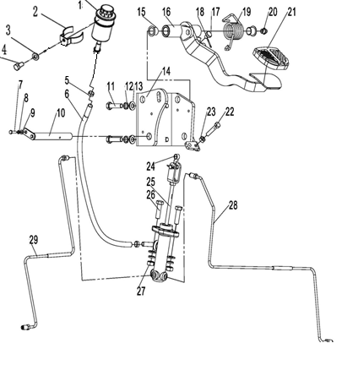
 | 2 | 256811511020 | 油杯固定环 | Bracket | 1
 | 3 | 910400500007 | 弹簧垫圈GB93-8 | Washer GB93-8 | 1
 | 4 | 910100300020 | 螺栓GB5783-M8x16-8.8 | Bolt GB5783-M8x16-8.8 | 1
 | 5 | 911000600001 | 喉箍QC/T390-(11-14) | Hose clamp QC/T390-(11-14) | 2
 | 6 | 255011520021 | 连接管 | Connecting pipe | 1
 | 7 | 910100300003 | 螺栓GB5783-M5x12-8.8 | Bolt GB5783-M5x12-8.8 | 1
 | 8 | 910400500004 | 弹簧垫圈GB93-5 | Washer GB93-5 | 1
 | 9 | 910400100004 | 平垫圈GB97.1-5-200HV | Washer GB97.1-5-200HV | 1
 | 10 | 255011510003 | 带耳轴Φ16x135 | Axle Φ16x135 | 1
 | 11 | 910100300039 | 螺栓GB5783-M10x40-8.8 | Bolt GB5783-M10x40-8.8 | 4
 | 12 | 910400500007 | 弹簧垫圈GB93-10 | Washer GB93-10 | 6
 | 13 | 910400100007 | 平垫圈GB97.1-10-200HV | Washer GB97.1-10-200HV | 6
 | 14 | 256811511004 | 脚制动支架焊合 | Foot brake holder welding | 1
 | 15 | 940500100006 | 复合套Φ16xΦ18x15-SF-1 | Bushing Φ16xΦ18x15-SF-1 | 2
 | 16 | 256811511002 | 踏板焊合 | Pedal weiding | 1
 | 17 | 255011520010 | 缓冲垫 | Damping pad | 1
 | 18 | 910600600015 | 开口销GB91-2x20 | Split pin GB91-2x20 | 1
 | 19 | 255011520008 | 扭簧 | Spring | 1
 | 20 | 911200100004 | 油杯JB7940.1-M10x1 | Grease nipple JB7940.1-M10x1 | 1
 | 21 | 255011520013 | 踏板(橡胶) | Pedal (rubber) | 1
 | 22 | 910100100023 | 螺栓GB5782-M8x45-8.8 | Bolt GB5782-M8x45-8.8 | 1
 | 23 | 910300100006 | 螺母GB6170-M8-10 | Nut GB6170-M8-10 | 1
 | 24 | 940500100048 | 复合套Φ10xΦ12x8-SF-1 | Bushing Φ10xΦ12x8-SF-1 | 1
 | 25 | 256811510001 | 制动泵总成 | Brake pump assembly | 1
 | 26 | 910100300038 | 螺栓GB5783-M10x35-8.8 | Bolt GB5783-M10x35-8.8 | 2
 | 27 | 910300100007 | 螺母GB6170-M10-10 | NutGB6170-M10-10 | 2
 | 28 | 256811511009 | 右制动钢管 | Brake steel pipe welding | 1
 | 29 | 256811511010 | 左制动钢管 | Brake steel pipe welding | 1

 |  |  |  |  |  | €13.00

256898501014驻车制动安装/PARKING BRAKING INSTALLATION
 | 序号/NO | 编码/SN | 名称 | Name | 数量/QTY | 备注/Remark
 | 1 | 910100300035 | 螺栓GB5783-M10x20-8.8 | Bolt GB5783-M10x20-8.8 | 2
 | 2 | 910400500007 | 弹簧垫圈GB93-10 | Spring washer GB93-10 | 2
 | 3 | 910400100007 | 平垫圈GB97.1-10-200HV | Washer GB97.1-10-200HV | 2
 | 4 | 256812021003 | 垫板(手制动) | Backing plate (Parking brake) | 1 |  | 0.80
 | 5 | XG1801542747 | 手制动总成 | Parking Brake Assembly | 1
 | 6 | 910400100005 | 平垫圈GB97.1-6-200HV | Washer GB97.1-6-200HV | 4
 | 7 | 910400500005 | 弹簧垫圈GB93-6 | Spring washer GB93-6 | 4
 | 8 | 910100300010 | 螺栓GB5783-M6x16-8.8 | Bolt GB5783-M6x16-8.8 | 4

 |  |  |  |  |  | €14.00

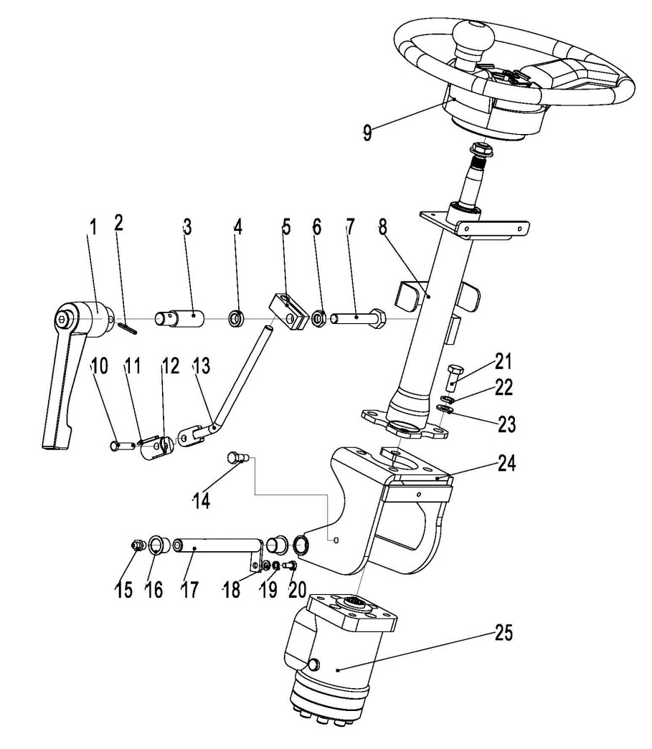
256898501015转向装置及安装/STEERING GEAR AND INSTALLATION
 | 序号/NO | 编码/SN | 名称 | Name | 数量/QTY | 备注/Remark
 | 1 | 255015010007 | 可调手柄 | The adjustable handle | 1
 | 2 | 910600400011 | 弹性圆柱销GB879.1-4x30 | Elastic cylinder pin GB879.1-4x30 | 1
 | 3 | 255015020025 | 夹柄螺套 | Clamp holder screw sets | 1
 | 4 | 910400100008 | 垫圈Φ20xΦ12x8 | GasketΦ20XΦ12X8 | 1
 | 5 | 255015020019 | 锁紧块 | Locking block | 1
 | 6 | 910300300006 | 螺母GB6172.1-M12-05 | Nut GB6172.1-M12-05 | 1
 | 7 | 910100300057 | 螺栓GB5783-M12x70-8.8 | Bolt GB5783 M12x70-8.8 | 1
 | 8 | 255015010001 | 转向管柱总成 | Steering string assembly | 1
 | 9 | 255015010003 | 方向盘 | The steering wheel | 1
 | 10 | 910600700014 | 销轴GB882-6x26x1.6 | Pin GB882-6x26x1.6 | 1
 | 11 | 910600600005 | 开口销GB91-1.6x10 | Cotter pin GB91-1.6x10 | 1
 | 12 | 255015020002 | 固定座 | The fixed seat | 1
 | 13 | 255015010005 | 调节杆焊合 | Adjust rod welding | 1
 | 14 | 255015020021 | 调节螺钉 | Adjust the screw | 1
 | 15 | 911200100004 | 油杯JB7940.1-M10x1 | Oil cup JB7940.1-M10x1 | 1
 | 16 | 940500200016 | 复合套(带肩)Φ16xΦ18x16-SF-1 | Composite set (shoulder)Φ16xΦ18x16-SF-1 | 2
 | 17 | 255011510003 | 带耳轴Φ16x135 | With trunnionΦ16x135 | 1
 | 18 | 910400100005 | 平垫圈GB97.1-6-200HV | WasherGB97.1-6-200HV | 1
 | 19 | 910400500005 | 弹簧垫圈GB93-6 | Spring washerGB93-6 | 1
 | 20 | 910100300009 | 螺栓GB5783-M6x12-8.8 | Bolt GB5783 M6x12-8.8 | 1
 | 21 | 910100300036 | 螺栓GB5783-M10x25-8.8 | Bolt GB5783 M10x25-8.8 | 4
 | 22 | 910400500007 | 弹簧垫圈GB93-10 | Spring washer gb93-10 | 4
 | 23 | 910400100007 | 平垫圈GB97.1-10-200HV | Washer GB97.1-10-200HV | 4
 | 24 | 255015010004 | 支架焊合 | Bracket welded | 1
 | 25 | 255015010012 | 转向器SCU51/100-FS | Steering SCU51/100-FS | 1

 |  |  |  |  |  | €15.00

256898501016转向桥及安装/STEERING BRIDGE AND INSTALLATION
 | 序号/NO | 编码/SN | 名称 | Name | 数量/QTY | 备注/Remark
 | A | 256816010001 | 30Q转向桥 | 30Q steering axle | 1
 | 1 | 256898526001 | 左转向节Z30KD011G | Left knuckle Z30KD011G | 1
 | 2 | 256898526002 | 桥体ZDS/K30-35D-03 | Turn to the bridge ZDS/K30-35D-03 | 1
 | 3 | 256898516001 | 转向油缸LGZN030K-0100 | Steering cylinder LGZN030K-0100 | 1
 | 4 | 910400500010 | 弹簧垫圈16 | Spring washer 16 | 4
 | 5 | 910100100073 | 六角螺栓M16X65 | Bolt M16X65 | 4
 | 6 | 256898526003 | 衬套Z30KD024 | Bush Z30KD024 | 8
 | 7 | 256898526004 | 关节轴承Z30KD023 | Knuckle bearing Z30KD023 | 4
 | 8 | 254198526085 | 直通式压注油杯M6 | Oil cap M6 | 2
 | 9 | 910100300022 | 六角螺栓M8X18 | bolt M8X18 | 4
 | 10 | 910400500006 | 弹簧垫圈8 | Spring washer 8 | 4
 | 11 | 256898526005 | 连杆销Z30KD025 | Link pin Z30KD025 | 4
 | 12 | 256898526006 | 连杆Z30KD002 | Link Z30KD002 | 2
 | 13 | 256898526007 | 销轴Z30KD004G | Pin Z30KD004G | 2
 | 14 | 256898526008 | 转向节主销ZBYD27KD010G | Kingpin ZBYD27KD010G | 2
 | 15 | 910800100084 | O形圈25X2.65 | O-ring 25X2.65 | 2
 | 16 | 256898526009 | 防尘圈座ZBD20KD011G | Shield block ZBD20KD011G | 2
 | 17 | 256898526010 | 防尘圈Z30KD006G | Dustband Z30KD006G | 2
 | 18 | 256898526011 | 圆锥滚子轴承33206 | Bearing 33206 | 4
 | 19 | 256898526012 | 复合防尘圈Z30KD009G | Composite dust ring Z30KD009G | 2
 | 20 | 256898526013 | 衬套ZDS/K30-35KD-05 | Bush ZDS/K30-35KD-05 | 2
 | 21 | 256898526014 | 销锁紧螺母Z30KD010G | Pin lock nut Z30KD010G | 2
 | 22 | 256898526015 | 开口销3.2X50 | Pin 3.2X50 | 2
 | 23 | 256898526016 | 右转向节Z30KD007G | Right knuckle Z30KD007G | 1
 | 24 | 256898526017 | 旋转轴唇形密封圈FB85X110X12 | Rotary shaft lip seals FB85X110X12 | 2
 | 25 | 256898526018 | 圆锥滚子轴承30211E | Bearing 30211E | 2
 | 26 | 256898526019 | 轮毂螺栓Z30KD013 | Hub bolt Z30KD013 | 16
 | 27 | 256898526020 | 转向轮毂Z30KD011 | Steering wheel hub Z30KD011 | 16
 | 28 | 256898526021 | 轮毂螺母Z30KD012 | Wheel hub nut Z30KD012 | 2
 | 29 | 910700600003 | 圆锥滚子轴承30207 | Bearing 30207 | 2
 | 30 | 910400100016 | 平垫圈30 | Washer30 | 2
 | 31 | 256898526022 | 开六角开槽薄螺母Z30KD009 | Nut Z30KD009 | 2
 |  |  |  |  |  | €16.00

256898501016转向桥及安装/STEERING BRIDGE AND INSTALLATION
 | 序号/NO | 编码/SN | 名称 | Name | 数量/QTY | 备注/Remark
 | 32 | 256898526023 | 开口销6.3X50 | Pin 6.3X50 | 2
 | 33 | 256898526024 | 轮毂盖Z30KD010 | Wheel hub cover Z30KD010 | 2

 |  |  |  |  |  | €17.00

256898501017转向油缸/STEERING CYLINDER
 | 序号/NO | 编码/SN | 名称 | Name | 数量/QTY | 备注/Remark
 | A | 256898510007 | 密封件修理包(转向缸-KD) | Sealing part maintenance package (steering cylinder-DW ) | 1
 | 1 | ▲ | 活塞杆总成 | Piston rod assembly | 1
 | 2 | ▲ | 缸盖 | Cylinder cover | 2
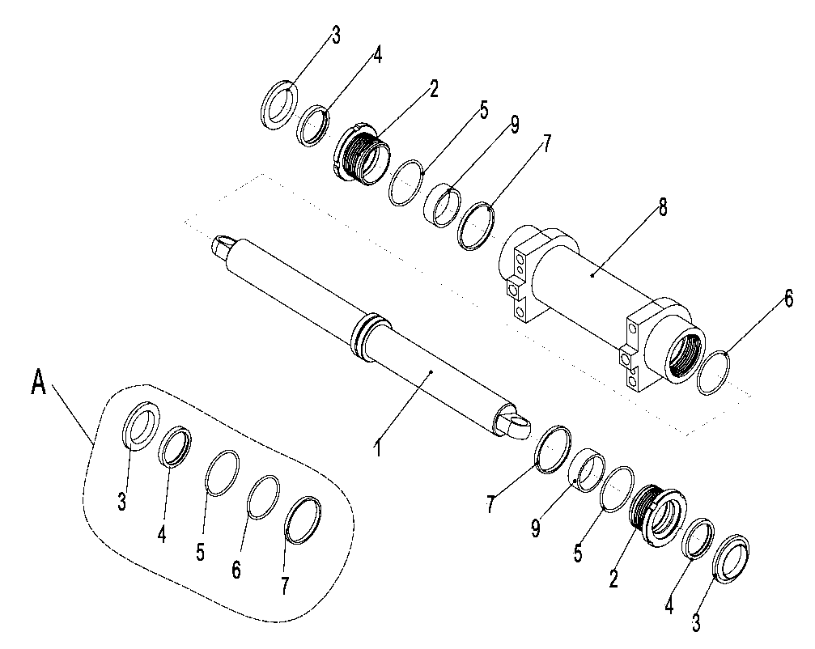
 | 3 | ▲ | 防尘圈 | Dust ring | 2
 | 4 | ▲ | U形圈 | U rin | 2
 | 5 | ▲ | O形圈 | O-ring | 2
 | 6 | ▲ | O形圈 | O-ring | 1
 | 7 | ▲ | 支承环 | Support ring | 1
 | 8 | ▲ | 缸筒总成 | Cylinder assembly | 1
 | 9 | ▲ | 钢背轴承 | Bearing | 2

 |  |  |  |  |  | €18.00

256898501018座椅盖板安装/SEAT COVER MOUNTING
 | 序号/NO | 编码/SN | 名称 | Name | 数量/QTY | 备注/Remark
 | 1 | 256821011002 | 箱盖焊合 | Welding of box cover | 1
 | 2 | 910200500021 | 螺钉GB818-M4x10-4.8 | Screw GB818 M4x10-4.8 | 2
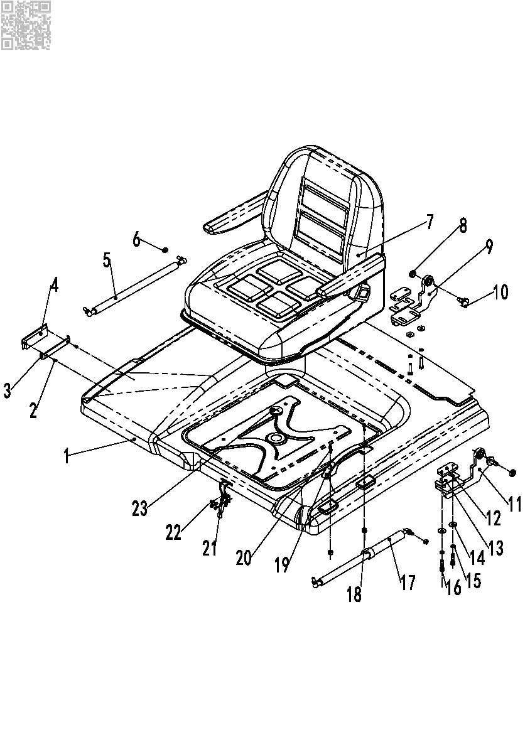
 | 3 | 255021020055 | 固定板 | Fixed plate | 1
 | 4 | 255021020021 | 拉手(内) | The shake handshandle | 1
 | 5 | 940400100030 | 气弹簧200N(D620) | Gas spring 200N (D620) | 1
 | 6 | 910300500004 | 螺母GB889.1-M8-10 | Nut GB889.1-M8-10 | 2
 | 7 | 255037510002 | 座椅BF1-1BC(标准) | Seat BF1-1BC (STD.) | 1
 | 7 | 255037510003 | 座椅(舒适型) | Seat (comfort) | 1 | 选装/Optional
 | 7 | 255037510004 | 座椅(减振型) | Seat (Vibration) | 1 | 选装/Optional
 | 8 | 255021010014 | 关节轴承GE12E | Bearing GB9163-GE12E | 2
 | 9 | 255021010006 | 铰链焊合(右) | Hinge bracket (right) | 1
 | 10 | 255021020043 | 固定螺栓 | Bolt | 2
 | 11 | 255021010005 | 铰链焊合(左) | Hinge bracket (left) | 1
 | 12 | 255021020045 | 座板 | Wire plate | 2
 | 13 | 255021020054 | 调整垫 | Adjust the gasket | 2
 | 14 | 910400100006 | 平垫圈GB97.1-8-200HV | Washer GB97.1-8-200HV | 4
 | 15 | 910400500006 | 弹簧垫圈GB93-8 | Spring washer GB93-8 | 4
 | 16 | 910100300024 | 螺栓GB5783-M8x30-8.8 | Bolt GB5783 M8x30-8.8 | 4
 | 17 | 940400100031 | 气弹簧500N(D620)-自锁 | Air spring 500N(D620)- self locking | 1
 | 18 | 910300500003 | 螺母GB889.1-M6-10 | Nut GB889.1-M6-10 | 2
 | 19 | 255021020020 | 拉手 | The shake handshandle | 1
 | 20 | 910200500053 | 螺钉GB818-M6x20-4.8 | Screw GB818-M6x20-4.8 | 2
 | 21 | 252121011007 | 40323带自锁弯钩搭扣 | The lid lock | 1
 | 22 | 910200300011 | 螺钉GB70.2-M5x10-4.8 | Screw GB70.1 M5x10-4.8 | 4
 | 23 | 255021020046 | 保护圈φ35 | To protect the coil | 1

 |  |  |  |  |  | €19.00

256898501019右盖板安装/SIDE PANEL INSTALLATION
 | 序号/NO | 编码/SN | 名称 | Name | 数量/QTY | 备注/Remark
 | 1 | 281223021006 | 盖板螺栓 | Bolt | 2
 | 2 | 940400400002 | 簧片螺母M8 | Nut M8 | 2
 | 3 | 256821011017 | 侧板焊合(右) | Side plate | 1
 | 4 | 255021010015 | 挂钩焊合(左) | Hanger | 1
 | 5 | 910400100005 | 平垫圈GB97.1-6-200HV | Washer GB97.1-6-200HV | 6
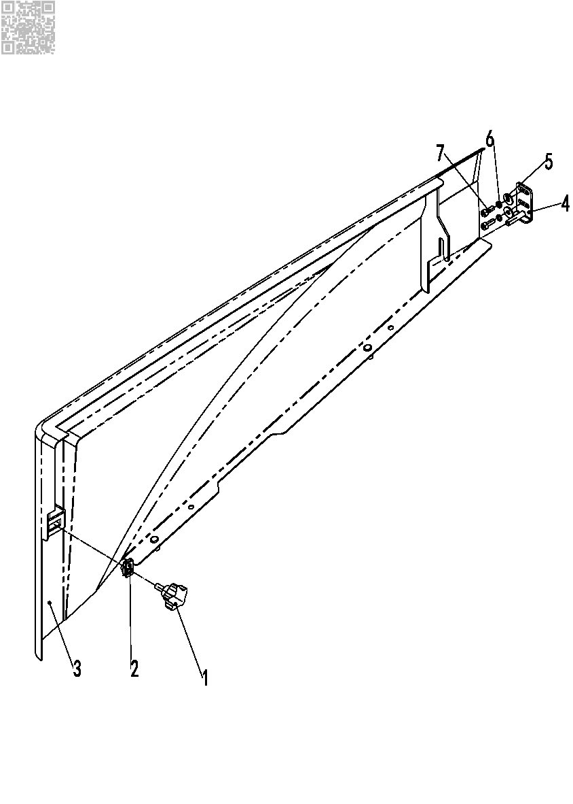
 | 6 | 910400500005 | 弹簧垫圈GB93-6 | Spring washer GB93-6 | 8
 | 7 | 910200200035 | 螺钉GB70.1-M6x16-8.8 | Screw GB70.1 M6x16-8.8 | 4

 |  |  |  |  |  | €20.00

256898501020左侧板安装SIDE PANEL INSTALLATION
 | 序号/NO | 编码/SN | 名称 | Name | 数量/QTY | 备注/Remark
 | 1 | 255021010015 | 挂钩焊合(左) | Side plate | 1
 | 2 | 910400100005 | 平垫圈GB97.1-6-200HV | Hanger | 1
 | 3 | 910400500005 | 弹簧垫圈GB93-6 | Spring washer 6 | 1
 | 4 | 910200200035 | 螺钉GB70.1-M6x16-8.8 | Bolt M6X16 | 1
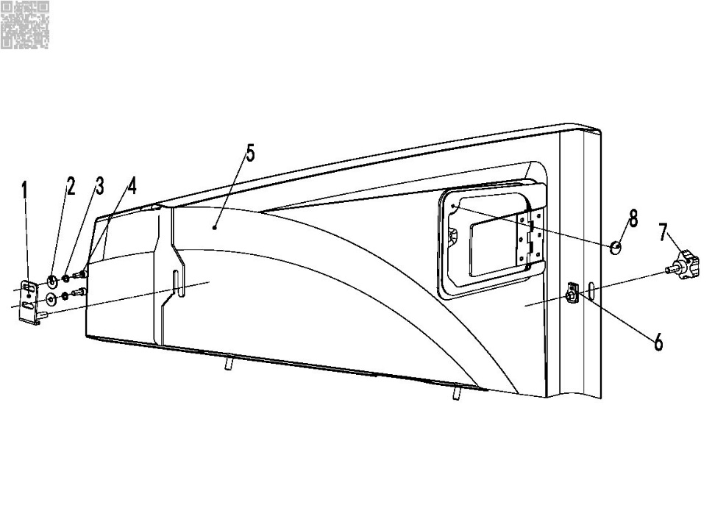
 | 5 | 256821010003 | 侧板总成(左) | Side plate | 1
 | 6 | 940400400002 | 簧片螺母M8 | NutM8 | 1
 | 7 | 281223021006 | 盖板螺栓 | Bolt | 1
 | 8 | 940600100005 | 磁钢Φ18x3 | magnet steel | 1

 |  |  |  |  |  | €21.00

256898501021仪表罩安装/INSTRUMENT COVER INSTALLATION
 | 序号/NO | 编码/SN | 名称 | Name | 数量/QTY | 备注/Remark
 | 1 | 940400400001 | 板簧螺母M6-t(2-4) | Nut M6 | 6
 | 2 | 256821511006 | 盖板焊合(右) | Cover assembly | 1 |  | 0.70
 | 3 | 910400200002 | 平垫6 | Washer GB97.1-6-200HV | 4
 | 4 | 941100100009 | 螺钉M6x12-8.8 | Screw M6x12 | 6
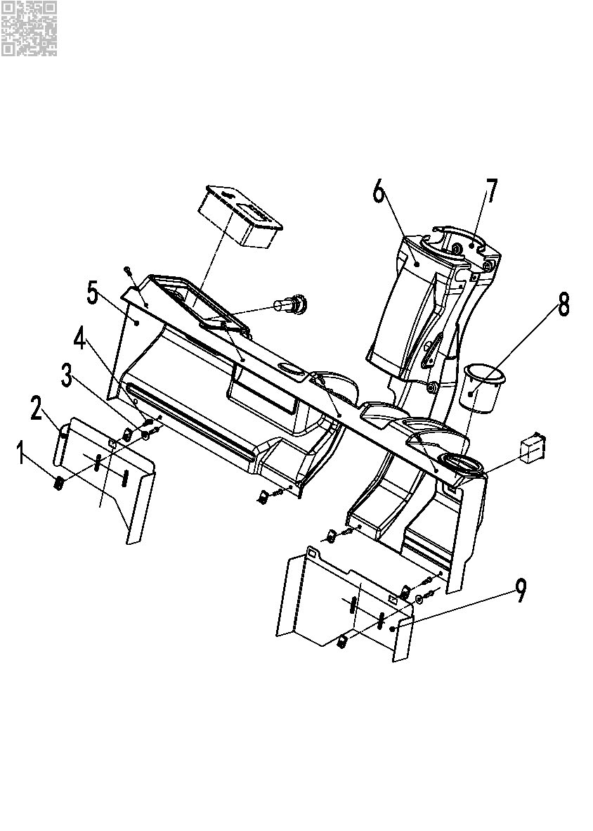
 | 5 | 256810021001 | 仪表罩(30Q) | Instrument mask | 1
 | 6 | 255010020005 | 前盖 | Cover | 1
 | 7 | 255010020006 | 后盖 | Cover | 1
 | 8 | 256810021004 | 制动液杯盖 | Cover | 1
 | 9 | 256821511004 | 盖板焊合(左) | Cover assembly | 1 |  | 0.90

 |  |  |  |  |  | €22.00

256898501022平衡重及安装/BALANCE WEIGHT AND MOUNTING
 | 序号/NO | 编码/SN | 名称 | Name | 数量/QTY | 备注/Remark
 | 1 | 256723021001 | 平衡重(25Q) | Balance weight 25Q | 1 | 25Q
 | 1 | 256723028001 | 平衡重(28Q) | Balance weight 28Q | 1 | 28Q
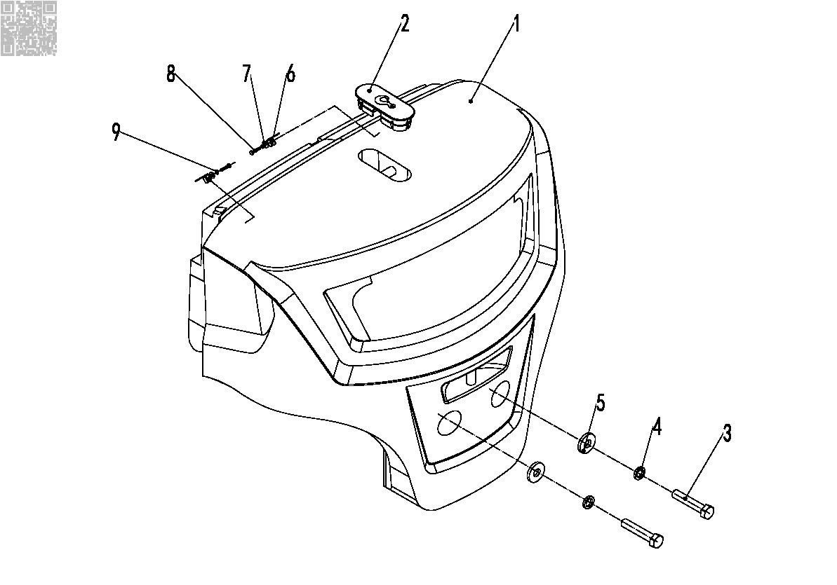
 | 1 | 256923021001 | 平衡重(35Q) | Balance weight 35Q | 1 | 35Q
 | 1 | 256923021002 | 平衡重(30Q) | Balance weight 30Q | 1 | 30Q
 | 2 | 255023020002 | 装饰盖 | lift hole cover | 1
 | 3 | 910100100101 | 螺栓GB5782-M24x120-8.8 | Bolt GB5782 M24x120-8.8 | 1
 | 4 | 910400500013 | 弹簧垫圈GB93-24 | Spring washer GB93-24 | 1
 | 5 | 251023020003 | 垫片 | Gasket Φ60XΦ25X8 | 2 | 选装
 | 6 | 255023020006 | 调整垫(配重上) | Adjust cushion | 2
 | 7 | 910100300013 | 螺栓GB5783-M6x30-8.8 | Bolt GB5782 M24x120-8.8 | 2
 | 8 | 910400200002 | 平垫圈GB96.1-6-200HV | Washer GB97.1-6-200HV | 2
 | 9 | 910400500005 | 弹簧垫圈GB93-6 | Spring washer GB93-6 | 2

 |  |  |  |  |  | €23.00

256898501023脚踏板安装/FOOT PEDAL
 | 序号/NO | 编码/SN | 名称 | Name | 数量/QTY | 备注/Remark
 | 1 | 256818021005 | 地板垫(30Q) | Cushion | 2
 | 2 | 256818011001 | 前地板焊合 | Floor welding (front) | 1 |  | 8.60
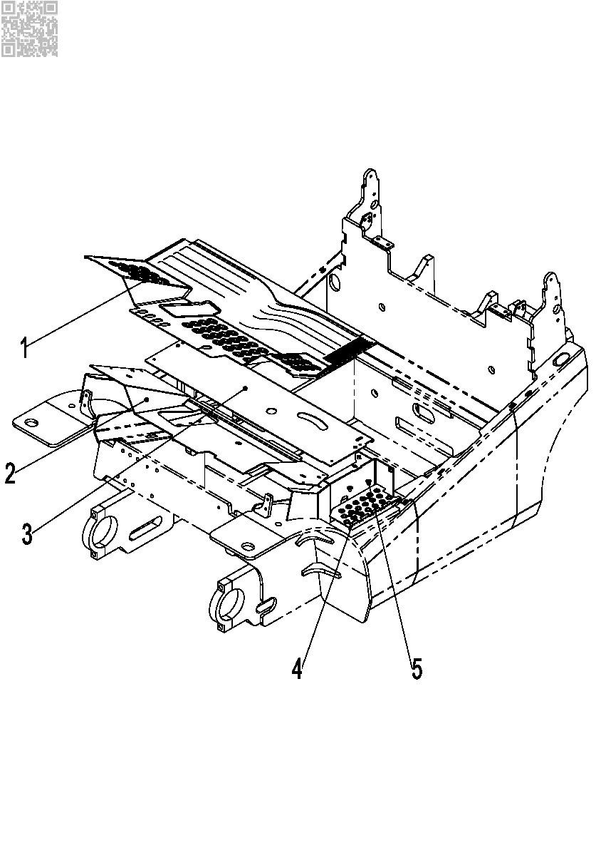
 | 3 | 256818011002 | 后地板焊合 | Floor welding (rear) | 1 |  | 6.40
 | 4 | 941100100001 | 螺钉M8X12-8.8 | Screw M8x12-8.8 | 2
 | 5 | 256818021006 | 上车踏板(30Q) | Foot pedal | 1

 |  |  |  |  |  | €24.00

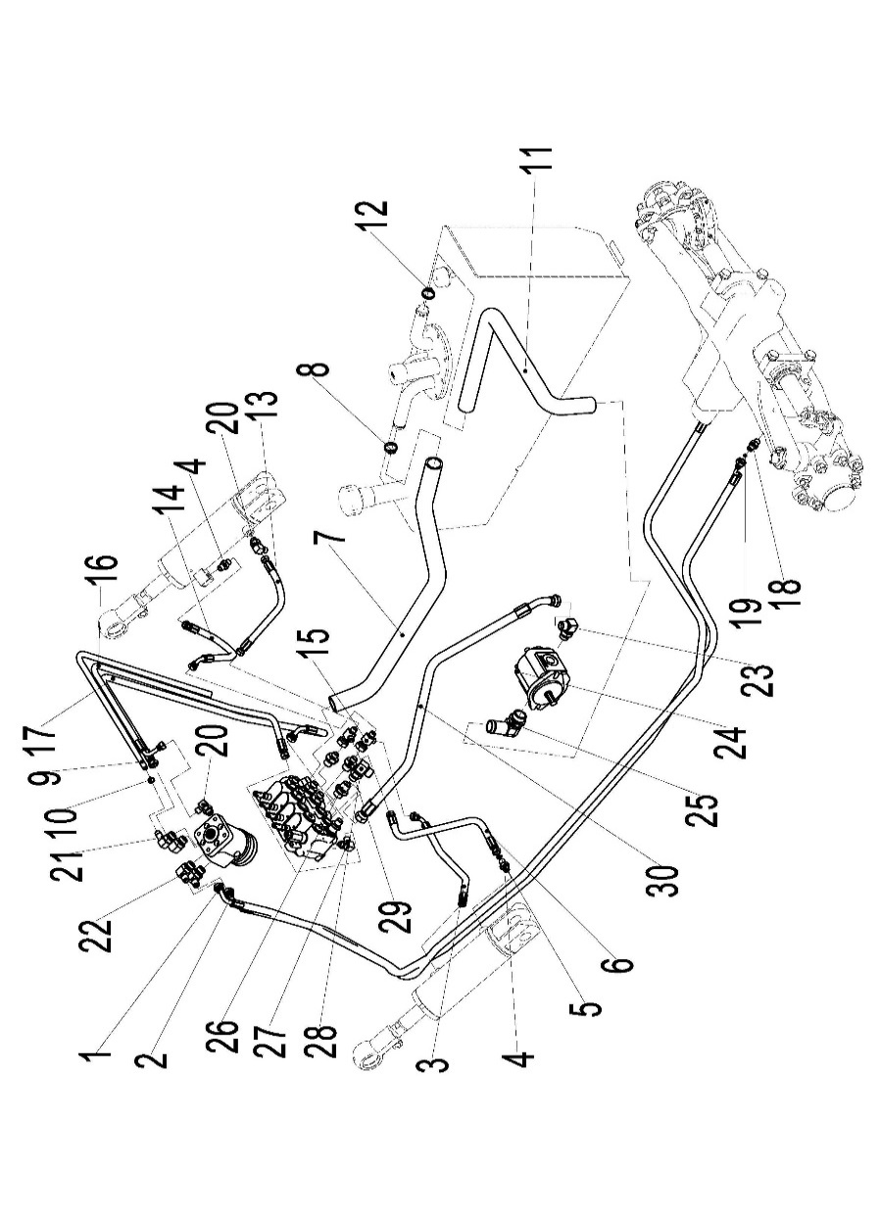
256998501024液压系统/HYDRAULIC
 | 序号/NO | 编码/SN | 名称 | Name | 数量/QTY | 备注/Remark
 | 1 | 255023520001 | 液压管总成(异)8-L3000-1SC-60° | Hydraulic Tube Assembly (Extraordinary)8-L3000-1SC-60° | 1
 | 2 | 255023520002 | 液压管总成(异)8-L2700-1SC-60° | Hydraulic Tube Assembly (Extraordinary)8-L2500-1SC-60° | 1
 | 3 | 256823520003 | 液压管总成(90°)6-L750-1SC-60° | Hydraulic Tube Assembly (90°)6-L750-1SC-60° | 1
 | 4 | 255023520007 | 接头(直)6-G1/4－M14x1.5-60° | Connector (straight)6-G1/4 M14X1.5-60 ° | 3
 | 5 | 910800100021 | O形圈-内11.2x2.65 | O-ring - inside 11.2x2.65 | 4
 | 6 | 275223521006 | 液压管总成(90°)6-L700-1SC-60° | Hydraulic Tube Assembly (90°)6-L700-1SC-60° | 1
 | 7 | 256923521006 | 胶管(回油) | Rubber hose (return oil) | 1
 | 8 | 911000600004 | 喉箍QC/T390-(34-38) | Hose hoops QC/T390 - - 38 (34) | 4
 | 9 | 900200401001 | 回油胶管23x5 | Return oil hose 23X5 | 2560
 | 10 | 911000600003 | 喉箍QC/T390-(22-26) | Hose hoops QC/T390 - (22-26), | 2
 | 11 | 256923521007 | 胶管(吸油) | Rubber hose (oil absorption) | 1
 | 12 | 911000600006 | 喉箍QC/T390-(40-45) | Hose hoops QC/T390 - (40-45) | 2
 | 13 | 256823520004 | 液压管总成(135°)6-L450-1SC-60° | Hydraulic Tube Assembly (135°)6-L450-1SC-60° | 1
 | 14 | 252123520002 | 液压管总成(135°)6-L600-1SC-60° | Hydraulic Tube Assembly (Straight)6-L600-1SC-60° | 1
 | 15 | 255023510012 | 接头(三通)7-2xM14x1.5-M16x1.5-60° | Connector (tee) 7-2XM14X1.5 - M16X1.5 -60° | 2
 | 16 | 252123520011 | 液压管总成(90°)6-L1320-1SC-60° | Hydraulic Tube Assembly (90°)6-L1320-1SC-60° | 1
 | 17 | 251123521005 | 液压管总成(90°)8-L1320-1SC-60° | Hydraulic Tube Assembly (90°)8-L1320-1SC-60° | 1
 | 18 | 255023520034 | 接头(直)8-2xM16x1.5-60° | Connector (straight) 8-2XM16X1.5-60 ° | 2
 | 19 | 910800100002 | O形圈-内13.2x2.65 | O-ring - inside 13.2x2.65 | 2
 | 20 | 255023510003 | 接头(锁定弯)6-G1/4-M14x1.5-60° | Connector (lock bend)6-G1/4 M14X1.5 -60° | 2
 | 21 | 255023510008 | 接头(锁定弯)11-M20x1.5-0 | Connector (lock bend)11-M20x1.5-0 | 1
 | 22 | 255023510007 | 接头(锁定弯)10-M20x1.5-M16x1.5-60° | Connector (lock bend) 10-M20X1.5 - M16X1.5 -60° | 3
 | 23 | 255023520035 | 接头(锁定弯)12-G1/2-M22x1.5-60° | Connector (lock bend)12-G1/2- M22X1.5 -60° | 1
 | 24 | 255023510006 | 齿轮泵 | The gear pump | 1
 | 25 | 255023510005 | 接头(转向弯)25-G1-Φ32 | Joint (to bend) 25 - G1 - Φ 32 | 1
 | 26 | 255023520030 | 接头(直)12-2xM22x1.5-60° | Connector (straight) 12-2XM22X1.5 -60° | 1
 | 27 | 255023510001 | 接头(锁定弯)6-M12x1.5-M14x1.5-60° | Connector (lock bend) 6-M12X1.5 - M14X1.5 -60° | 1
 | 28 | 255044020143 | 接头(锁定弯)12-M20x1.5-M22x1.5-60° | Connector (lock bend)12-M20x1.5-M22x1.5-60° | 1
 | 29 | 255023520033 | 接头(直)8-M20x1.5-M16x1.5-60° | Connector (straight) 8-M20X1.5 - M16X1.5 -60° | 1
 | 30 | 254123520004 | 液压管总成(90°)13-L2600-2SC-60° | Hydraulic Tube Assembly (90°)13-L2600-2SC-60° | 1

 |  |  |  |  |  | €25.00

256898501025多路换向阀操纵(二联)/MULTI-WAY REVERSING VALVE CONTROL(TWO)
 | 序号/NO | 编码/SN | 名称 | Name | 数量/QTY | 备注/Remark
 | 1 | 252024510011 | 多路阀(二联) | Multiple valve (two) | 1
 | 1 | 256824511002 | 多路阀(2联电磁阀ZSX) | Multi way valve (two) solenoid valve | 1 | CE选配
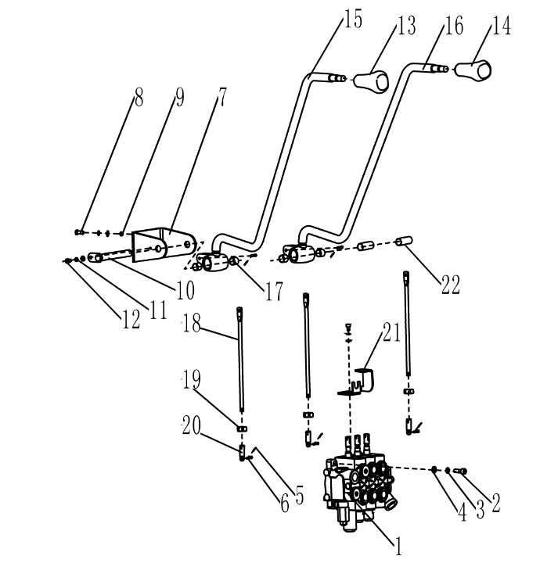
 | 2 | 910100400006 | 螺栓GB5786-M10x1.25x40-8.8 | Bolt GB5786-M10x1.25x40-8.8 | 4
 | 3 | 910400500007 | 弹簧垫圈GB93-10 | Spring washer GB93-10 | 8
 | 4 | 910400100007 | 平垫圈GB97.1-10-200HV | Washer GB97.1-10-200HV | 12
 | 5 | 941100800001 | 销轴B4.75x20-c1B | Pin B4.75x20-c1B | 4
 | 6 | 910600600011 | 开口销GB91-2x12 | Cotter pin GB91-2x12 | 4
 | 7 | 252124520002 | 支架(阀杆) | Support (stem) | 1
 | 8 | 910100300037 | 螺栓GB5783-M10x30-8.8 | Bolt GB5783 M10x30-8.8 | 4
 | 9 | 910300100007 | 螺母GB6170-M10-10 | Nut GB6170-M10-10 | 4
 | 10 | 255024510009 | 带耳轴Φ16x168 | With trunnion Φ16x168 | 1
 | 11 | 910400500005 | 弹簧垫圈GB93-6 | Spring washer GB93-6 | 1
 | 12 | 910200200032 | 螺钉GB70.1-M6x10-8.8 | Screw GB70.1 M6x10-8.8 | 1
 | 13 | 253524520010 | 手柄球(起升) | Handle ball(lift) | 1
 | 14 | 253524520009 | 手柄球(倾斜) | Handle ball(tilt) | 1
 | 15 | 256824510002 | 操纵杆焊合(起升) | Joystick welding(lifting) | 1
 | 16 | 256824510003 | 操纵杆焊合(倾斜) | Joystick welding(tilt) | 1
 | 17 | 940500100006 | 复合套Φ16xΦ18x15-SF-1 | Composite set Φ16xΦ18x15-SF-1 | 4
 | 18 | 256824520003 | 连接杆 | Connecting rod | 2
 | 19 | 910300100006 | 螺母GB6170-M8-10 | Nut GB6170 M8-10 | 2
 | 20 | 255025020003 | 接头 | joint | 2
 | 21 | 253524520014 | 支架(行程开关) | Bracket (travel switch) | 2
 | 22 | 255024520028 | 轴套Φ29xΦ16x38 | Shaft sleeveΦ29xΦ16x38 | 2

 |  |  |  |  |  | €26.00

256898501026多路换向阀操纵(三联)MULTI-WAY REVERSING VALVE CONTROL(THREE)
 | 序号/NO | 编码/SN | 名称 | Name | 数量/QTY | 备注/Remark
 | 1 | 252025010011 | 多路阀(三联) | Multiple valve(three) | 1
 | 1 | 256825011002 | 多路阀(3联电磁阀ZSX) | Multi way valve (three) solenoid valve | 1 | CE选配
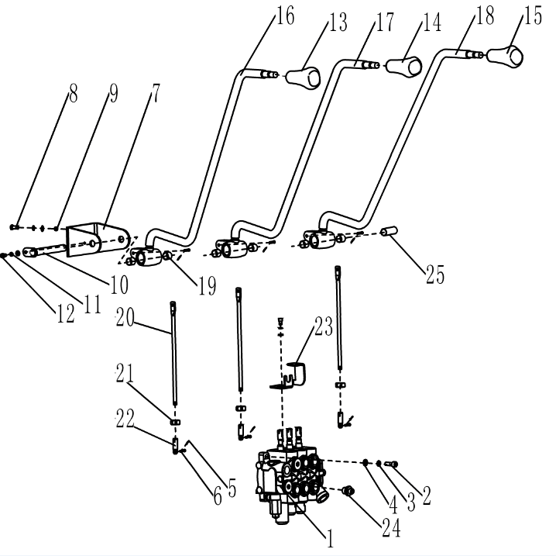
 | 2 | 910100400006 | 螺栓GB5786-M10x1.25x40-8.8 | Bolt GB5786-M10x1.25x40-8.8 | 4
 | 3 | 910400500007 | 弹簧垫圈GB93-10 | Spring washer GB93-10 | 8
 | 4 | 910400100007 | 平垫圈GB97.1-10-200HV | Washer GB97.1-10-200HV | 12
 | 5 | 941100800001 | 销轴B4.75x20-c1B | Pin B4.75x20-c1B | 6
 | 6 | 910600600011 | 开口销GB91-2x12 | Cotter pin GB91-2x12 | 6
 | 7 | 252124520002 | 支架(阀杆) | Support (stem) | 1
 | 8 | 910100300037 | 螺栓GB5783-M10x30-8.8 | Bolt GB5783 M10x30-8.8 | 4
 | 9 | 910300100007 | 螺母GB6170-M10-10 | Nut GB6170-M10-10 | 4
 | 10 | 255024510009 | 带耳轴Φ16x168 | With trunnion Φ16x168 | 1
 | 11 | 910400500005 | 弹簧垫圈GB93-6 | Spring washer GB93-6 | 1
 | 12 | 910200200032 | 螺钉GB70.1-M6x10-8.8 | Screw GB70.1 M6x10-8.8 | 1
 | 13 | 253524520010 | 手柄球(起升) | Handle ball(lift) | 1
 | 14 | 253524520009 | 手柄球(倾斜) | Handle ball(tilt) | 1
 | 15 | 253525020002 | 手柄球(属具1) | Handle ball(belonging to 1) | 1
 | 16 | 256824510002 | 操纵杆焊合(起升) | Joystick welding(lifting) | 1
 | 17 | 256824510003 | 操纵杆焊合(倾斜) | Joystick welding(tilt) | 1
 | 18 | 256825010004 | 操纵杆焊合(属具1) | Joystick welding(tool1) | 1
 | 19 | 940500100006 | 复合套Φ16xΦ18x15-SF-1 | Composite setΦ16xΦ18x15-SF-1 | 6
 | 20 | 256824520003 | 连接杆 | Connecting rod | 3
 | 21 | 910300100006 | 螺母GB6170-M8-10 | Nut GB6170 M8-10 | 3
 | 22 | 255025020003 | 接头 | joint | 3
 | 23 | 253524520014 | 支架(行程开关) | Bracket (travel switch) | 3
 | 24 | 255023520033 | 接头(直)8-M20x1.5-M16x1.5-60° | Joint (straight) 8-M20x1.5-M16x1.5-60° | 2
 | 25 | 255024520028 | 轴套Φ29xΦ16x38 | Shaft sleeve Φ16xΦ29x38 | 1

 |  |  |  |  |  | €27.00

256898501027多路换向阀操纵(四联)MULTI-WAY REVERSING VALVE CONTROL(TOUR)
 | 序号/NO | 编码/SN | 名称 | Name | 数量/QTY | 备注/Remark
 | 1 | 252025510011 | 多路阀(四联) | Multiway valve (four) | 1
 | 1 | 256825511002 | 多路阀(4联电磁阀ZSX) | Multi way valve (four) solenoid valve | 1 | CE选配
 | 2 | 910100400006 | 螺栓GB5786-M10x1.25x40-8.8 | Bolt GB5786-M10x1.25x40-8.8 | 4
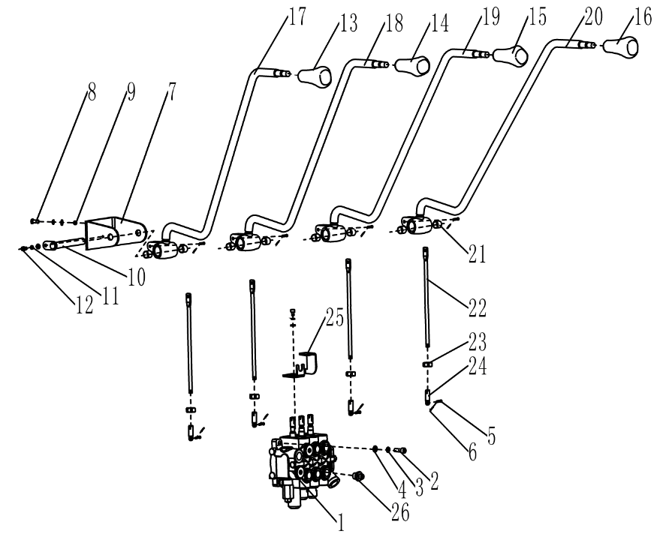
 | 3 | 910400500007 | 弹簧垫圈GB93-10 | Spring washer GB93-10 | 8
 | 4 | 910400100007 | 平垫圈GB97.1-10-200HV | Washer GB97.1-10-200HV | 12
 | 5 | 941100800001 | 销轴B4.75x20-c1B | Pin B4.75x20-c1B | 8
 | 6 | 910600600011 | 开口销GB91-2x12 | Cotter pin GB91-2x12 | 8
 | 7 | 252124520002 | 支架(阀杆) | Support (stem) | 1
 | 8 | 910100300037 | 螺栓GB5783-M10x30-8.8 | Bolt GB5783 M10x30-8.8 | 4
 | 9 | 910300100007 | 螺母GB6170-M10-10 | Nut GB6170-M10-10 | 4
 | 10 | 255024510009 | 带耳轴Φ16x168 | With trunnion Φ16x168 | 1
 | 11 | 910400500005 | 弹簧垫圈GB93-6 | Spring washer GB93-6 | 1
 | 12 | 910200200032 | 螺钉GB70.1-M6x10-8.8 | Screw GB70.1 M6x10-8.8 | 1
 | 13 | 253524520010 | 手柄球(起升) | Handle ball (lift) | 1
 | 14 | 253524520009 | 手柄球(倾斜) | Handle ball (tilt) | 1
 | 15 | 253525020002 | 手柄球(属具1) | Handle ball (belonging to1) | 1
 | 16 | 253525520002 | 手柄球(属具2) | Handball (belonging to 2) | 1
 | 17 | 256824510002 | 操纵杆焊合(起升) | Joystick welding (lifting) | 1
 | 18 | 256824510003 | 操纵杆焊合(倾斜) | Joystick welding (tilt) | 1
 | 19 | 256825010004 | 操纵杆焊合(属具1) | Joystick welding (tool 1) | 1
 | 20 | 256825510005 | 操纵杆焊合(属具2) | Joystick welding (kit 2) | 1
 | 21 | 940500100006 | 复合套Φ16xΦ18x15-SF-1 | Composite set Φ16xΦ18x15-SF-1 | 8
 | 22 | 256824520003 | 连接杆 | Connecting rod | 4
 | 23 | 910300100006 | 螺母GB6170-M8-10 | Nut GB6170 M8-10 | 4
 | 24 | 255025020003 | 接头 | joint | 4
 | 25 | 253524520014 | 支架(行程开关) | Bracket (travel switch) | 4
 | 26 | 255023520033 | 接头(直)8-M20x1.5-M16x1.5-60° | Joint (straight)8-M20x1.5-M16x1.5-60° | 4

 |  |  |  |  |  | €28.00

256998501028工作油箱装置及安装/WORK TANK INSTALLATION AND INSTALLATION
 | 序号/NO | 编码/SN | 名称 | Name | 数量/QTY | 备注/Remark
 | 1 | 255019010004 | 网式过滤器 | Mesh filter | 1
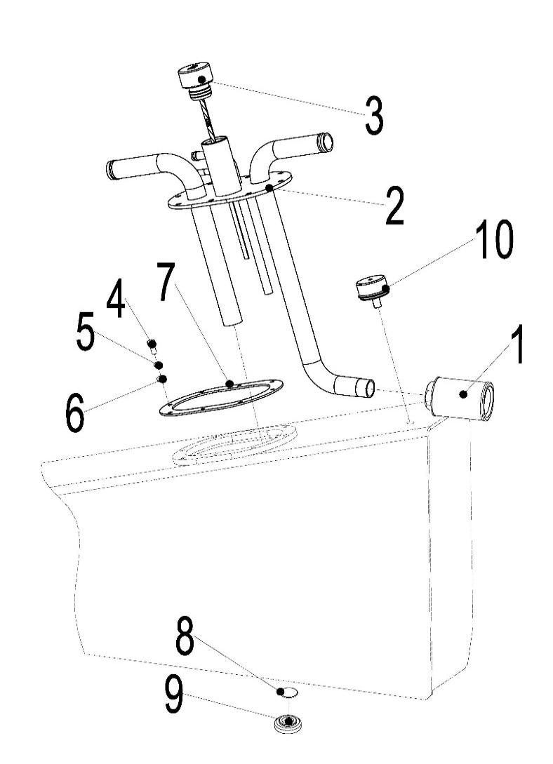
 | 2 | 256919011002 | 箱盖焊合 | Lid welded | 1
 | 3 | 251119010003 | 油尺塞总成 | Oil ruler plug assembly | 1
 | 4 | 910100300022 | 螺栓GB5783-M8x20-8.8 | Bolt GB5783 M8x20-8.8 | 8
 | 5 | 910400500006 | 弹簧垫圈GB93-8 | Spring washer GB93-8 | 8
 | 6 | 910400100006 | 平垫圈GB97.1-8-200HV | Washer GB97.1-8-200HV | 8
 | 7 | 255019020013 | 密封垫204x134x1.5-R | Gasket 204x134x1.5-R | 1
 | 8 | 910800900001 | 组合垫圈JB982-20 | Combination washer JB982-20 | 1
 | 9 | 255019020015 | 放油塞M20x1.5 | Drain plug M20x1.5 | 1
 | 10 | 253519010005 | 呼吸器HS0403 | Respirator HS0403 | 1

 |  |  |  |  |  | €29.00

256998501029车架装配/FRAME ASSEMBLY
 | 序号/NO | 编码/SN | 名称 | Name | 数量/QTY | 备注/Remark
 | 1 | 256821521032 | 支承盖 | Support cover | 2
 | 2 | 910400500010 | 弹簧垫圈GB93-16 | Spring washer GB93-16 | 4
 | 3 | 910100200016 | 螺栓GB5785-M16x1.5x70-8.8 | Bolt GB5785-M16x1.5x70-8.8 | 4
 | 4 | 256721511001 | 车架焊合(25Q) | Frame welded | 1 | 25Q | 437.00
 | 4 | 256721518001 | 车架焊合(28Q) | Frame welded | 1 | 28Q | 450.00
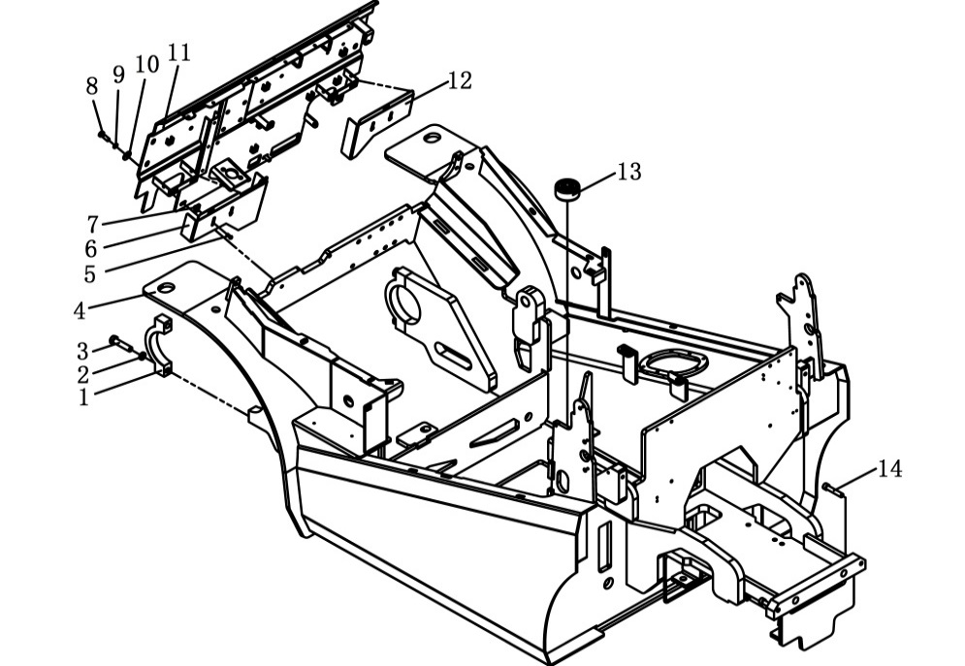
 | 4 | 256921511001 | 车架焊合(30Q | Frame welded | 1 | 30-35Q | 464.00
 | 5 | 910200300018 | 螺钉GB70.2-M6x16-8.8 | Screw GB70.2 M6x16-8.8 | 4
 | 6 | 256821511004 | 盖板焊合(左) | Welding of cover plate(left) | 1 |  | 0.90
 | 7 | 940400400001 | 板簧螺母M6 | Leaf spring nut M6 | 4
 | 8 | 910100300037 | 螺栓GB5783-M10x30-8.8 | Bolt GB5783-M10x30-8.8 | 2
 | 9 | 910400500007 | 弹簧垫圈GB93-10 | Spring washer GB93-10 | 2
 | 10 | 910400200004 | 大垫圈GB96.1-10-200HV | Large washer GB96.1-10-200HV | 2
 | 11 | 256821511009 | 仪表架焊合 | The meter stand is welded together | 1 |  | 21.86
 | 12 | 256821511006 | 盖板焊合(右) | Welding of cover plate (right) | 1 |  | 0.70
 | 13 | 256821521095 | 减振垫 | Damping pad | 4
 | 14 | 910200200104 | 螺钉GB70.1-M12x60-8.8 | Screw GB70.1 M12x60-8.8 | 2

 |  |  |  |  |  | €30.00

256898501030护顶架装配/TOP GUARD ASSEMBLY
 | 序号/NO | 编码/SN | 名称 | Name | 数量/QTY | 备注/Remark
 | 1 | 910200200098 | 螺钉GB70.1-M12x30-8.8 | Screw GB70.1 M12x30-8.8 | 8
 | 2 | 910400500008 | 弹簧垫圈GB93-12 | Spring washer GB93-12 | 8
 | 3 | 910400100008 | 平垫圈GB97.1-12-200HV | The flat washer GB97.1-12-200HV | 4
 | 4 | 256822012001 | 护顶架焊合 | The top guard is welded together | 1 |  | 80.67
 | 5 | 255022020001 | 防护罩一(异型管) | Protective cover 1 | 1
 | 6 | 255022020004 | 尾灯出线圈 | Protective tape | 4
 | 7 | 252022020050 | 充电插座线垫圈 | Protective tape | 2
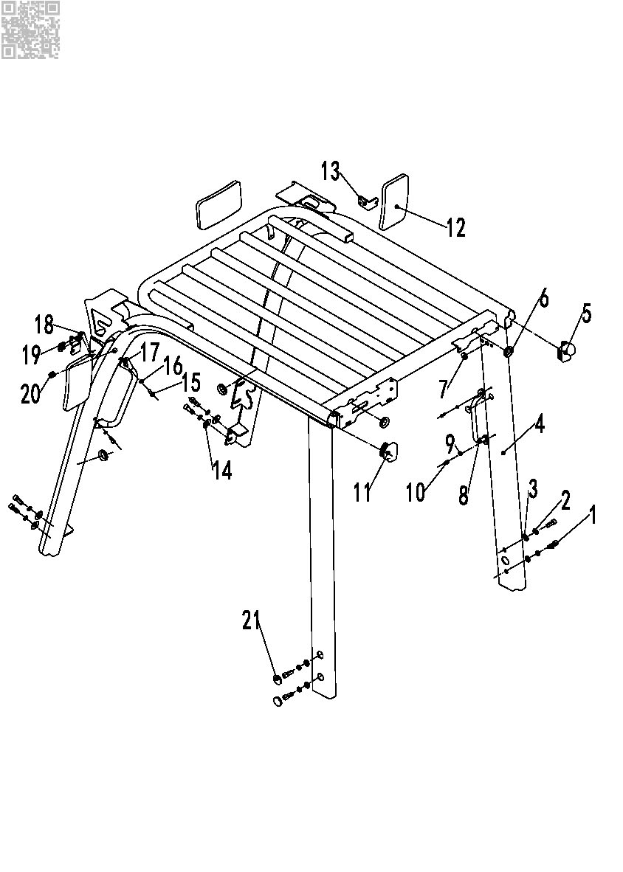
 | 8 | 255056510001 | 后把手开关 | Back handle | 1 | 选装
 | 9 | 910400500005 | 弹簧垫圈GB93-6 | Spring washer GB93-6 | 2
 | 10 | 910200200036 | 螺钉GB70.1-M6x20-8.8 | Screw GB70.1 M6x20-8.8 | 2
 | 11 | 255022020002 | 防护罩二(异型管) | Protective cover 2 | 1
 | 12 | 255049520010 | 内后视镜EQ-105 | Rearview mirror | 3
 | 13 | 255049520004 | 支架(外双镜) | Support | 2 |  | 0.30
 | 14 | 910400200005 | 大垫圈GB96.1-12-200HV | Big washer GB96.1-12-200HV | 4
 | 15 | 910200200057 | 螺钉GB70.1-M8x20-8.8 | Screw GB70.1 M8x20-8.8 | 2
 | 16 | 910400500006 | 弹簧垫圈GB93-8 | Spring washer GB93-8 | 2
 | 17 | 255022020029 | 把手 | Handle | 1 | 选装
 | 18 | 910300500004 | 螺母GB889.1-M8-10 | Nut GB889.1-M8-10 | 4
 | 19 | 910100300022 | 螺栓GB5783-M8x20-8.8 | Bolt GB5783 M12x20-8.8 | 4
 | 20 | 255022020003 | 大灯穿线圈 | Protective tape | 2
 | 21 | 253522020024 | 孔塞30 | Cover 30 | 4

 |  |  |  |  |  | €31.00

256898501035货叉/FORK
 | 序号/NO | 编码/SN | 名称 | Name | 数量/QTY | 备注/Remark
 | A | 940100100008 | 挂钩ⅡA型货叉120x40x1070 | Fork 120x40x1070 | 2 | 25Q
 |  | 940100100010 | 挂钩ⅡA型货叉120x40x1150 | Fork 120x40x1150 | 2 | 25Q
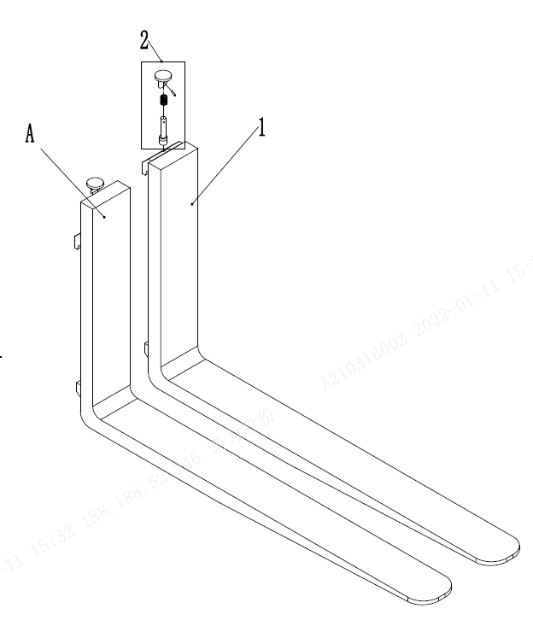
 |  | 940100100009 | 挂钩ⅡA型货叉120x40x1220 | Fork 120x40x1220 | 2 | 25Q
 |  | 940100100011 | 挂钩ⅡA型货叉120x40x1370 | Fork 120x40x1370 | 2 | 25Q
 |  | 940100100012 | 挂钩ⅡA型货叉120x40x1520 | Fork 120x40x1520 | 2 | 25Q
 |  | 940100100030 | 挂钩ⅡA型货叉120x40x1820 | Fork 120x40x1820 | 2 | 25Q
 |  | 940100100044 | 挂钩ⅡA型货叉120x40x1970 | Fork 120x40x1970 | 2 | 25Q
 |  | 940100100046 | 挂钩ⅡA型货叉120x40x1670 | Fork 120x40x1670 | 2 | 25Q
 | A | 940100100013 | 挂钩ⅢA型货叉125x45x1070 | Fork 125x45x1070 | 2 | 28-30Q
 |  | 940100100014 | 挂钩ⅢA型货叉125x45x1150 | Fork 125x45x1150 | 2 | 28-30Q
 |  | 940100100015 | 挂钩ⅢA型货叉125x45x1220 | Fork 125x45x1220 | 2 | 28-30Q
 |  | 940100100016 | 挂钩ⅢA型货叉125x45x1370 | Fork 125x45x1370 | 2 | 28-30Q
 |  | 940100100017 | 挂钩ⅢA型货叉125x45x1520 | Fork 125x45x1520 | 2 | 28-30Q
 |  | 940100100035 | 挂钩ⅢA型货叉125x45x1970 | Fork 125x45x1970 | 2 | 28-30Q
 |  | 940100100039 | 挂钩ⅢA型货叉125x45x1820 | Fork 125x45x1820 | 2 | 28-30Q
 |  | 940100100041 | 挂钩ⅢA型货叉125x45x1670 | Fork 125x45x1670 | 2 | 28-30Q
 | A | 940100100018 | 挂钩ⅢA型货叉125x50x1070 | Fork 125x50x1070 | 2 | 35Q
 |  | 940100100019 | 挂钩ⅢA型货叉125x50x1150 | Fork 125x50x1150 | 2 | 35Q
 |  | 940100100020 | 挂钩ⅢA型货叉125x50x1220 | Fork 125x50x1220 | 2 | 35Q
 |  | 940100100021 | 挂钩ⅢA型货叉125x50x1370 | Fork 125x50x1370 | 2 | 35Q
 |  | 940100100022 | 挂钩ⅢA型货叉125x50x1520 | Fork 125x50x1520 | 2 | 35Q
 |  | 940100100031 | 挂钩ⅢA型货叉125x50x1800 | Fork 125x50x1800 | 2 | 35Q
 |  | 940100100040 | 挂钩ⅢA型货叉125x50x1970 | Fork 125x50x1970 | 2 | 35Q
 |  | 940100100042 | 挂钩ⅢA型货叉125x50x1670 | Fork 125x50x1670 | 2
 | 1 | ▲ | 货叉体 | Fork body | 2
 | 2 | 253098514101 | 提销总成 | Lift pin assembly | 2

 |  |  |  |  |  | €32.00

256898501036倾斜油缸/TILT CYLINDER（30-35Q)
 | 序号/NO | 编码/SN | 名称 | Name | 数量/QTY | 备注/Remark
 | A | 256820510001 | 油缸(TL)(TL)Φ80xΦ35x118(6/10) | Oil cylinder(TL)Φ80xΦ35x118(6/10) | 1 | H≤3700,Left
 | A | 256820510002 | 油缸(TL)(TL)Φ80xΦ35x88.5(6/6) | Oil cylinder(TL)Φ80xΦ35x88.5(6/6) | 1 | 3700＜H≤5000,Left
 | A | 256820510003 | 油缸(TL)(TL)Φ80xΦ35x67(6/10) | Oil cylinder(TL)Φ80xΦ35x67(3/6) | 1 | 5000＜H,Left
 | A | 256820510005 | 油缸(TL)(TR)Φ80xΦ35x118(6/10) | Oil cylinder(TR)Φ80xΦ35x118(6/10) | 1 | H≤3700,Right
 | A | 256820510006 | 油缸(TL)(TR)Φ80xΦ35x88.5(6/6) | Oil cylinder(TR)Φ80xΦ35x88.5(6/6) | 1 | 3700＜H≤5000,Right
 | A | 256820510007 | 油缸(TL)(TR)Φ80xΦ35x67(6/10) | Oil cylinder(TR)Φ80xΦ35x67(3/6) | 1 | 5000＜H,Right
 | B | 256198510006 | 密封件修理包(倾斜缸) | Seal kits (tlited cylinder) | 2
 | 1 | ▲ | 直通式滑脂嘴Z1/8 | Grease mouth Z1/8 | 2
 | 2 | ▲ | 耳环 | Earring | 2
 | 3 | ▲ | 关节轴承GE30ES | Bearing GE30ES | 2
 | 4 | ▲ | 挡圈47 | Circlip 47 | 2
 | 5 | ▲ | 螺母M14 | Nut M14 | 2
 | 6 | ▲ | 垫圈14 | Washer14 | 2
 | 7 | ▲ | 螺栓M14x55 | Bolt M14x55 | 2
 | 8 | ▲ | 活塞体总成 | Piston body assembly | 2
 | 9 | ▲ | Yx型密封圈 | Yx seal ring | 2
 | 10 | ▲ | 支承环D63x20x2.5 | Support ring | 2
 | 11 | ▲ | 防尘圈 | Dust ring | 2
 | 12 | ▲ | 挡圈52 | Circlip 52 | 2
 | 13 | ▲ | 挡圈 | Circlip | 2
 | 14 | ▲ | 挡片48x30x3 | Catch 48x30x3 | 2
 | 15 | ▲ | U型密封圈 | Useal ring 48x30x10 | 2
 | 16 | ▲ | 导向套 | Guide sleeve | 2
 | 17 | ▲ | O型密封圈 | O seal ring 63x3.1 | 2
 | 18 | ▲ | 钢背轴承3025 | Bearing 3025 | 2
 | 19 | ▲ | 缸筒总成 | Cylinder barrel assembly | 2
 | 20 | ▲ | 钢背轴承3040 | Bearing 3040 | 2

 |  |  |  |  |  | €33.00

256798501037倾斜油缸/TILT CYLINDER（25-28Q)
 | 序号/NO | 编码/SN | 名称 | Name | 数量/QTY | 备注/Remark
 | A | 256720510001 | 油缸(TL)Φ70xΦ32x118(6/10) | Oil cylinder(TL)Φ70xΦ32x118(6/10) | 1 | H≤3700,Left
 | A | 256720510002 | 油缸(TL)Φ70xΦ32x88.5(6/6) | Oil cylinder(TL)Φ70xΦ32x88.5(6/6) | 1 | 3700＜H≤5000,Left
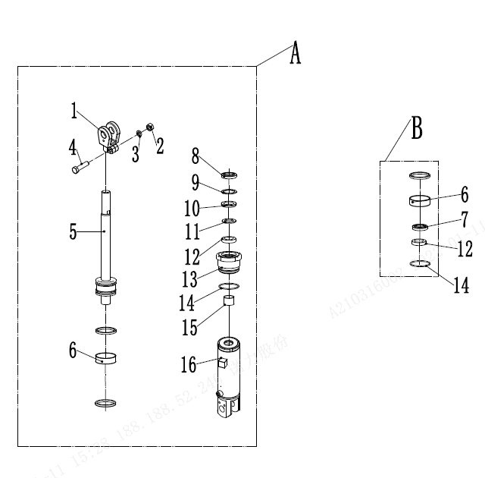
 | A | 256720510003 | 油缸(TL)Φ70xΦ32x67(3/6) | Oil cylinder(TL)Φ70xΦ32x67(3/6) | 1 | 5000＜H,Left
 | A | 256720510005 | 油缸(TR)Φ70xΦ32x118(6/10) | Oil cylinder(TR)Φ70xΦ32x118(6/10) | 1 | H≤3700,Right
 | A | 256720510006 | 油缸(TR)Φ70xΦ32x88.5(6/6) | Oil cylinder(TR)Φ70xΦ32x88.5(6/6) | 1 | 3700＜H≤5000,Right
 | A | 256720510007 | 油缸(TR)Φ70xΦ32x67(3/6) | Oil cylinder(TR)Φ70xΦ32x67(3/6) | 1 | 5000＜H,Right
 | B | 256198510006 | 密封件修理包(倾斜缸) | Seal kits (tlited cylinder) | 2
 | 1 | ▲ | 耳环 | Earring | 2
 | 2 | ▲ | 螺母M14 | NutM14 | 2
 | 3 | ▲ | 垫圈14 | Washer14 | 2
 | 4 | ▲ | 螺栓M14x55 | BoltM14x55 | 2
 | 5 | ▲ | 活塞杆 | Piston rod | 1
 | 6 | ▲ | 支承环D63x20x2.5 | Support ring D60x20x2.5 | 2
 | 7 | ▲ | Yx型密封圈D63X60X6 | Yx seal ring D63x60x6 | 2
 | 8 | ▲ | 防尘圈 | Dust ring | 2
 | 9 | ▲ | 挡圈47 | Circlip 47 | 2
 | 10 | ▲ | 挡圈 | Circlip | 2
 | 11 | ▲ | 挡片48x30x3 | Catch 48x30x3 | 2
 | 12 | ▲ | U型密封圈 | Useal ring 48x30x10 | 2
 | 13 | ▲ | 导向套 | Guide sleeve | 2
 | 14 | ▲ | O型密封圈63x3.1 | O seal ring 63x3.1 | 2
 | 15 | ▲ | 钢背轴承3025 | Bearing 3025 | 2
 | 16 | ▲ | 缸筒总成 | Cylinder barrel assembly | 2

 |  |  |  |  |  | €34.00

256798501038门架(标准门架25-28Q)/MAST(stand mast25-28Q）
 | 序号/NO | 编码/SN | 名称 | Name | 数量/QTY | 备注/Remark
 | 1 | 255038020008 | 调整套 | Adjusting sleeve | 4
 | 2 | 255038020009 | 调整垫 | Adjustable pad | 8
 | 3 | 940200200005 | 侧滚轮Φ42-CD=68 | Side rollerΦ42 - CD = 68 | 2
 | 4 | 910400100007 | 平垫圈GB97.1-10-200HV | Washer GB97.1-10-200HV | 8
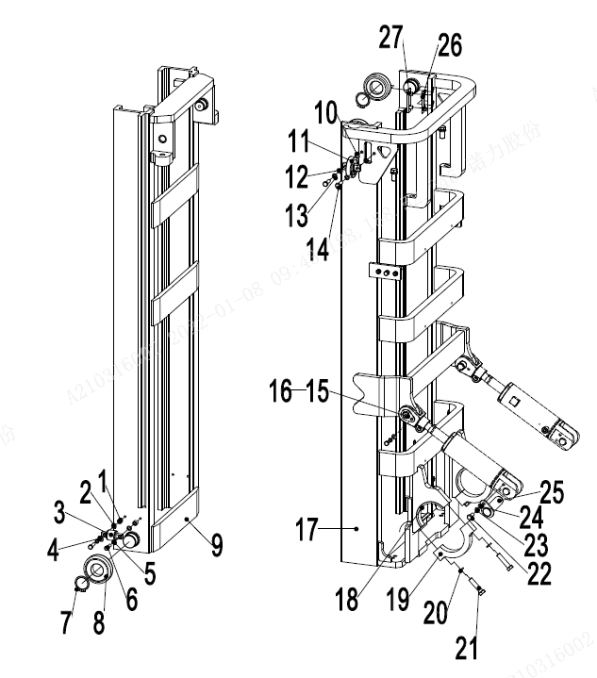
 | 5 | 910400500007 | 弹簧垫圈GB93-10 | Spring washer GB93-10 | 8
 | 6 | 910100300039 | 螺栓GB5783-M10x40-8.8 | Bolt GB5783 M10x40-8.8 | 4
 | 7 | 910401300020 | 轴用弹性挡圈GB894.1-40 | Elastic retaining ring GB894.1-40 for shaft | 4
 | 8 | 940200100020 | 主滚轮Φ119.2xΦ55x34 | Roller Φ119.2xΦ55x34 | 4
 | 8 | 940200100021 | 主滚轮Φ119.6xΦ55x34 | Roller Φ119.6xΦ55x34 | 4
 | 8 | 940200100022 | 主滚轮Φ120xΦ55x34 | Roller Φ120xΦ55x34 | 4
 | 9 | 256744012001 | 内门架焊合(2000) | Mast (2000) | 1 | 25Q
 | 9 | 256744012002 | 内门架焊合(2500） | Mast (2500) | 1 | 25Q
 | 9 | 256744012003 | 内门架焊合(3000） | Mast (3000) | 1 | 25Q
 | 9 | 256744012004 | 内门架焊合(3300） | Mast (3300) | 1 | 25Q
 | 9 | 256744012005 | 内门架焊合(3500） | Mast (3500) | 1 | 25Q
 | 9 | 256744012006 | 内门架焊合(3600） | Mast (3600) | 1 | 25Q
 | 9 | 256744012007 | 内门架焊合(3700） | Mast (3700) | 1 | 25Q
 | 9 | 256744012008 | 内门架焊合(4000） | Mast (4000) | 1 | 25Q
 | 9 | 256744012009 | 内门架焊合(4300） | Mast (4300) | 1 | 25Q
 | 9 | 256744012010 | 内门架焊合(4500） | Mast (4500) | 1 | 25Q
 | 9 | 256744012011 | 内门架焊合(5000） | Mast (5000) | 1 | 25Q
 | 9 | 256744012012 | 内门架焊合(5500） | Mast (5500) | 1 | 25Q
 | 9 | 256744012013 | 内门架焊合(6000） | Mast (6000) | 1 | 25Q
 | 9 | 256844012001 | 内门架焊合(2000) | Mast (2000) | 1 | 28Q
 | 9 | 256844012002 | 内门架焊合(2500） | Mast (2500) | 1 | 28Q
 | 9 | 256844012003 | 内门架焊合(3000） | Mast (3000) | 1 | 28Q
 | 9 | 256844012004 | 内门架焊合(3300） | Mast (3300) | 1 | 28Q
 | 9 | 256844012005 | 内门架焊合(3500） | Mast (3500) | 1 | 28Q
 | 9 | 256844012006 | 内门架焊合(3600） | Mast (3600) | 1 | 28Q
 | 9 | 256844012007 | 内门架焊合(3700） | Mast (3700) | 1 | 28Q
 | 9 | 256844012008 | 内门架焊合(4000） | Mast (4000) | 1 | 28Q
 | 9 | 256844012009 | 内门架焊合(4300） | Mast (4300) | 1 | 28Q
 |  |  |  |  |  | €35.00

256798501038门架(标准门架25-28Q)/MAST(stand mast25-28Q）
 | 序号/NO | 编码/SN | 名称 | Name | 数量/QTY | 备注/Remark
 | 9 | 256844012010 | 内门架焊合(4500） | Mast (4500) | 1 | 28Q
 | 9 | 256844012011 | 内门架焊合(5000） | Mast (5000) | 1 | 28Q
 | 9 | 256844012012 | 内门架焊合(5500） | Mast (5500) | 1 | 28Q
 | 9 | 256844012013 | 内门架焊合(6000） | Mast (6000) | 1 | 28Q
 | 10 | 255038020009 | 调整垫 | Adjustable pad | 4
 | 11 | 940200200002 | 侧滚轮Φ87-CD=55 | Side roller Φ87-CD=55 | 2
 | 12 | 910400100008 | 平垫圈GB97.1-12-200HV | Washer GB97.1-12-200HV | 4
 | 13 | 910400500008 | 弹簧垫圈GB93-12 | Washer GB93-12 | 6
 | 14 | 910100300050 | 螺栓GB5783-M12x30-8.8 | Bolt GB5783-M12x30-8.8 | 4
 | 15 | 256844510001 | 带耳轴Φ30x94 | AxleΦ30x94 | 2
 | 16 | 272344021080 | 耐磨套Φ30xΦ38x25 | the wear-proof casing | 2
 | 17 | 256744011001 | 外门架焊合(2000) | Mast (2000) | 1
 | 17 | 256744011002 | 外门架焊合(2500) | Mast (2500) | 1
 | 17 | 256744011003 | 外门架焊合(3000) | Mast (3000) | 1
 | 17 | 256744011004 | 外门架焊合(3300) | Mast (3300) | 1
 | 17 | 256744011005 | 外门架焊合(3500) | Mast (3500) | 1
 | 17 | 256744011006 | 外门架焊合(3600) | Mast (3600) | 1
 | 17 | 256744011007 | 外门架焊合(3700) | Mast (3700) | 1
 | 17 | 256744011008 | 外门架焊合(4000) | Mast (4000) | 1
 | 17 | 256744011009 | 外门架焊合(4300) | Mast (4300) | 1
 | 17 | 256744011010 | 外门架焊合(4500) | Mast (4500) | 1
 | 17 | 256744011011 | 外门架焊合(5000) | Mast (5000) | 1
 | 17 | 256744011012 | 外门架焊合(5500) | Mast (5500) | 1
 | 17 | 256744011013 | 外门架焊合(6000) | Mast (6000) | 1
 | 18 | 254144020063 | 轴瓦 | Bearing bush | 2
 | 19 | 255044020005 | 支座盖 | Bearing cover | 2
 | 20 | 910400500010 | 弹簧垫圈GB93-16 | Washer GB93-16 | 6
 | 21 | 910100200016 | 螺栓GB5785-M16x1.5x70-8.8 | Bolt GB5785-M16x1.5x70-8.8 | 4
 | 22 | 910100300035 | 螺栓GB5783-M10x20-8.8 | Bolt GB5783-M10x20-8.8 | 4
 | 23 | 910400100007 | 平垫圈GB97.1-10-200HV | Washer GB97.1-10-200HV | 8
 | 24 | 910400500007 | 弹簧垫圈GB93-10 | Washer GB93-10 | 8
 | 25 | 255044010057 | 带耳轴Φ30x82 | AxleΦ30x82 | 2
 |  |  |  |  |  | €36.00

256798501038门架(标准门架25-28Q)/MAST(stand mast25-28Q）
 | 序号/NO | 编码/SN | 名称 | Name | 数量/QTY | 备注/Remark
 | 26 | 255044020132 | 调整垫片t=0.8 | Adjusting pad t=0.8 | 2
 | 26 | 255044020133 | 调整垫片t=0.5 | Adjusting pad t=0.5 | 2
 | 26 | 255044020134 | 调整垫片t=0.2 | Adjusting pad t=0.2 | 2
 | 27 | 255044020131 | 垫板 | Base plate | 2

 |  |  |  |  |  | €37.00

256898501039门架(标准门架30-35Q)/MAST(stand mast30-35Q）
 | 序号/NO | 编码/SN | 名称 | Name | 数量/QTY | 备注/Remark
 | 1 | 255038020008 | 调整套 | Adjusting sleeve | 4
 | 2 | 255038020009 | 调整垫 | Adjustable pad | 8
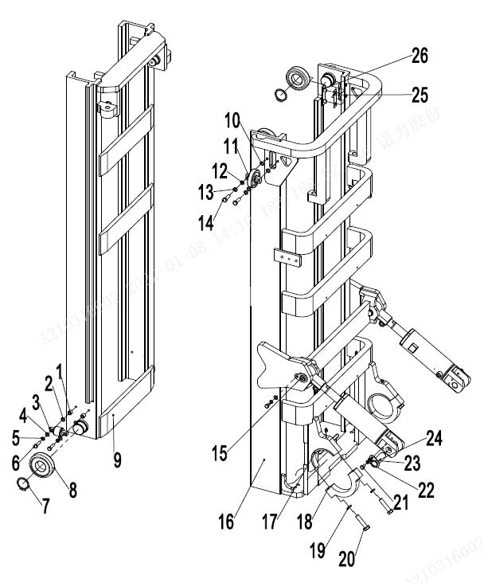
 | 3 | 940200200005 | 侧滚轮Φ42-CD=68 | Side rollerΦ42 - CD = 68 | 2
 | 4 | 910400100007 | 平垫圈GB97.1-10-200HV | Washer GB97.1-10-200HV | 8
 | 5 | 910400500007 | 弹簧垫圈GB93-10 | Spring washer GB93-10 | 8
 | 6 | 910100300039 | 螺栓GB5783-M10x40-8.8 | Bolt GB5783 M10x40-8.8 | 4
 | 7 | 910401300020 | 轴用弹性挡圈GB894.1-40 | Elastic retaining ring GB894.1-40 for shaft | 4
 | 8 | 940200100020 | 主滚轮Φ119.2xΦ55x34 | Roller Φ119.2xΦ55x34 | 4
 | 8 | 940200100021 | 主滚轮Φ119.6xΦ55x34 | Roller Φ119.6xΦ55x34 | 4
 | 8 | 940200100022 | 主滚轮Φ120xΦ55x34 | Roller Φ120xΦ55x34 | 4
 | 9 | 256844012001 | 内门架焊合(2000) | Inner Mast (2000) | 1 | 30Q
 | 9 | 256844012002 | 内门架焊合(2500） | Inner Mast (2500) | 1 | 30Q
 | 9 | 256844012003 | 内门架焊合(3000） | Inner Mast (3000) | 1 | 30Q
 | 9 | 256844012004 | 内门架焊合(3300） | Inner Mast (3300) | 1 | 30Q
 | 9 | 256844012005 | 内门架焊合(3500） | Inner Mast (3500) | 1 | 30Q
 | 9 | 256844012006 | 内门架焊合(3600） | Inner Mast (3600) | 1 | 30Q
 | 9 | 256844012007 | 内门架焊合(3700） | Inner Mast (3700) | 1 | 30Q
 | 9 | 256844012008 | 内门架焊合(4000） | Inner Mast (4000) | 1 | 30Q
 | 9 | 256844012009 | 内门架焊合(4300） | Inner Mast (4300) | 1 | 30Q
 | 9 | 256844012010 | 内门架焊合(4500） | Inner Mast (4500) | 1 | 30Q
 | 9 | 256844012011 | 内门架焊合(5000） | Inner Mast (5000) | 1 | 30Q
 | 9 | 256844012012 | 内门架焊合(5500） | Inner Mast (5500) | 1 | 30Q
 | 9 | 256844012013 | 内门架焊合(6000） | Inner Mast (6000) | 1 | 30Q
 | 9 | 256844012051 | 内门架焊合(2000) | Inner mast(2000) | 1 | 35Q
 | 9 | 256844012052 | 内门架焊合(2500) | Inner mast(2500) | 1 | 35Q
 | 9 | 256844012053 | 内门架焊合(3000) | Inner mast(2700) | 1 | 35Q
 | 9 | 256844012054 | 内门架焊合(3300) | Inner mast(3000) | 1 | 35Q
 | 9 | 256844012055 | 内门架焊合(3500) | Inner mast(3300) | 1 | 35Q
 | 9 | 256844012056 | 内门架焊合(3600) | Inner mast(3500) | 1 | 35Q
 | 9 | 256844012057 | 内门架焊合(3700) | Inner mast(3700) | 1 | 35Q
 | 9 | 256844012058 | 内门架焊合(4000) | Inner mast(4000) | 1 | 35Q
 | 9 | 256844012059 | 内门架焊合(4300) | Inner mast(4300) | 1 | 35Q
 |  |  |  |  |  | €38.00

256898501039门架(标准门架30-35Q)/MAST(stand mast30-35Q）
 | 序号/NO | 编码/SN | 名称 | Name | 数量/QTY | 备注/Remark
 | 9 | 256844012060 | 内门架焊合(4500) | Inner mast(4500) | 1 | 35Q
 | 9 | 256844012061 | 内门架焊合(5000) | Inner mast(5000) | 1 | 35Q
 | 9 | 256844012062 | 内门架焊合(5500) | Inner mast(5500) | 1 | 35Q
 | 9 | 256844012063 | 内门架焊合(6000) | Inner mast(6000) | 1 | 35Q
 | 10 | 255038020009 | 调整垫 | Adjustable pad | 4
 | 11 | 940200200002 | 侧滚轮Φ87-CD=55 | Side roller Φ87-CD=55 | 2
 | 12 | 910400100008 | 平垫圈GB97.1-12-200HV | Washer GB97.1-12-200HV | 4
 | 13 | 910400500008 | 弹簧垫圈GB93-12 | Washer GB93-12 | 6
 | 14 | 910100300050 | 螺栓GB5783-M12x30-8.8 | Bolt GB5783-M12x30-8.8 | 4
 | 15 | 256844510001 | 带耳轴Φ30x94 | Outer mast(3600) | 1 | 30Q
 | 16 | 256844011001 | 外门架焊合(2000) | Outer mast(2000) | 1 | 30Q
 | 16 | 256844011002 | 外门架焊合(2500) | Outer mast(2500) | 1 | 30Q
 | 16 | 256844011003 | 外门架焊合(3000) | Outer mast(3000) | 1 | 30Q
 | 16 | 256844011004 | 外门架焊合(3300) | Outer mast(3300) | 1 | 30Q
 | 16 | 256844011005 | 外门架焊合(3500) | Outer mast(3500) | 1 | 30Q
 | 16 | 256844011006 | 外门架焊合(3600) | Outer mast(3600) | 1 | 30Q
 | 16 | 256844011007 | 外门架焊合(3700) | Outer mast(3600) | 1 | 30Q
 | 16 | 256844011008 | 外门架焊合(4000) | Outer mast(4000) | 1 | 30Q
 | 16 | 256844011009 | 外门架焊合(4300) | Outer mast(4300) | 1 | 30Q
 | 16 | 256844011010 | 外门架焊合(4500) | Outer mast(4500) | 1 | 30Q
 | 16 | 256844011011 | 外门架焊合(5000) | Outer mast(5000) | 1 | 30Q
 | 16 | 256844011012 | 外门架焊合(5500) | Outer mast(5500) | 1 | 30Q
 | 16 | 256844011013 | 外门架焊合(6000) | Outer mast(6000) | 1 | 30Q
 | 16 | 256844011051 | 外门架焊合(2000) | Outer mast(2000) | 1 | 35Q
 | 16 | 256844011052 | 外门架焊合(2500) | Outer mast(2500) | 1 | 35Q
 | 16 | 256844011053 | 外门架焊合(3000) | Outer mast(3000) | 1 | 35Q
 | 16 | 256844011054 | 外门架焊合(3300) | Outer mast(3300) | 1 | 35Q
 | 16 | 256844011055 | 外门架焊合(3500) | Outer mast(3500) | 1 | 35Q
 | 16 | 256844011056 | 外门架焊合(3600) | Outer mast(3600) | 1 | 35Q
 | 16 | 256844011057 | 外门架焊合(3700) | Outer mast(3600) | 1 | 35Q
 | 16 | 256844011058 | 外门架焊合(4000) | Outer mast(4000) | 1 | 35Q
 | 16 | 256844011059 | 外门架焊合(4300) | Outer mast(4300) | 1 | 35Q
 |  |  |  |  |  | €39.00

256898501039门架(标准门架30-35Q)/MAST(stand mast30-35Q）
 | 序号/NO | 编码/SN | 名称 | Name | 数量/QTY | 备注/Remark
 | 16 | 256844011060 | 外门架焊合(4500) | Outer mast(4500) | 1 | 35Q
 | 16 | 256844011061 | 外门架焊合(5000) | Outer mast(5000) | 1 | 35Q
 | 16 | 256844011062 | 外门架焊合(5500) | Outer mast(5500) | 1 | 35Q
 | 16 | 256844011063 | 外门架焊合(6000) | Outer mast(6000) | 1 | 35Q
 | 17 | 254144020063 | 轴瓦 | Bearing bush | 2
 | 18 | 255044020005 | 支座盖 | Bearing cover | 2
 | 19 | 910400500010 | 弹簧垫圈GB93-16 | Washer GB93-16 | 6
 | 20 | 910100200016 | 螺栓GB5785-M16x1.5x70-8.8 | Bolt GB5785-M16x1.5x70-8.8 | 4
 | 21 | 910100300035 | 螺栓GB5783-M10x20-8.8 | Bolt GB5783-M10x20-8.8 | 4
 | 22 | 910400100007 | 平垫圈GB97.1-10-200HV | Washer GB97.1-10-200HV | 8
 | 23 | 910400500007 | 弹簧垫圈GB93-10 | Washer GB93-10 | 8
 | 24 | 255044010057 | 带耳轴Φ30x82 | AxleΦ30x82 | 2
 | 25 | 255044020132 | 调整垫片t=0.8 | Adjusting pad t=0.8 | 2
 | 25 | 255044020133 | 调整垫片t=0.5 | Adjusting pad t=0.5 | 2
 | 25 | 255044020134 | 调整垫片t=0.2 | Adjusting pad t=0.2 | 2
 | 26 | 255044020131 | 垫板 | Base plate | 2

 |  |  |  |  |  | €40.00

256898501040货叉架(标准门架)/FORK ARM CARRIER(stand mast)
 | 序号/NO | 编码/SN | 名称 | Name | 数量/QTY | 备注/Remark
 | 1 | 253540510001 | 挡货架焊合(1100x10800) | Load backrest welding | 1 | 28-35Q
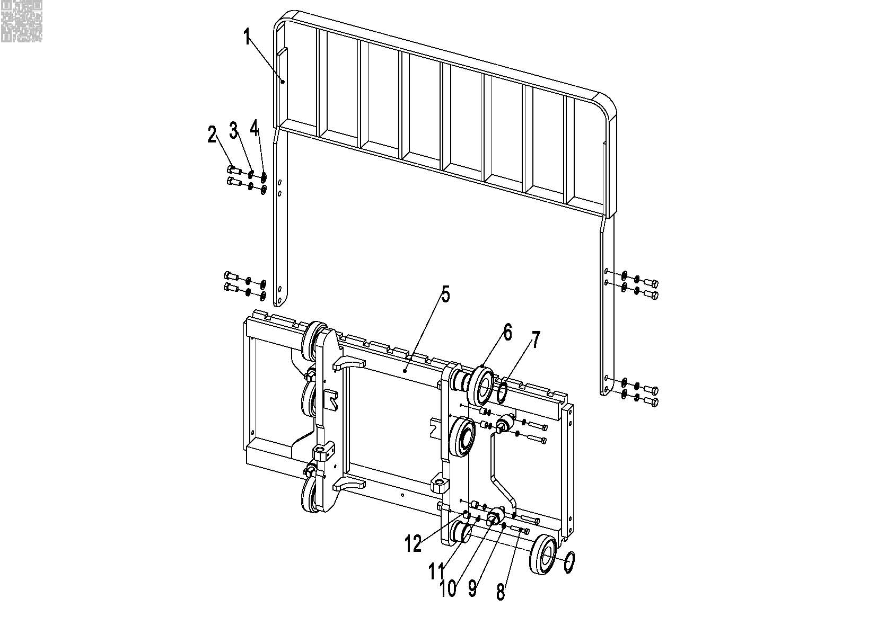
 | 1 | 256840511001 | 挡货架焊合1100X1200 | Load backrest welding 1100X1200 | 1
 | 1 | 255040510001 | 挡货架焊合(1040x986) | Load backrest welding (1040x986) | 1 | 25Q
 | 1 | 255040510002 | 挡货架焊合(1040X1300) | Load backrest welding 1040X1300 | 1
 | 1 | 255040510003 | 挡货架焊合(1040X1600) | Load backrest welding (1040x1600) | 1
 | 1 | 251140510001 | 挡货架焊合(1040x1635) | Load backrest welding (1040x1635) | 1
 | 1 | 252140510101 | 挡货架焊合(1040×1000) | Load backrest welding (1040x1000) | 1
 | 2 | 910100300062 | 螺栓GB5783-M14x30-8.8 | Bolt GB5783-M14x30-8.8 | 4
 | 3 | 910400500009 | 弹簧垫圈GB93-14 | Washer GB93-14 | 4
 | 4 | 910400100009 | 平垫圈GB97.1-14-200HV | Washer GB97.1-14-200HV | 4
 | 5 | 256738010001 | 货叉架焊合(标准门架） | Fork carrier weldind（standard mast） | 1 | 25Q
 | 5 | 256838011001 | 货叉架焊合(标准门架） | Fork carrier weldind（standard mast） | 1 | 28-30Q
 | 5 | 256838011051 | 货叉架焊合(标准门架35） | Fork carrier weldind（standard mast 35） | 1 | 35Q
 | 6 | 940200100020 | 主滚轮Φ119.2xΦ55x34 | Main roller φ119.2xφ55x34 | 6 | 选装
 | 6 | 940200100021 | 主滚轮Φ119.6xΦ55x34 | Main roller φ119.6xφ55x34 | 6 | 选装
 | 6 | 940200100022 | 主滚轮Φ120xΦ55x34 | Main roller φ120xφ55x34 | 6 | 选装
 | 7 | 910401300026 | 轴用弹性挡圈GB894.1-55 | Circlip GB894.1-55 | 6
 | 8 | 910100300042 | 螺栓GB5783-M10x60-8.8 | Bolt GB5783-M10x60-8.8 | 8
 | 9 | 910400500007 | 弹簧垫圈GB93-10 | Washer GB93-10 | 8
 | 10 | 940200200005 | 侧滚轮Φ42-CD=68 | Side roller Φ 42 - CD = 68 | 4
 | 11 | 255038020009 | 调整垫 | Adjustable pad | 24
 | 12 | 255038020008 | 调整套 | Adjusting sleeve | 8

 |  |  |  |  |  | €41.00

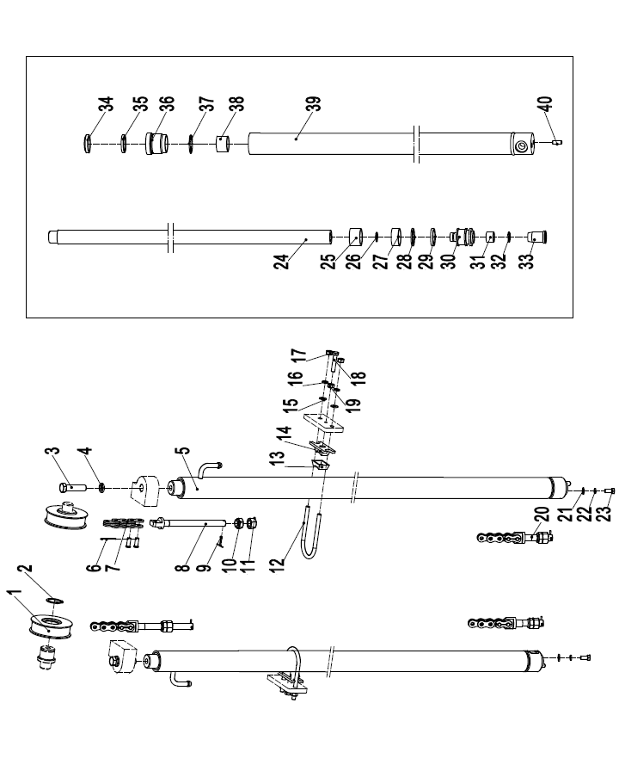
256898501041起升油缸（标准门架)/LIFTING CYLINDER（stand mast）
 | 序号/NO | 编码/SN | 名称 | Name | 数量/QTY | 备注/Remark
 | 1 | 940200500005 | 链轮轴承780708K-φ110xφ40x27 | Chain wheel bearing780708K-φ110xφ40x27 | 2
 | 2 | 910401300020 | 轴用弹性挡圈GB894.1-40 | Circlip GB894.1-40 | 2
 | 3 | 910400500010 | 弹簧垫圈GB93-16 | Washer GB93-16 | 4
 | 4 | 910100400029 | 螺栓GB5786-M16x1.5x40-8.8 | Bolt GB5786-M16x1.5x40-8.8 | 2
 | 5 | 255044010043 | 油缸(H=2000) | Cylinder Φ56xΦ45x995(H=2000) | 2 | 25Q
 | 5 | 255044010044 | 油缸(H=2500) | Cylinder Φ56xΦ45x1245(H=2500) | 2
 | 5 | 255044010055 | 油缸(H=3000) | Cylinder Φ56xΦ45x1495(H=3000) | 2
 | 5 | 255044010045 | 油缸(H=3300) | Cylinder Φ56xΦ45x1645(H=3300) | 2
 | 5 | 255044010046 | 油缸(H=3500) | Cylinder Φ56xΦ45x1745(H=3500) | 2
 | 5 | 255044010047 | 油缸(H=3600) | Cylinder Φ56xΦ45x1795(H=3600) | 2
 | 5 | 255044010048 | 油缸(H=3700) | Cylinder Φ56xΦ45x1845(H=3700) | 2
 | 5 | 255044010049 | 油缸(H=4000) | Cylinder Φ56xΦ45x2045(H=4000) | 2
 | 5 | 255044010050 | 油缸(H=4300) | Cylinder Φ56xΦ45x2195(H=4300) | 2
 | 5 | 255044010051 | 油缸(H=4500) | Cylinder Φ56xΦ45x2295(H=4500) | 2
 | 5 | 255044010052 | 油缸(H=5000) | Cylinder Φ56xΦ45x2595(H=5000) | 2
 | 5 | 255044010053 | 油缸(H=5500) | Cylinder Φ56xΦ45x2845(H=5500) | 2
 | 5 | 255044010054 | 油缸(H=6000) | Cylinder Φ56xΦ45x3095(H=6000) | 2
 | 5 | 256044016001 | 油缸(H=2000) | Cylinder Φ56xΦ45x995(H=2000) | 2 | 28Q/30Q/35Q
 | 5 | 256044016002 | 油缸(H=2500) | Cylinder Φ56xΦ45x1245(H=2500) | 2
 | 5 | 256044016003 | 油缸(H=3000) | Cylinder Φ56xΦ45x1495(H=3000) | 2
 | 5 | 256044016004 | 油缸(H=3300) | Cylinder Φ56xΦ45x1645(H=3300) | 2
 | 5 | 256044016005 | 油缸(H=3500) | Cylinder Φ56xΦ45x1745(H=3500) | 2
 | 5 | 256044016006 | 油缸(H=3600) | Cylinder Φ56xΦ45x1825(H=3600) | 2
 | 5 | 256044016007 | 油缸(H=3700) | Cylinder Φ56xΦ45x1845(H=3700) | 2
 | 5 | 256044016008 | 油缸(H=4000) | Cylinder Φ56xΦ45x1995(H=4000) | 2
 | 5 | 256044016009 | 油缸(H=4300) | Cylinder Φ56xΦ45x2120(H=4300) | 2
 | 5 | 256044016010 | 油缸(H=4500) | Cylinder Φ56xΦ45x2245(H=4500) | 2
 | 5 | 256044016011 | 油缸(H=5000) | Cylinder Φ56xΦ45x2495(H=5000) | 2
 | 5 | 256044016012 | 油缸(H=5500) | Cylinder Φ56xΦ45x2745(H=5500) | 2
 | 5 | 256044016013 | 油缸(H=6000) | Cylinder Φ56xΦ45x2995(H=6000) | 2
 | 6 | 910600600022 | 开口销GB91-2.5x40 | Split pin 2.5x40 | 2
 | 7 | 910900400014 | 板式链GB6074-LH1623 | LH1623 chain | 2 | 25Q/28Q/30Q
 |  |  |  |  |  | €42.00

256898501041起升油缸（标准门架）/LIFTING PIPE（stand mast）
 | 序号/NO | 编码/SN | 名称 | Name | 数量/QTY | 备注/Remark
 | 7 | 910900400015 | 板式链GB6074-LH1634 | LH1634 chain | 2 | 35Q
 | 8 | 255044020157 | 链条螺栓M18x1.5x217 | Joint | 2 | 25Q/28Q/30Q
 | 8 | 254044020062 | 链条螺栓M20x1.5x224 | Joint | 2 | 35Q
 | 9 | 910300600030 | 开口销GB91-3.2x30 | Split pin 3.2x30 | 2
 | 10 | 255044020158 | 球面螺母M18x1.5 | Nut M18x1.5 | 2 | 25Q/28Q/30Q
 | 10 | 910300800002 | 螺母GB812-M20x1.5 | Nut M20x1.5 | 2 | 35Q
 | 11 | 910300400007 | 螺母GB6173-M18x1.5-05 | Nut M18x1.5 | 2 | 25Q/28Q/30Q
 | 11 | 255013520002 | 螺母M20x1.5 | Nut M20x1.5 | 2 | 35Q
 | 12 | 255044020128 | U形螺栓Φ68 | Fixing ring | 2
 | 13 | 255044020129 | 防护罩 | Rubber bushing | 2
 | 14 | 255044020130 | 固定座（油缸） | Fixing seat | 2
 | 15 | 910400100007 | 平垫圈GB97.1-16-200HV | Washer GB97.1-16-200HV | 4
 | 16 | 910400500007 | 弹簧垫圈GB93-10 | Washer GB93-10 | 4
 | 17 | 910300200002 | 螺母GB6171-M10x1.25-10 | Nut GB6171-M10x1.25-10 | 4
 | 18 | 910100300041 | 螺栓GB5783-M10x50-8.8 | Bolt GB5783-M10x50-8.8 | 2
 | 19 | 910300100007 | 螺母GB6170-M10-10 | Nut GB6170-M10-10 | 2
 | 20 | 255044020156 | 链条螺栓M18x1.5x102 | Joint | 2 | 25Q/28Q/30Q
 | 20 | 254044020064 | 链条螺栓M20x1.5x124 | Joint | 2 | 35Q
 | 21 | 910400100008 | 平垫圈GB97.1-12-200HV | Washer GB97.1-12-200HV | 2
 | 22 | 910400500008 | 弹簧垫圈GB93-12 | Washer GB93-12 | 2
 | 23 | 910100400009 | 螺栓GB5786-M12x1.25x25-8.8 | Bolt GB5786-M12x1.25x25-8.8 | 2
 | 24 | ▲ | 活塞杆 | Piston rod | 1
 | 25 | ▲ | 调整套40.5x49xL2 | Adjusting bushing 40.5x49xL2 | 1
 | 26 | ▲ | 钢丝挡圈 | Circlip | 1
 | 27 | ▲ | 支承环56x20x2.5 | Bearing 50x20x2.5 | 1
 | 28 | ▲ | 挡片56x45x3 | Catch 50x40x3 | 1
 | 29 | ▲ | 孔用密封圈 | Seal ring 50x40x6 | 1
 | 30 | ▲ | 活塞 | Piston rod | 1
 | 31 | ▲ | 铜套 | Copper bushing | 1
 | 32 | ▲ | 钢丝挡圈 | Circlip | 1
 | 33 | ▲ | 缓冲环 | Buffering ring | 1
 | 34 | ▲ | 防尘圈 | Dust ringDKB40x52x7/10 | 1
 |  |  |  |  |  | €43.00

256898501041起升油缸（标准门架）/LIFTING PIPE（stand mast）
 | 序号/NO | 编码/SN | 名称 | Name | 数量/QTY | 备注/Remark
 | 35 | ▲ | 轴用密封圈 | Seal ring 40x50x6 | 1
 | 36 | ▲ | 导向套 | Guide sleeve | 1
 | 37 | ▲ | O型密封圈 | O ring 49.7x2.4 | 1
 | 38 | ▲ | 钢背轴承4530 | Bearing 4030 | 1
 | 39 | ▲ | 缸体 | Cylinder | 1
 | 40 | ▲ | 圆柱销D10x26 | Dowel pin | 1
 | 41 | 256098510001 | 密封件修理包(标准门架起升缸) | Seal kits(standard mast lifting cylinder) | 2 | 包含/Inc. 27.29.34.35.37
 | A | 255043510139 | 起升链条LH1623-79/H=3000 | Lifting chain LH1623-77 | 2 | 25Q/28Q/30Q
 |  | 255044510133 | 起升链条LH1623-59/H=2000 | Lifting chain LH1623-57 | 2
 |  | 255043510085 | 起升链条LH1623-69/H=2500 | Lifting chain LH1623-67 | 2
 |  | 255044510140 | 起升链条LH1623-85/H=3300 | Lifting chain LH1623-83 | 2
 |  | 255043510088 | 起升链条LH1623-89/H=3500 | Lifting chain LH1623-87 | 2
 |  | 255044010107 | 起升链条LH1623-91/H=3600 | Lifting chain LH1623-89 | 2
 |  | 253543510066 | 起升链条LH1623-93/H=3700 | Lifting chain LH1623-91 | 2
 |  | 255043510107 | 起升链条LH1623-101/H=4000 | Lifting chain LH1623-99 | 2
 |  | 253544510027 | 起升链条LH1623-107/H=4300 | Lifting chain LH1623-105 | 2
 |  | 255043510090 | 起升链条LH1623-111/H=4500 | Lifting chain LH1623-109 | 2
 |  | 253511010064 | 起升链条LH1623-121/H=5000 | Lifting chain LH1623-121 | 2
 |  | 256044014001 | 起升链条LH1623-133/H=5500 | Lifting chain LH1623-131 | 2
 |  | 256044014002 | 起升链条LH1623-143/H=6000 | Lifting chain LH1623-141 | 2
 | A | 263044510025 | 起升链条LH1634-59/H=2000 | Lifting chain LH1634-59 | 2 | 35Q
 |  | 256144014001 | 起升链条LH1634-69/H=2500 | Lifting chain LH1634-69 | 2
 |  | 263044010042 | 起升链条LH1634-79/H=3000 | Lifting chain LH1634-79 | 2
 |  | 263043510065 | 起升链条LH1634-85/H=3300 | Lifting chain LH1634-85 | 2
 |  | 263044510006 | 起升链条LH1634-89/H=3500 | Lifting chain LH1634-89 | 2
 |  | 254044010057 | 起升链条LH1634-91/H=3600 | Lifting chain LH1634-91 | 2
 |  | 254044010058 | 起升链条LH1634-93/H=3700 | Lifting chain LH1634-93 | 2
 |  | 254044510027 | 起升链条LH1634-101/H=4000 | Lifting chain LH1634-101 | 2
 |  | 263044510008 | 起升链条LH1634-107/H=4300 | Lifting chain LH1634-107 | 2
 |  | 254044010061 | 起升链条LH1634-111/H=4500 | Lifting chain LH1634-111 | 2
 |  | 256144014002 | 起升链条LH1634-121/H=5000 | Lifting chain LH1634-121 | 2
 |  | 256144014003 | 起升链条LH1634-133/H=5500 | Lifting chain LH1634-133 | 2
 |  |  |  |  |  | €44.00

256898501041起升油缸（标准门架）/LIFTING PIPE（stand mast）
 | 序号/NO | 编码/SN | 名称 | Name | 数量/QTY | 备注/Remark
 | A | 256144014004 | 起升链条LH1634-143/H=6000 | Lifting chain LH1634-143 | 2 | 35Q

 |  |  |  |  |  | €45.00

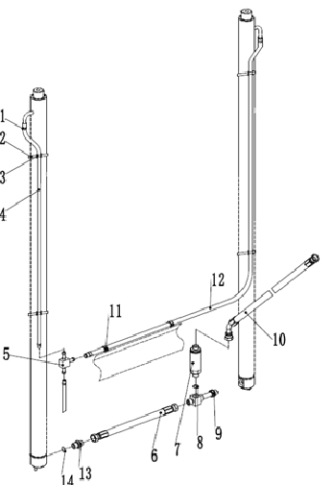
256898501042门架起升管路（标准门架）/SINGLE ADDITIONAL TUBE(stand mast)
 | 序号/NO | 编码/SN | 名称 | Name | 数量/QTY | 备注/Remark
 | 1 | 255044020043 | 卡箍 | Hoop | 1
 | 2 | 921600400001 | 扎带4x250 | Strip 4x250 | 1
 | 3 | 255044020042 | 压板 | Press plate | 1
 | 4 | ▲ | 回油管1L=620 | Oil return hose1L=620 | 2 | H=2000
 | 4 | ▲ | 回油管1L=870 | Oil return hose1L=870 | 2 | H=2500
 | 4 | ▲ | 回油管1L=1120 | Oil return hose1L=1120 | 2 | H=3000
 | 4 | ▲ | 回油管1L=1270 | Oil return hose1L=1270 | 2 | H=3300
 | 4 | ▲ | 回油管1L=1370 | Oil return hose1L=1370 | 2 | H=3500
 | 4 | ▲ | 回油管1L=1420 | Oil return hose1L=1420 | 2 | H=3600
 | 4 | ▲ | 回油管1L=1470 | Oil return hose1L=1470 | 2 | H=3700
 | 4 | ▲ | 回油管1L=1620 | Oil return hose1L=1620 | 2 | H=4000
 | 4 | ▲ | 回油管1L=1770 | Oil return hose1L=1770 | 2 | H=4300
 | 4 | ▲ | 回油管1L=1920 | Oil return hose1L=1920 | 2 | H=4500
 | 4 | ▲ | 回油管1L=2120 | Oil return hose1L=2120 | 2 | H=5000
 | 4 | ▲ | 回油管1L=2370 | Oil return hose1L=2370 | 2 | H=5500
 | 4 | ▲ | 回油管1L=2620 | Oil return hose1L=2620 | 2 | H=6000
 | 5 | 255044020118 | 接头(三通) | Joint | 1
 | 6 | 255044020150 | 液压管总成(直)15-L360-2SC-60° | Hydraulic hose assembly 15-L360-2SC-60° | 1
 | 7 | 950700300003 | 限速阀XSF-F16L-60 | Speed limit valve XSF-F16L-60 | 1
 | 8 | 910800100040 | O形圈-外24x2.4 | Oring 24x2.4 | 1
 | 9 | 255044010040 | 接头(三通) | Joint | 1
 | 10 | 252144029001 | 液压管总成(135°)15-L850-2SC-60° | Hydraulic hose assembly(135°)15-L850-2SC-60° | 1
 | 11 | 921600400003 | 扎带(带扣)P-N156-00646 | Strip P-N156-00646 | 2
 | 12 | ▲ | 回油管2 | Oil return hose2 | 1
 | 13 | 256898520001 | 防爆阀 | explosion-proof valve | 1
 | 14 | 910800100003 | O形圈-内17x2.65 | Oring 17x2.65 | 3

 |  |  |  |  |  | €46.00

256898501043单附加管路(标准门架)SINGLE ADDITIONAL TUBE(stand mast)
 | 序号/NO | 编码/SN | 名称 | Name | 数量/QTY | 备注/Remark
 | 1 | 910100100056 | 螺栓GB5782-M12x90-8.8 | Bolt GB5782-M12x90-8.8 | 1
 | 2 | 910400500008 | 弹簧垫圈GB93-12 | WasherGB93-12 | 1
 | 3 | 910400100008 | 平垫圈GB97.1-12-200HV | Washer GB97.1-12-200HV | 1
 | 4 | 255030520022 | 衬套Φ22xΦ13x56 | Bush Φ22xΦ13x56 | 1
 | 5 | 255030520021 | 滑轮Φ110x27(单槽) | Pulley Φ110x27 | 2
 | 6 | 910200200059 | 螺钉GB70.1-M8x30-8.8 | ScrewGB70.1-M8x30-8.8 | 2
 | 7 | 910400500006 | 弹簧垫圈GB93-8 | Washer GB93-8 | 6
 | 8 | 255028520034 | 胶管固定块 | Rubber pipe lump | 2
 | 9 | 255028520035 | 管夹安装板 | Pipe press fixedly piank | 2
 | 10 | 255029020022 | 液压管总成(90°)10-L3050-1SC-60° | Hydraulic hose assembly （90°）10-L3050-1SC-60° | 2 | H=2000
 | 10 | 254127520004 | 液压管总成(90°)10-L3500-1SC-60° | Hydraulic hose assembly （90°）10-L3500-1SC-60° | 2 | H=2500
 | 10 | 263028520035 | 液压管总成(90°)10-L4150-1SC-60° | Hydraulic hose assembly （90°）10-L4150-1SC-60° | 2 | H=3000
 | 10 | 253528520029 | 液压管总成(90°)10-L4350-1SC-60° | Hydraulic hose assembly （90°）10-L4350-1SC-60° | 2 | H=3300
 | 10 | 255027520001 | 液压管总成(90°)10-L4500-1SC-60° | Hydraulic hose assembly （90°）10-L4500-1SC-60° | 2 | H=3500
 | 10 | 253530520006 | 液压管总成(90°)10-L4700-1SC-60° | Hydraulic hose assembly （90°）10-L4700-1SC-60° | 2 | H=3700
 | 10 | 253528520033 | 液压管总成(90°)10-L5150-1SC-60° | Hydraulic hose assembly （90°）10-L5150-1SC-60° | 2 | H=4000
 | 10 | 256027520001 | 液压管总成(90°)10-L5450-1SC-60° | Hydraulic hose assembly （90°）10-L5450-1SC-60° | 2 | H=4300
 | 10 | 252027520025 | 液压管总成(90°)10-L5600-1SC-60° | Hydraulic hose assembly （90°）10-L5600-1SC-60° | 2 | H=4500
 | 10 | 256027520002 | 液压管总成(90°)10-L6250-1SC-60° | Hydraulic hose assembly （90°）10-L6250-1SC-60° | 2 | H=5000
 | 10 | 256027520003 | 液压管总成(90°)10-L6750-1SC-60° | Hydraulic hose assembly （90°）10-L6750-1SC-60° | 2 | H=5500
 | 10 | 256027520004 | 液压管总成(90°)10-L7250-1SC-60° | Hydraulic hose assembly （90°）10-L7250-1SC-60° | 2 | H=6000
 | 11 | 255029020024 | 接头(锁定弯)8-2xM16x1.5-60° | Joint 8-2XM16x1.5-60° | 2
 | 12 | 254127520001 | 安装板 | fixedly piank | 1
 | 13 | 910400100006 | 平垫圈GB97.1-8-200HV | Washer GB97.1-8-200HV | 2
 | 14 | 910800100001 | O形圈-内9.5x1.8 | Oring 9.5x1.8 | 4
 | 15 | 255042520101 | 液压管总成(90°)10-L500-1SC-60°-0° | Hydraulic hose assembly (90°)10-L500-1SC-60°-0° | 2
 | 16 | 256042510004 | 外置侧移器1100(LH) | Sideshifters(LH) | 1
 | 16 | 253542510001 | 外置侧移器1100(LD) | Sideshifters(LD) | 1
 | 16 | 256042510002 | 侧移器总成(卡斯卡特) | Sideshifters(CASCADE) | 1

 |  |  |  |  |  | €47.00

256898501044双附加管路(标准门架)DOUBLE ADDITIONAL TUBE(stand mast)
 | 序号/NO | 编码/SN | 名称 | Name | 数量/QTY | 备注/Remark
 | 1 | 910400200005 | 大垫圈GB96.1-12-200HV | Big Washer GB96.1-12-200HV | 4
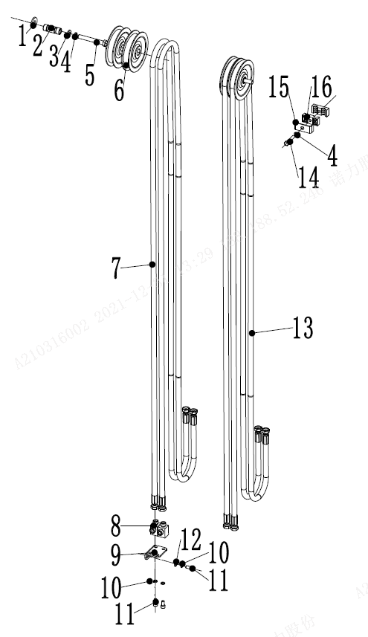
 | 2 | 255030520022 | 衬套Φ22xΦ13x56 | Bush Φ22xΦ13x56 | 2
 | 3 | 910400100008 | 平垫圈GB97.1-12-200HV | washer GB97.1-12-200HV | 2
 | 4 | 910400500008 | 弹簧垫圈GB93-12 | Spring washer GB93-12 | 12
 | 5 | 910100100056 | 螺栓GB5782-M12x90-8.8 | Bolt GB5782-M12x90-8.8 | 2
 | 6 | 255030520021 | 滑轮Φ110x27(单槽 | Pulley Φ110x27 | 4
 | 7 | 255029020022 | 液压管总成(90°)10-L3050-1SC-60° | Hydraulic hose assembly （90°）10-L3050-1SC-60° | 2 | H=2000
 | 7 | 254127520004 | 液压管总成(90°)10-L3500-1SC-60° | Hydraulic hose assembly （90°）10-L3500-1SC-60° | 2 | H=2500
 | 7 | 263028520035 | 液压管总成(90°)10-L4150-1SC-60° | Hydraulic hose assembly （90°）10-L4150-1SC-60° | 2 | H=3000
 | 7 | 253528520029 | 液压管总成(90°)10-L4350-1SC-60° | Hydraulic hose assembly （90°）10-L4350-1SC-60° | 2 | H=3300
 | 7 | 255027520001 | 液压管总成(90°)10-L4500-1SC-60° | Hydraulic hose assembly （90°）10-L4500-1SC-60° | 2 | H=3500
 | 7 | 253530520006 | 液压管总成(90°)10-L4700-1SC-60° | Hydraulic hose assembly （90°）10-L4700-1SC-60° | 2 | H=3700
 | 7 | 253528520033 | 液压管总成(90°)10-L5150-1SC-60° | Hydraulic hose assembly （90°）10-L5150-1SC-60° | 2 | H=4000
 | 7 | 256027520001 | 液压管总成(90°)10-L5450-1SC-60° | Hydraulic hose assembly （90°）10-L5450-1SC-60° | 2 | H=4300
 | 7 | 252027520025 | 液压管总成(90°)10-L5600-1SC-60° | Hydraulic hose assembly （90°）10-L5600-1SC-60° | 2 | H=4500
 | 7 | 256027520002 | 液压管总成(90°)10-L6250-1SC-60° | Hydraulic hose assembly （90°）10-L6250-1SC-60° | 2 | H=5000
 | 7 | 256027520003 | 液压管总成(90°)10-L6750-1SC-60° | Hydraulic hose assembly （90°）10-L6750-1SC-60° | 2 | H=5500
 | 7 | 256027520004 | 液压管总成(90°)10-L7250-1SC-60° | Hydraulic hose assembly （90°）10-L7250-1SC-60° | 2 | H=6000
 | 8 | 255029020024 | 接头(锁定弯)8-2xM16x1.5-60° | Joint 8-2XM16x1.5-60° | 4
 | 9 | 254127520001 | 安装板 | Plate | 2
 | 10 | 910400500006 | 弹簧垫圈GB93-8 | Spring washer GB93-8 | 12
 | 11 | 910200200055 | 螺钉GB70.1-M8x16-8.8 | Screw GB70.1-M8x16-8.8 | 8
 | 12 | 910400100006 | 平垫圈GB97.1-8-200HV | Washer GB97.1-8-200HV | 4
 | 13 | 256028020001 | 液压管总成(直)10-L3400-1SC-60° | Hydraulic hose assembly 10-L3400-1SC-60° | 2 | H=2000
 | 13 | 254131020010 | 液压管总成(直)10-L3850-1SC-60° | Hydraulic hose assembly 10-L3850-1SC-60° | 2 | H=2500
 | 13 | 281227511004 | 液压管总成(直)10-L4500-1SC-60° | Hydraulic hose assembly 10-L4500-1SC-60° | 2 | H=3000
 | 13 | 275227511002 | 液压管总成(直)10-L4700-1SC-60° | Hydraulic hose assembly 10-L4700-1SC-60° | 2 | H=3300
 | 13 | 256028020004 | 液压管总成(直)10-L4850-1SC-60° | Hydraulic hose assembly 10-L4850-1SC-60° | 2 | H=3500
 | 13 | 256028020005 | 液压管总成(直)10-L5050-1SC-60° | Hydraulic hose assembly 10-L5050-1SC-60° | 2 | H=3600/3700
 | 13 | 281227511007 | 液压管总成(直)10-L5500-1SC-60° | Hydraulic hose assembly 10-L5500-1SC-60° | 2 | H=4000
 | 13 | 256028020007 | 液压管总成(直)10-L5800-1SC-60° | Hydraulic hose assembly 10-L5800-1SC-60° | 2 | H=4300
 | 13 | 256028020008 | 液压管总成(直)10-L5950-1SC-60° | Hydraulic hose assembly 10-L5950-1SC-60° | 2 | H=4500
 |  |  |  |  |  | €48.00

256898501044双附加管路(标准门架)DOUBLE ADDITIONAL TUBE(stand mast)
 | 序号/NO | 编码/SN | 名称 | Name | 数量/QTY | 备注/Remark
 | 13 | 256028020009 | 液压管总成(直)10-L6600-1SC-60° | Hydraulic hose assembly 10-L6600-1SC-60° | 2 | H=5000
 | 13 | 256028020010 | 液压管总成(直)10-L7100-1SC-60° | Hydraulic hose assembly 10-L7100-1SC-60° | 2 | H=5500
 | 13 | 256028020011 | 液压管总成(直)10-L7600-1SC-60° | Hydraulic hose assembly 10-L7600-1SC-60° | 2 | H=6000
 | 14 | 910200200059 | 螺钉GB70.1-M8x30-8.8 | Bolt GB70.1-M8x30-8.8 | 2
 | 15 | 255028520035 | 安装板(管夹) | Pipe clamp munting plate | 4
 | 16 | 255028520034 | 胶管固定块 | hose immobilization lump | 4

 |  |  |  |  |  | €49.00

256898501045门架(三级全自由门架)/MAST (three stage full free)
 | 序号/NO | 编码/SN | 名称 | Name | 数量/QTY | 备注/Remark
 | 1 | 910100300039 | 螺栓GB5783-M10x40-8.8 | Bolt GB5783-M10x40-8.8 | 4
 | 2 | 910400500007 | 弹簧垫圈GB93-10 | Washer GB93-10 | 8
 | 3 | 910400100007 | 平垫圈GB97.1-10-200HV | Washer GB97.1-10-200HV | 4
 | 4 | 255038020009 | 调整垫 | Adjustable pad | 8
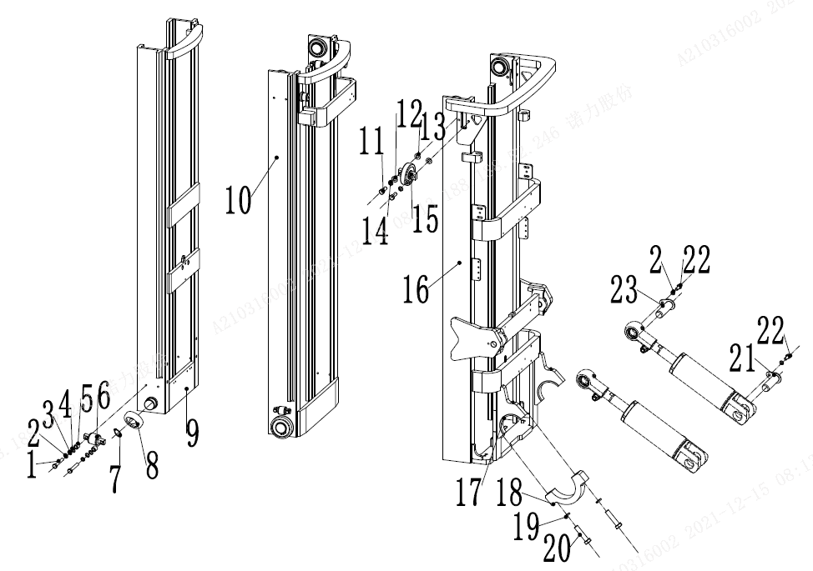
 | 5 | 255038020008 | 调整套 | Adjusting sleeve | 4
 | 6 | 940200200005 | 侧滚轮Φ42-CD=68 | Side rollerΦ42 - CD = 68 | 2
 | 7 | 910401300024 | 轴用弹性挡圈 | Elastic retaining ring for shaft | 4
 | 8 | 940200100024 | 主滚轮Φ111xΦ55x32 | RollerΦ111xΦ55x32 | 4
 | 8 | 940200100025 | 主滚轮Φ111.5xΦ55x32 | RollerΦ111.5xΦ55x32 | 4
 | 9 | 256844512001 | 内门架焊合 3600 | Inner mast 3600 | 1
 | 9 | 256844512002 | 内门架焊合 4000 | Inner mast 4000 | 1
 | 9 | 256844512003 | 内门架焊合 4350 | Inner mast 4350 | 1
 | 9 | 256844512004 | 内门架焊合 4500 | Inner mast 4500 | 1
 | 9 | 256844512005 | 内门架焊合 4700 | Inner mast 4700 | 1
 | 9 | 256844512006 | 内门架焊合 4800 | Inner mast 4800 | 1
 | 9 | 256844512007 | 内门架焊合 5000 | Inner mast 5000 | 1
 | 9 | 256844512008 | 内门架焊合 5400 | Inner mast 5400 | 1
 | 9 | 256844512009 | 内门架焊合 5500 | Inner mast 5500 | 1
 | 9 | 256844512010 | 内门架焊合 6000 | Inner mast 6000 | 1
 | 9 | 256844512011 | 内门架焊合 6500 | Inner mast 6500 | 1
 | 10 | 256844513001 | 中门架焊合 3600 | Middle mast 3600 | 1
 | 10 | 256844513002 | 中门架焊合 4000 | Middle mast 4000 | 1
 | 10 | 256844513003 | 中门架焊合 4350 | Middle mast 4350 | 1
 | 10 | 256844513004 | 中门架焊合 4500 | Middle mast 4500 | 1
 | 10 | 256844513005 | 中门架焊合 4700 | Middle mast 4700 | 1
 | 10 | 256844513006 | 中门架焊合 4800 | Middle mast 4800 | 1
 | 10 | 256844513007 | 中门架焊合 5000 | Middle mast 5000 | 1
 | 10 | 256844513008 | 中门架焊合 5400 | Middle mast 5400 | 1
 | 10 | 256844513009 | 中门架焊合 5500 | Middle mast 5500 | 1
 | 10 | 256844513010 | 中门架焊合 6000 | Middle mast 6000 | 1
 | 10 | 256844513011 | 中门架焊合 6500 | Middle mast 6500 | 1
 | 11 | 910100300050 | 螺栓GB5783-M12x30-8.8 | Bolt GB5783-M12x30-8.8 | 8
 |  |  |  |  |  | €50.00

256898501045门架(三级全自由门架)/MAST (three stage full free)
 | 序号/NO | 编码/SN | 名称 | Name | 数量/QTY | 备注/Remark
 | 12 | 910400100008 | 平垫圈GB97.1-12-200HV | Washer GB97.1-12-200HV | 8
 | 13 | 256544002001 | 垫圈Φ20xΦ13集合图 | Washer Φ20xΦ13 | 8
 | 14 | 910400500008 | 弹簧垫圈GB93-12 | Washer GB93-12 | 8
 | 15 | 940200200002 | 侧滚轮Φ87-CD=55 | Side roller Φ87-CD=55 | 4
 | 16 | 256844511001 | 外门架焊合 3600 | Outer mast 3600 | 1 | 30Q/35Q
 | 16 | 256844511002 | 外门架焊合 4000 | Outer mast 4000 | 1 | 30Q/35Q
 | 16 | 256844511003 | 外门架焊合 4350 | Outer mast 4350 | 1 | 30Q/35Q
 | 16 | 256844511004 | 外门架焊合 4500 | Outer mast 4500 | 1 | 30Q/35Q
 | 16 | 256844511005 | 外门架焊合 4700 | Outer mast 4700 | 1 | 30Q/35Q
 | 16 | 256844511006 | 外门架焊合 4800 | Outer mast 4800 | 1 | 30Q/35Q
 | 16 | 256844511007 | 外门架焊合 5000 | Outer mast 5000 | 1 | 30Q/35Q
 | 16 | 256844511008 | 外门架焊合 5400 | Outer mast 5400 | 1 | 30Q/35Q
 | 16 | 256844511009 | 外门架焊合 5500 | Outer mast 5500 | 1 | 30Q/35Q
 | 16 | 256844511010 | 外门架焊合 6000 | Outer mast 6000 | 1 | 30Q/35Q
 | 16 | 256844511011 | 外门架焊合 6500 | Outer mast 6500 | 1 | 30Q/35Q
 | 16 | 256744511001 | 外门架焊合 3600 | Outer mast 3600 | 1 | 25Q/28Q
 | 16 | 256744511002 | 外门架焊合 4000 | Outer mast 4000 | 1 | 25Q/28Q
 | 16 | 256744511003 | 外门架焊合 4350 | Outer mast 4350 | 1 | 25Q/28Q
 | 16 | 256744511004 | 外门架焊合 4500 | Outer mast 4500 | 1 | 25Q/28Q
 | 16 | 256744511005 | 外门架焊合 4700 | Outer mast 4700 | 1 | 25Q/28Q
 | 16 | 256744511006 | 外门架焊合 4800 | Outer mast 4800 | 1 | 25Q/28Q
 | 16 | 256744511007 | 外门架焊合 5000 | Outer mast 5000 | 1 | 25Q/28Q
 | 16 | 256744511008 | 外门架焊合 5400 | Outer mast 5400 | 1 | 25Q/28Q
 | 16 | 256744511009 | 外门架焊合 5500 | Outer mast 5500 | 1 | 25Q/28Q
 | 16 | 256744511010 | 外门架焊合 6000 | Outer mast 6000 | 1 | 25Q/28Q
 | 16 | 256744511011 | 外门架焊合 6500 | Outer mast 6500 | 1 | 25Q/28Q
 | 17 | 254144020063 | 轴瓦 | Bearing bush | 2
 | 18 | 256844021014 | 支座盖 | Bearing cover | 2
 | 19 | 910400500010 | 弹簧垫圈GB93-16 | Washer GB93-16 | 7
 | 20 | 910100200016 | 螺栓GB5785-M16x1.5x70-8.8 | Bolt GB5785-M16x1.5x70-8.8 | 4
 | 21 | 255044010057 | 带耳轴Φ30x82 | Axle Φ30x82 | 4
 | 22 | 910100300035 | 螺栓GB5783-M10x20-8.8 | Bolt GB5783-M10x20-8.8 | 4
 |  |  |  |  |  | €51.00

2568985001045门架(三级全自由门架)/MAST (three stage full free)
 | 序号/NO | 编码/SN | 名称 | Name | 数量/QTY | 备注/Remark
 | 23 | 256844501001 | 带耳轴Φ30x94 | Axle Φ30x94 | 2

 |  |  |  |  |  | €52.00

2568985001046货叉架(三级全自由门架)/FORK ARM CARRIER(three stage full free)
 | 序号/NO | 编码/SN | 名称 | Name | 数量/QTY | 备注/Remark
 | 1 | 910200200096 | 螺钉GB70.1-M12x20-8.8 | Screw GB70.1-M12x20-8.8 | 1
 | 2 | 910400500008 | 弹簧垫圈GB93-12 | WasherGB93-12 | 1
 | 3 | 910401300018 | 轴用弹性挡圈GB894.1-35 | Circlip GB894.1-35 | 6
 | 4 | 940200100043 | 主滚轮Φ78.80xΦ35x22.5(外圈斜1°) | Main roller Φ 78.80 x Φ 35 x22. 5 | 6
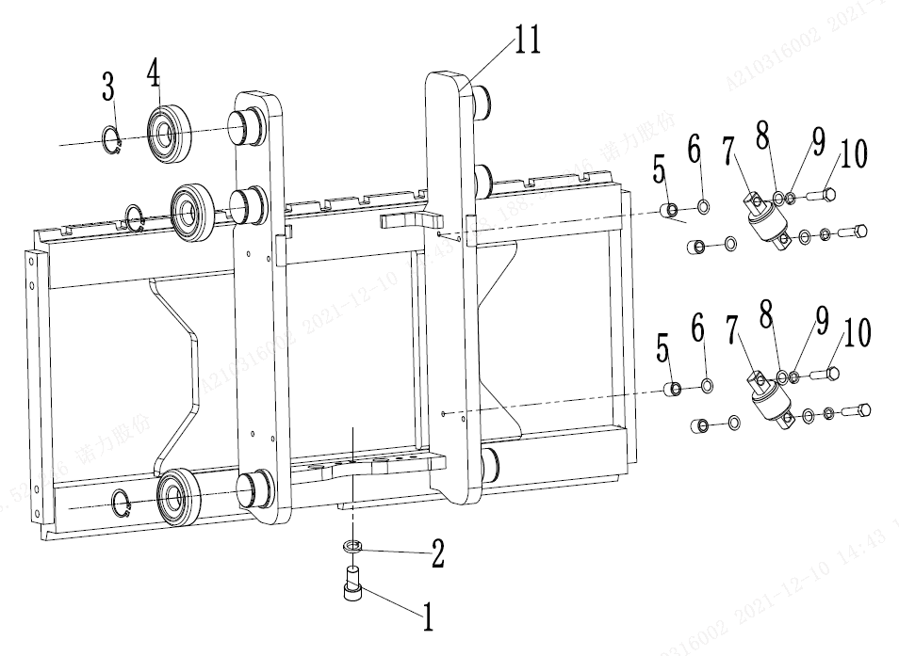
 | 4 | 940200100044 | 主滚轮Φ79.1xΦ35x22.5(外圈斜1°) | Main roller Φ 79.1 x Φ 35 x22. 5 | 6
 | 4 | 940200100039 | 主滚轮Φ79.1xΦ35x22.5(外圈斜1°) | Main roller Φ 79.4 x Φ 35 x22. 5 | 6
 | 5 | 255038020008 | 调整套 | Adjusting sleeve | 4
 | 6 | 255038020009 | 调整垫 | Adjustable pad | 8
 | 7 | 940200200005 | 侧滚轮Φ42-CD=68 | Side rollerΦ42 - CD = 68 | 2
 | 8 | 910400100007 | 平垫圈GB97.1-10-200HV | Washer GB97.1-10-200HV | 8
 | 9 | 910400500007 | 弹簧垫圈GB93-10 | Spring washer GB93-10 | 8
 | 10 | 910100300039 | 螺栓GB5783-M10x40-8.8 | Bolt GB5783 M10x40-8.8 | 4
 | 11 | 256838013001 | 货叉架焊合(三级全自由) | Welding of fork rack | 1 | 28Q/30Q/35Q
 | 11 | 255038015001 | 货叉架焊合(三级全自由) | Welding of fork rack | 1 | 25Q

 |  |  |  |  |  | €53.00

2568985001047短起升油缸(三级全自由门架)/SHORT LIFTING CYLINDER (three stage full free)
 | 序号/NO | 编码/SN | 名称 | Name | 数量/QTY | 备注/Remark
 | A | 256144518001 | 油缸(M)Φ85xΦ60x622 (H=3600) | Short lifting cylinderΦ85xΦ60x622 (H=3600) | 1 | 28Q/30Q/35Q
 | A | 256144518002 | 油缸(M)Φ85xΦ60x685 (H=4000) | Short lifting cylinderΦ85xΦ60x685 (H=4000) | 1
 | A | 256144518003 | 油缸(M)Φ85xΦ60x748 (H=4300) | Short lifting cylinderΦ85xΦ60x748 (H=4300) | 1
 | A | 256144518004 | 油缸(M)Φ85xΦ60x772 (H=4500) | Short lifting cylinderΦ85xΦ60x772 (H=4500) | 1
 | A | 256144518005 | 油缸(M)Φ85xΦ60x805 (H=4700) | Short lifting cylinderΦ85xΦ60x805 (H=4700) | 1
 | A | 256144518006 | 油缸(M)Φ85xΦ60x822 (H=4800) | Short lifting cylinderΦ85xΦ60x822 (H=4800) | 1
 | A | 256144518007 | 油缸(M)Φ85xΦ60x879 (H=5000) | Short lifting cylinderΦ85xΦ60x879 (H=5000) | 1
 | A | 256144518008 | 油缸(M)Φ85xΦ60x979 (H=5400) | Short lifting cylinderΦ85xΦ60x979 (H=5400) | 1
 | A | 256144518009 | 油缸(M)Φ85xΦ60x995 (H=5500) | Short lifting cylinderΦ85xΦ60x995 (H=5500) | 1
 | A | 256144518010 | 油缸(M)Φ85xΦ60x1112 (H=6000) | Short lifting cylinderΦ85xΦ60x1112 (H=6000) | 1
 | A | 256144518011 | 油缸(M)Φ85xΦ60x1229 (H=6500) | Short lifting cylinderΦ85xΦ60x1229 (H=6500) | 1
 | A | 255044510100 | 油缸(M)Φ75xΦ50x622 (H=3600) | Short lifting cylinder Φ75xΦ50x622 (H=3600) | 1 | 25Q
 | A | 255044510050 | 油缸(M)Φ75xΦ50x685 (H=4000) | Short lifting cylinder Φ75xΦ50x685 (H=4000) | 1
 | A | 255044510051 | 油缸(M)Φ75xΦ50x748 (H=4300) | Short lifting cylinder Φ75xΦ50x748 (H=4300) | 1
 | A | 255044510052 | 油缸(M)Φ75xΦ50x772 (H=4500) | Short lifting cylinder Φ75xΦ50x772 (H=4500) | 1
 | A | 255044510101 | 油缸(M)Φ75xΦ50x805 (H=4700) | Short lifting cylinder Φ75xΦ50x805 (H=4700) | 1
 | A | 255044510053 | 油缸(M)Φ75xΦ50x822 (H=4800) | Short lifting cylinder Φ75xΦ50x822 (H=4800) | 1
 | A | 255044510054 | 油缸(M)Φ75xΦ50x879 (H=5000) | Short lifting cylinder Φ75xΦ50x879 (H=5000) | 1
 | A | 255044510102 | 油缸(M)Φ75xΦ50x979 (H=5400) | Short lifting cylinder Φ75xΦ50x979 (H=5400) | 1
 | A | 255044510055 | 油缸(M)Φ75xΦ50x995 (H=5500) | Short lifting cylinder Φ75xΦ50x995 (H=5500) | 1
 | A | 255044510056 | 油缸(M)Φ75xΦ50x1112 (H=6000) | Short lifting cylinder Φ75xΦ50x1112 (H=6000) | 1
 | A | 255044510103 | 油缸(M)Φ75xΦ50x1229 (H=6500) | Short lifting cylinder Φ75xΦ50x1229 (H=6500) | 1
 | B | 255098510005 | 密封件修理包(三级全自由中间缸) | Seal kits (three stage full free lifting cylinder) | 1 | 包含Inc.1.3.5.6.13.18
 | C | 255044510124 | 起升链条LH1623-45 | Lifting chain LH1623-45 | 2 | H=3600
 | C | 255044510044 | 起升链条LH1623-47 | Lifting chain LH1623-47 | 2 | H=4000
 | C | 255044510045 | 起升链条LH1623-53 | Lifting chain LH1623-53 | 2 | H=4300
 | C | 255044010060 | 起升链条LH1623-55 | Lifting chain LH1623-55 | 2 | H=4500
 | C | 255044510133 | 起升链条LH1623-59 | Lifting chain LH1623-59 | 2 | H=4700/4800
 | C | 255044510134 | 起升链条LH1623-63 | Lifting chain LH1623-63 | 2 | H=5000
 | C | 255044510135 | 起升链条LH1623-61 | Lifting chain LH1623-61 | 2 | H=5400/5500
 | C | 255044510136 | 起升链条LH1623-71 | Lifting chain LH1623-71 | 2 | H=6000
 | C | 255044510137 | 起升链条LH1623-81 | Lifting chain LH1623-81 | 2 | H=6500
 |  |  |  |  |  | €54.00

2568985001047短起升油缸(三级全自由门架)/SHORT LIFTING CYLINDER (three stage full free)
 | 序号/NO | 编码/SN | 名称 | Name | 数量/QTY | 备注/Remark
 | 1 | ▲ | 防尘圈 | Dust ring 50x58x6.5 | 1
 | 2 | ▲ | 挡片50×60×3 | Catch 50×60×3 | 1
 | 3 | ▲ | 轴用密封圈 | Seal ring 50×60×6 | 1
 | 4 | ▲ | 导向套 | Glide sleeve | 1
 | 5 | ▲ | O型密封圈 | O ring 74.4x3.1 | 1
 | 6 | ▲ | O型密封圈 | O ring 69×3.55 | 1
 | 7 | ▲ | 钢背轴承5040 | Bearing5040 | 1
 | 8 | ▲ | 活塞杆 | Piston rod | 1
 | 9 | ▲ | 钢丝挡圈 | Circlip | 1
 | 10 | ▲ | 活塞总成 | Piston assembly | 1
 | 11 | ▲ | 支承环75x20x2.5 | Support ring 75x20x2.5 | 1
 | 12 | ▲ | 支承环75x65x3 | Support ring 75x65x3 | 1
 | 13 | ▲ | 孔用密封圈 | Seal ring 75x65x6 | 1
 | 14 | ▲ | 阀套 | Valve cover | 1
 | 15 | ▲ | 弹簧 | Spring | 1
 | 16 | ▲ | 阀芯 | Valve plug | 1
 | 17 | ▲ | 挡片 | Catch | 1
 | 18 | ▲ | O型密封圈 | O ring D20x2.4 | 1
 | 19 | ▲ | 孔用弹性挡圈12 | Circlip 12 | 1
 | 20 | ▲ | 孔用弹性挡圈22 | Circlip 22 | 1
 | 21 | ▲ | 滑阀 | Slide valve | 1
 | 22 | ▲ | 弹簧2.3x15x48.5 | Spring2.3x15x48.5 | 1
 | 23 | ▲ | 缸体 | Cylinder | 1
 | 24 | ▲ | 垫片 | Spacer | 1
 | 25 | ▲ | 内六角圆柱头螺钉M5x5 | Screw M5x5 | 1
 | 26 | 910100100071 | 螺栓GB5782-M16x50-8.8 | Bolt GB5782-M16x50-8.8 | 1
 | 27 | 910400500010 | 弹簧垫圈GB93-16 | Washer GB93-16 | 1
 | 28 | 255043520020 | 挡链板 | Block chain plate | 1
 | 29 | 255043520006 | 缸头 | Cylinder head | 1
 | 30 | 940200500001 | 链轮轴承780708K-φ110xφ40x27 | Chain wheel bearing 780708K-φ110xφ40x27 | 2
 | 31 | 910401300020 | 轴用弹性挡圈GB894.1-40 | Circlip GB894.1-40 | 2
 | 32 | 910600600022 | 开口销GB91-2.5x40 | split pin2.5x40 | 2
 |  |  |  |  |  | €55.00

256898501047短起升油缸(三级全自由门架)/SHORT LIFTING CYLINDER (three stage full free)
 | 序号/NO | 编码/SN | 名称 | Name | 数量/QTY | 备注/Remark
 | 33 | 910900400014 | 板式链GB6074-LH1623 | LH1623 chain | 2
 | 34 | 255044020157 | 链条螺栓M18x1.5x217 | Joint | 2
 | 35 | 910600600030 | 开口销GB91-3.2x30 | Split pin 3.2x30 | 2
 | 36 | 255044020158 | 球面螺母M18x1.5 | Nut M18x1.5 | 2
 | 37 | 910300400007 | 螺母M18x1.5 | Nut M18x1.5 | 2
 | 38 | 910400500009 | 弹簧垫圈GB93-14 | Washer GB93-14 | 2
 | 39 | 910100400022 | 螺栓GB5786-M14x1.5x40-8.8 | Bolt GB5786-M14x1.5x40-8.8 | 2
 | 41 | 255044020156 | 链条螺栓M18x1.5x102 | Joint | 2
 | 42 | 910400500008 | 弹簧垫圈GB93-12 | SpringWasherGB93-12 | 1
 | 43 | 910100400009 | 螺栓GB5786-M12x1.25x25-8.8 | BoltGB5786-M12x1.25x25-8.8 | 1

 |  |  |  |  |  | €56.00

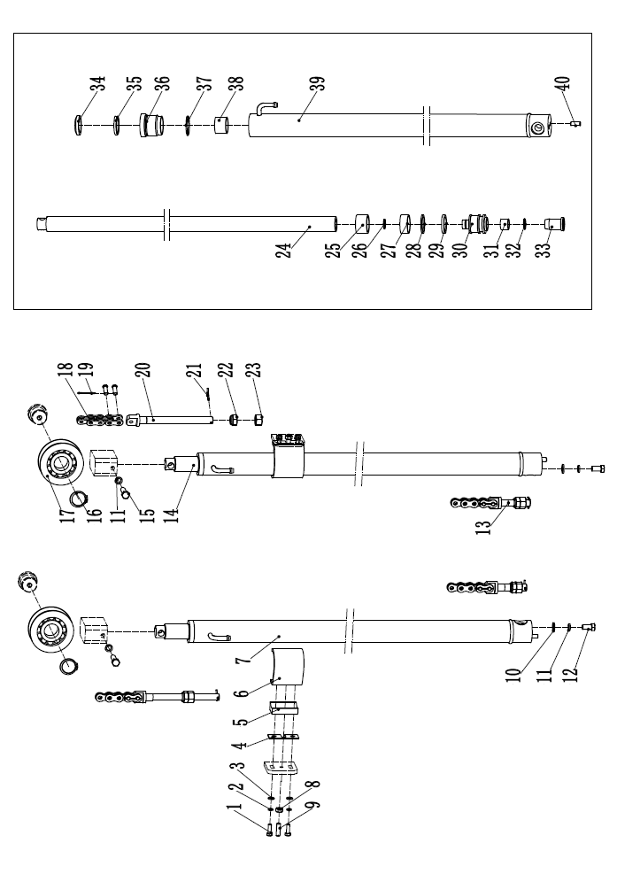
256898501048起升油缸(三级全自由门架)/LIFTING CYLINDER (three stage full free)
 | 序号/NO | 编码/SN | 名称 | Name | 数量/QTY | 备注/Remark
 | 1 | 910100300023 | 螺栓GB5783-M8x25-8.8 | Bolt GB5783-M8x25-8.8 | 4
 | 2 | 910400500007 | 弹簧垫圈GB93-10 | Washer GB93-10 | 4
 | 3 | 910400100007 | 平垫圈GB97.1-10-200HV | Washer GB97.1-10-200HV | 4
 | 4 | 255044520099 | 橡胶垫 | Rubber pad | 2
 | 5 | 255044520097 | 支撑块 | Support block | 2
 | 6 | 255044520098 | 弯板 | Blendboard | 2
 | 7 | 256144516001 | 油缸(L)(H=3600) | Cylinder (L)Φ56xΦ45x1174(H=3600) | 1 | 28Q/30Q/35Q
 |  | 256144516002 | 油缸(L)(H=4000) | Cylinder (L)Φ56xΦ45x1312(H=4000) | 1
 |  | 256144516003 | 油缸(L)(H=4300) | Cylinder (L)Φ56xΦ45x1424(H=4300) | 1
 |  | 256144516004 | 油缸(L)(H=4500) | Cylinder (L)Φ56xΦ45x1474(H=4500) | 1
 |  | 256144516005 | 油缸(L)(H=4700) | Cylinder (L)Φ56xΦ45x1539(H=4700) | 1
 |  | 256144516006 | 油缸(L)(H=4800) | Cylinder (L)Φ56xΦ45x1574H=4800) | 1
 |  | 256144516007 | 油缸(L)(H=5000) | Cylinder (L)Φ56xΦ45x1617(H=5000) | 1
 |  | 256144516008 | 油缸(L)(H=5400) | Cylinder (L)Φ56xΦ45x1717(H=5400) | 1
 |  | 256144516009 | 油缸(L)(H=5500) | Cylinder (L)Φ56xΦ45x1751(H=5500) | 1
 |  | 256144516010 | 油缸(L)(H=6000) | Cylinder (L)Φ56xΦ45x1884(H=6000) | 1
 |  | 256144516011 | 油缸(L)(H=6500) | Cylinder (L)Φ56xΦ45x2017(H=6000) | 1
 | 7 | 255044510104 | 油缸(L)Φ50xΦ40x1174 | Cylinder (L)Φ50xΦ40x1174(H=3600) | 1 | 25Q
 |  | 255044510004 | 油缸(L)Φ50xΦ40x1312 | Cylinder (L)Φ50xΦ40x1312(H=4000) | 1
 |  | 255044510005 | 油缸(L)Φ50xΦ40x1424 | Cylinder (L)Φ50xΦ40x1424(H=4300) | 1
 |  | 255044510006 | 油缸(L)Φ50xΦ40x1474 | Cylinder (L)Φ50xΦ40x1474(H=4500) | 1
 |  | 255044510105 | 油缸(L)Φ50xΦ40x1539 | Cylinder (L)Φ50xΦ40x1539(H=4700) | 1
 |  | 255044510007 | 油缸(L)Φ50xΦ40x1574 | Cylinder (L)Φ50xΦ40x1574H=4800) | 1
 |  | 255044510008 | 油缸(L)Φ50xΦ40x1617 | Cylinder (L)Φ50xΦ40x1617(H=5000) | 1
 |  | 255044510106 | 油缸(L)Φ50xΦ40x1717 | Cylinder (L)Φ50xΦ40x1717(H=5400) | 1
 |  | 255044510009 | 油缸(L)Φ50xΦ40x1751 | Cylinder (L)Φ50xΦ40x1751(H=5500) | 1
 |  | 255044510010 | 油缸(L)Φ50xΦ40x1884 | Cylinder (L)Φ50xΦ40x1884(H=6000) | 1
 |  | 255044510107 | 油缸(L)Φ50xΦ40x2017 | Cylinder (L)Φ50xΦ40x2017H=6500) | 1
 | 8 | 910300100007 | 螺钉M10x35-8.8 | Screw M10x35-8.8 | 2
 | 9 | 941100100003 | 螺母GB6170-M10-10 | Nut GB6170-M10-10 | 2
 | 10 | 910400100008 | 平垫圈GB97.1-12-200HV | Washer GB97.1-12-200HV | 2
 | 11 | 910400500008 | 弹簧垫圈GB93-12 | Washer GB93-12 | 4
 |  |  |  |  |  | €57.00

256898501048起升油缸(三级全自由门架)/LIFTING CYLINDER (three stage full free)
 | 序号/NO | 编码/SN | 名称 | Name | 数量/QTY | 备注/Remark
 | 12 | 910100400009 | 螺栓GB5786-M12x1.25x25-8.8 | Bolt GB5786-M12x1.25x25-8.8 | 2
 | 13 | 255044020156 | 短端接头 | Joint | 2
 | 14 | 256144517001 | 油缸(R)(H=3600) | CyRinder (R)Φ56xΦ45x1174(H=3600) | 1 | 28Q/30Q/35Q
 |  | 256144517002 | 油缸(R)(H=4000) | CyRinder (R)Φ56xΦ45x1312(H=4000) | 1
 |  | 256144517003 | 油缸(R)(H=4300) | CyRinder (R)Φ56xΦ45x1424(H=4300) | 1
 |  | 256144517004 | 油缸(R)(H=4500) | CyRinder (R)Φ56xΦ45x1474(H=4500) | 1
 |  | 256144517005 | 油缸(R)(H=4700) | CyRinder (R)Φ56xΦ45x1539(H=4700) | 1
 |  | 256144517006 | 油缸(R)(H=4800) | CyRinder (R)Φ56xΦ45x1574(H=4800) | 1
 |  | 256144517007 | 油缸(R)(H=5000) | CyRinder (R)Φ56xΦ45x1617(H=5000) | 1
 |  | 256144517008 | 油缸(R)(H=5400) | CyRinder (R)Φ56xΦ45x1717(H=5400) | 1
 |  | 256144517009 | 油缸(R)(H=5500) | CyRinder (R)Φ56xΦ45x1751(H=5500) | 1
 |  | 256144517010 | 油缸(R)(H=6000) | CyRinder (R)Φ56xΦ46x1884(H=6000) | 1
 |  | 256144517011 | 油缸(R)(H=6500) | CyRinder (R)Φ56xΦ45x2017H=6000) | 1
 | 14 | 255044510108 | 油缸(R)(H=3600) | CyRinder (R)Φ50xΦ40x1174(H=3600) | 1 | 25Q
 |  | 255044510011 | 油缸(R)(H=4000) | CyRinder (R)Φ50xΦ40x1312(H=4000) | 1
 |  | 255044510012 | 油缸(R)(H=4300) | CyRinder (R)Φ50xΦ40x1424(H=4300) | 1
 |  | 255044510013 | 油缸(R)(H=4500) | CyRinder (R)Φ50xΦ40x1474(H=4500) | 1
 |  | 255044510109 | 油缸(R)(H=4700) | CyRinder (R)Φ50xΦ40x1539H=4700) | 1
 |  | 255044510014 | 油缸(R)(H=4800) | CyRinder (R)Φ50xΦ40x1574(H=4800) | 1
 |  | 255044510015 | 油缸(R)(H=5000) | CyRinder (R)Φ50xΦ40x1617(H=5000) | 1
 |  | 255044510110 | 油缸(R)(H=5400) | CyRinder (R)Φ50xΦ40x1717(H=5400) | 1
 |  | 255044510016 | 油缸(R)(H=5500) | CyRinder (R)Φ50xΦ40x1751(H=5500) | 1
 |  | 255044510017 | 油缸(R)(H=6000) | CyRinder (R)Φ50xΦ40x1884(H=6000) | 1
 |  | 255044510111 | 油缸(R)(H=6500) | CyRinder (R)Φ50xΦ40x2017H=6000) | 1
 | 15 | 910100300053 | 螺栓GB5783-M12x45-8.8 | Bolt GB5783-M12x45-8.8 | 2
 | 16 | 910401300020 | 轴用弹性挡圈GB894.1-40 | Circlip GB894.1-40 | 2
 | 17 | 940200500005 | 链轮轴承780708K-φ110xφ40x27 | Chain wheel bearing 780708K-φ110xφ40x27 | 2
 | 18 | 910900400014 | LH1623板式链 | LH1623chain | 2
 | 19 | 910600600022 | 开口销2.5x40 | Split pin 2.5x40 | 2
 | 20 | 255044020157 | 链条螺栓M18x1.5x217 | Joint | 2
 | 21 | 910600600030 | 开口销GB91-3.2x30 | Split pin 3.2x30 | 2
 | 22 | 255044020158 | 球面螺母M18x1.5 | Nut M18x1.5 | 2
 |  |  |  |  |  | €58.00

256898501048起升油缸(三级全自由门架)/LIFTING CYLINDER (three stage full free)
 | 序号/NO | 编码/SN | 名称 | Name | 数量/QTY | 备注/Remark
 | 23 | 910300400007 | 螺母GB6173-M18x1.5-05 | Nut M18x1.5-05 | 2
 | 24 | ▲ | 活塞杆 | Piston rod | 1
 | 25 | ▲ | 调整套40.5x49xL2 | Adjusting bushing 40.5x49xL2 | 1
 | 26 | ▲ | 钢丝挡圈φ24x2 | Circlip φ24x2 | 1
 | 27 | ▲ | 支承56x20x2.5 | Bearing 56x20x2.5 | 1
 | 28 | ▲ | 挡片56x44x3 | Catch 56x45x3 | 1
 | 29 | ▲ | 孔用密封圈 | Seal ring 56x45x6 | 1
 | 30 | ▲ | 活塞 | Piston | 1
 | 31 | ▲ | 铜套 | Copper bushing | 1
 | 32 | ▲ | 钢丝挡圈φ26.5x2 | Circlip φ26.5x2 | 1
 | 33 | ▲ | 缓冲环 | Buffer ring | 1
 | 34 | ▲ | 防尘圈 | Dust ring DKB45x58x7/10 | 1
 | 35 | ▲ | 轴用密封圈 | Seal ring 40x50x6 | 1
 | 36 | ▲ | 导向套 | Guide bushing | 1
 | 37 | ▲ | O型密封圈 | O seal ring 49.7x2.4 | 1
 | 38 | ▲ | 钢背轴承4030 | Bearing 4030 | 1
 | 39 | ▲ | 缸体 | Cylinder | 1
 | 40 | ▲ | 圆柱销D10x26 | Dowel pin D10x26 | 1
 | 41 | 256198510003 | 30-35N密封件修理包(三级全自由起升缸) | Seal kits(three stage full free lifting cylinder) | 2 | 包含/Inc 27.29.34.35.37
 | A | 256844014002 | 起升链条LH1623-65 | Lifting chainLH1623-65 | 2 | H=3600
 |  | 255044510046 | 起升链条LH1623-69 | Lifting chainLH1623-69 | 2 | H=4000
 |  | 255044510138 | 起升链条LH1623-73 | Lifting chainLH1623-73 | 2 | H=4350
 |  | 255044510047 | 起升链条LH1623-75 | Lifting chainLH1623-75 | 2 | H=4500
 |  | 255043510139 | 起升链条LH1623-79 | Lifting chainLH1623-79 | 2 | H=4700/4800
 |  | 255044510140 | 起升链条LH1623-85 | Lifting chainLH1623-85 | 2 | H=5000
 |  | 255044510048 | 起升链条LH1623-95 | Lifting chainLH1623-95 | 2 | H=5400/5500
 |  | 255044510049 | 起升链条LH1623-103 | Lifting chainLH1623-103 | 2 | H=6000
 |  | 255044510125 | 起升链条LH1623-113 | Lifting chainLH1623-113 | 2 | H=6500

 |  |  |  |  |  | €59.00

2568985001049起升管路(三级全自由门架)/LIFTING CYLINDER (three stage full free)
 | 序号/NO | 编码/SN | 名称 | Name | 数量/QTY | 备注/Remark
 | 1 | 910100100048 | 螺栓GB5782-M12x50-8.8 | Bolt GB5782-M12x50-8.8 | 1
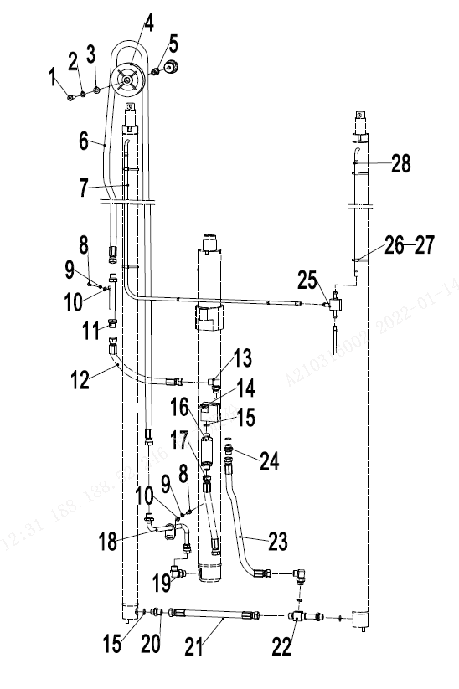
 | 2 | 910400500008 | 弹簧垫圈GB93-12 | Spring washer gb93-12 | 1
 | 3 | 910400100008 | 平垫圈GB97.1-12-200HV | Flat washer GB97.1-12-200HV | 1
 | 4 | 255044520096 | 滑轮Φ120x36(单槽) | Pulley Φ120x36 (single slot) | 1
 | 5 | 255044520081 | 衬套(带肩)Φ20xΦ13x28 | Bushings (shoulder)Φ20xΦ13x28 | 1
 | 6 | 255044520084 | 液压管总成 (直) 15-L1910-2SC-60 | Hydraulic hose assembly 15-L1910-2SC-60 | 1 | H=3600
 | 6 | 255044520071 | 液压管总成（直）15-L2180-2SC-60° | Hydraulic hose assembly 15-L2180-2SC-60° | 1 | H=4000
 | 6 | 255044520072 | 液压管总成（直）15-L2430-2SC-60° | Hydraulic hose assembly 15-L2430-2SC-60° | 1 | H=4350
 | 6 | 255044520073 | 液压管总成（直）15-L2530-2SC-60° | Hydraulic hose assembly 15-L2530-2SC-60° | 1 | H=4500
 | 6 | 255044520074 | 液压管总成（直）15-L2730-2SC-60° | Hydraulic hose assembly 15-L2730-2SC-60° | 1 | H=4700/4800
 | 6 | 255044520075 | 液压管总成（直）15-L3015-2SC-60° | Hydraulic hose assembly 15-L3015-2SC-60° | 1 | H=5000
 | 6 | 255044520076 | 液压管总成（直）15-L3480-2SC-60° | Hydraulic hose assembly 15-L3480-2SC-60° | 1 | H=5400/5500
 | 6 | 255044520077 | 液压管总成（直）15-L3950-2SC-60° | Hydraulic hose assembly 15-L3950-2SC-60° | 1 | H=6000
 | 6 | 255044520124 | 液压管总成（直）15-L4410-2SC-60° | Hydraulic hose assembly 15-L4410-2SC-60° | 1 | H=6500
 | 7 | ▲ | PE软管Φ10xΦ13 | PE Supple pipeΦ10xΦ13 | 3
 | 8 | 910100300022 | 螺栓GB5783-M8x20-8.8 | Bolt GB5783-M8x20-8.8 | 3
 | 9 | 910400500006 | 弹簧垫圈GB93-8 | Spring washer GB93-8 | 5
 | 10 | 910400100006 | 平垫圈GB97.1-8-200HV | Flat washer GB97.1-8-200HV | 5
 | 11 | 255044510020 | 液压钢管焊合1 | Hydraulic pipe welding 1 | 1
 | 12 | 255044520083 | 液压管总成(直)15-L530-2SC-60° | Hydraulic hose assembly 15-L530-2SC-60° | 1
 | 13 | 255044020151 | 接头(锁定弯)12-2xM22x1.5-60° | Connector (lock bend) 12-2xM22x1.5-60° | 1
 | 14 | 252144519002 | 三通焊合(20Q) | Tee welded (20Q) | 1
 | 15 | 910800100040 | O形圈-外24x2.4 | O - inner 24x2.4 | 4
 | 16 | 950700300002 | 限速阀XSF-F16L-48 | The speed limit valve XSF-F16L-48 | 1
 | 17 | 252144529003 | 液压管总成(直)15-L800-2SC-60° | Hydraulic hose assembly 15-L800-2SC-60° | 1
 | 18 | 255044510021 | 液压钢管焊合2 | Hydraulic pipe welding 2 | 1
 | 19 | 255043520022 | 接头（锁定弯）12-M27x2-M22x1.5 | Connector (lock bend) 12-M27x2-M22x1.5 | 1
 | 20 | 256898520001 | 防爆阀 | explosion-proof valve | 1
 | 21 | 255044520067 | 液压管总成(直)15-L360-2SC-60° | Hydraulic hose assembly 15-L360-2SC-60° | 1
 | 22 | 255044010040 | 接头(三通) | Connector (tee) | 1
 | 23 | 254144520048 | 液压管总成(90°)15-L800-2SC-60° | Hydraulic hose assembly (90°)15-L800-2SC-60° | 1
 | 24 | 255023520030 | 接头(直)12-2xM22x1.5-60° | Connector12-2xM22x1.5-60° | 1
 |  |  |  |  |  | €60.00

256898501049起升管路(三级全自由门架)/LIFTING CYLINDER (three stage full free)
 | 序号/NO | 编码/SN | 名称 | Name | 数量/QTY | 备注/Remark
 | 25 | 255044020118 | 接头(三通) | Connector (tee) | 1
 | 26 | 921600400001 | 扎带4x250 | 4 x250 tie | 6
 | 27 | 255044020042 | 压板 | clamp | 4
 | 28 | 255044020043 | 卡箍13 | Clamp 13 | 6

 |  |  |  |  |  | €61.00

256898501050侧移器及管路安装(三级全自由)/Side shifter and pipeline installation(three stage full free)
 | 序号/NO | 编码/SN | 名称 | Name | 数量/QTY | 备注/Remark
 | 1 | 910100100048 | 螺栓GB5782-M12x50-8.8 | BoltGB5782-M12x50-8.8 | 1
 | 2 | 910400500008 | 弹簧垫圈GB93-12 | Washer GB93-12 | 1
 | 3 | 910400100008 | 平垫圈GB97.1-12-200HV | Washer GB97.1-12-200HV | 2
 | 4 | 255030520020 | 滑轮Φ120x42(双槽) | Pulley Φ120 x42 (dual slot) | 1
 | 5 | 255023520036 | 液压管总成 (直)10-L1800-1SC-60° | Hydraulic hose assembly 10-L1800-1SC-60° | 2 | H=3600
 | 5 | 255030520001 | 液压管总成 (直)10-L2060-1SC-60° | Hydraulic hose assembly 10-L2060-1SC-60° | 2 | H=4000
 | 5 | 255030520002 | 液压管总成（直）10-L2310-1CS-60° | Hydraulic hose assembly 10-L2310-1SC-60° | 2 | H=4300
 | 5 | 255030520003 | 液压管总成（直）10-L2410-1CS-60° | Hydraulic hose assembly 10-L2410-1SC-60° | 2 | H=4500
 | 5 | 255030520004 | 液压管总成（直）10-L2610-1CS-60° | Hydraulic hose assembly 10-L2610-1SC-60° | 2 | H=4800/4700
 | 5 | 255030520005 | 液压管总成（直）10-L2900-1CS-60° | Hydraulic hose assembly 10-L2900-1SC-60° | 2 | H=5000
 | 5 | 255030520006 | 液压管总成（直）10-L3370-1CS-60° | Hydraulic hose assembly 10-L3370-1SC-60° | 2 | H=5500/5400
 | 5 | 255030520007 | 液压管总成（直）10-L3840-1CS-60° | Hydraulic hose assembly 10-L3840-1SC-60° | 2 | H=6000
 | 5 | 263030520008 | 液压管总成（直）10-L4330-1CS-60° | Hydraulic hose assembly 10-L4330-1SC-60° | 2 | H=6500
 | 6 | 255030520023 | 衬套1 | Bushing | 1
 | 7 | 910100100058 | 螺栓GB5782-M12x100-8.8 | Bolt GB5782-M12x100-8.8 | 1
 | 8 | 255028520043 | 挡板 | Chain plate | 1
 | 9 | 255030520021 | 滑轮φ110x27(单槽) | Pulley φ110x27 | 2
 | 10 | 255023520036 | 液压管总成 (直)10-L1800-1SC-60° | Hydraulic hose assembly 10-L1800-1SC-60° | 2 | H=3600
 | 10 | 255028520016 | 液压管总成 (直)10-L1930-1SC-60° | Hydraulic hose assembly 10-L1930-1SC-60° | 2 | H=4000
 | 10 | 275323521007 | 液压管总成 (直)10-L2040-1SC-60° | Hydraulic hose assembly 10-L2040-1SC-60° | 2 | H=4350
 | 10 | 255030520711 | 液压管总成 (直)10-L2090-1SC-60° | Hydraulic hose assembly 10-L2090-1SC-60° | 2 | H=4500
 | 10 | 263030520015 | 液压管总成 (直)10-L2160-1SC-60° | Hydraulic hose assembly 10-L2160-1SC-60° | 2 | H=4800/4700
 | 10 | 255028520045 | 液压管总成 (直)10-L2300-1SC-60° | Hydraulic hose assembly 10-L2300-1SC-60° | 2 | H=5000
 | 10 | 281229020031 | 液压管总成 (直)10-L2500-1SC-60° | Hydraulic hose assembly 10-L2500-1SC-60° | 2 | H=5500/5400
 | 10 | 254131020006 | 液压管总成 (直)10-L2750-1SC-60° | Hydraulic hose assembly 10-L2750-1SC-60° | 2 | H=6000
 | 10 | 281229020023 | 液压管总成 (直)10-L2975-1SC-60° | Hydraulic hose assembly 10-L2975-1SC-60° | 2 | H=6500
 | 11 | 255030520022 | 衬套Φ22xΦ13x56 | Bush Φ22xΦ13x56 | 1
 | 12 | 910400100008 | 平垫圈GB97.1-12-200HV | Washer GB97.1-12-200HV | 2
 | 13 | 910300500006 | 螺母GB889.1-M12-10 | Nut GB889.1-M12-10 | 1
 | 14 | 910100100072 | 螺栓GB5782-M16x60-8.8 | Bolt GB5782-M16x60-8.8 | 1
 | 15 | 910400100010 | 平垫圈GB97.1-16-200HV | Washer GB97.1-16-200HV | 1
 | 16 | 255030520026 | 滑轮架体 | Pulley frame | 1
 |  |  |  |  |  | €62.00

256898501050侧移器及管路安装(三级全自由)/Side shifter and pipeline installation(three stage full free)
 | 序号/NO | 编码/SN | 名称 | Name | 数量/QTY | 备注/Remark
 | 17 | 910300500004 | 螺母GB889.1-M8-10 | Nut GB889.1-M8-10 | 1
 | 18 | 910400100006 | 弹簧垫圈GB93-8 | Washer GB93-8 | 5
 | 19 | 910200200061 | 螺钉GB70.1-M8x40-8.8 | Bolt GB5783-M8x20-8.8 | 1
 | 20 | 255028520035 | 管夹安装板 | Pipe press fixedly piank | 2
 | 22 | 255029020024 | 接头(锁定弯)8-2xM16x1.5-60° | Joint 8-2XM16x1.5-60° | 2
 | 23 | 910100300025 | 螺栓GB5783-M8x35-8.8 | Bolt GB5783-M8x35-8.8 | 2
 | 24 | 910400500006 | 平垫圈GB97.1-8-200HV | Washer GB97.1-8-200HV | 5
 | 25 | 255030520019 | 液压钢管焊合2 | Hydraulic steel pipe welding 2 | 1
 | 26 | 255030520017 | 液压管总成(直)10-L1450-1SC-60° | Hydraulic hose assembly10-L1450-1SC-60° | 2
 | 27 | 255028520034 | 胶管固定块 | Hose fixing bloke | 4
 | 28 | 910200200060 | 螺钉GB70.1-M8x35-8.8 | Screw GB70.1-M8x35-8.8 | 1
 | 29 | 255030520018 | 液压钢管焊合 | Hydraulic steel pipe welding | 1
 | 30 | 910800100001 | O形圈-内9.5x1.8 | Oring 9.5x1.8 | 4
 | 31 | 255042510004 | 侧移器总成(LH) | Side shiifter assembly(LH) | 1 | 选装/optional
 | 31 | 255042510001 | 侧移器总成(LD) | Side shiifter assembly(LD) | 1 | 选装/optional
 | 31 | 255042510002 | 侧移器总成(卡斯卡特) | Side shiifter assembly(CASCADE) | 1 | 选装/optional
 | 32 | 910400200005 | 大垫圈GB96.1-12-200HV | Washer GB96.1-12-200HV | 2

 |  |  |  |  |  | €63.00

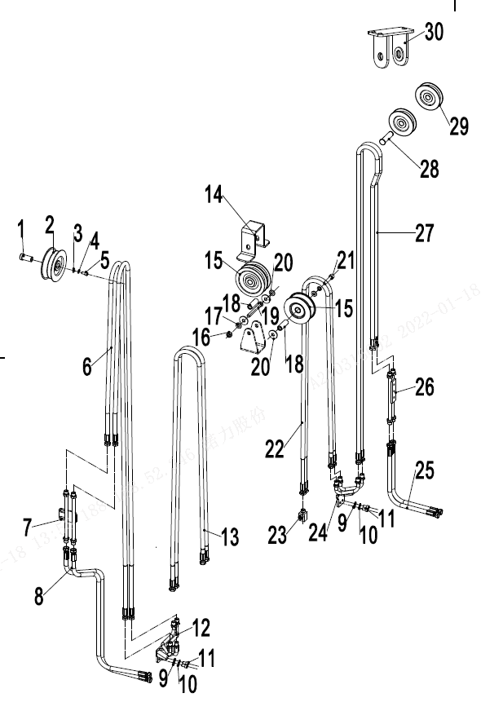
256898501051双附加管路(三级全自由)/DOUBLE ADDITIONAL TUBE(three stage full free)
 | 序号/NO | 编码/SN | 名称 | Name | 数量/QTY | 备注/Remark
 | 1 | 254130520016 | 衬套Φ20xΦ13x43 | Bush Φ20xΦ13x43 | 1
 | 2 | 255030520020 | 滑轮Φ120x42(双槽) | Pulley Φ120x42 | 1
 | 3 | 910400500008 | 弹簧垫圈GB93-12 | WasherGB93-12 | 1
 | 4 | 910400100008 | 平垫圈GB97.1-12-200HV | Washer GB97.1-12-200HV | 1
 | 5 | 910100100048 | 螺栓GB5782-M12x50-8.8 | Bolt GB5782-M12x50-8.8 | 1
 | 6 | 255023520036 | 液压管总成 (直)10-L1800-1SC-60° | Hydraulic hose assembly 10-L1800-1SC-60° | 2 | H=3600
 | 6 | 255030520001 | 液压管总成 (直)10-L2060-1SC-60° | Hydraulic hose assembly 10-L2060-1SC-60° | 2 | H=4000
 | 6 | 255030520002 | 液压管总成（直）10-L2310-1CS-60° | Hydraulic hose assembly 10-L2310-1SC-60° | 2 | H=4300
 | 6 | 255030520003 | 液压管总成（直）10-L2410-1CS-60° | Hydraulic hose assembly 10-L2410-1SC-60° | 2 | H=4500
 | 6 | 255030520004 | 液压管总成（直）10-L2610-1CS-60° | Hydraulic hose assembly 10-L2610-1SC-60° | 2 | H=4800/4700
 | 6 | 255030520005 | 液压管总成（直）10-L2900-1CS-60° | Hydraulic hose assembly 10-L2900-1SC-60° | 2 | H=5000
 | 6 | 255030520006 | 液压管总成（直）10-L3370-1CS-60° | Hydraulic hose assembly 10-L3370-1SC-60° | 2 | H=5500/5400
 | 6 | 255030520007 | 液压管总成（直）10-L3840-1CS-60° | Hydraulic hose assembly 10-L3840-1SC-60° | 2 | H=6000
 | 6 | 263030520008 | 液压管总成（直）10-L4330-1CS-60° | Hydraulic hose assembly 10-L4330-1SC-60° | 2 | H=6500
 | 7 | 255030520018 | 液压钢管焊合1 | Hydraulic steel pipe welding 1 | 1
 | 8 | 255030520017 | 液压管总成(直)10-L1450-1SC-60° | Hydraulic hose assembly 10-L1450-1SC-60° | 2
 | 9 | 910400100006 | 平垫圈GB97.1-8-200HV | Washer GB97.1-8-200HV | 5
 | 10 | 910400500006 | 弹簧垫圈GB93-8 | WasherGB93-8 | 8
 | 11 | 910100300022 | 螺栓GB5783-M8x20-8.8 | Bolt GB5783-M8x20-8.8 | 7
 | 12 | 255030520019 | 液压钢管焊合2 | Hydraulic steel pipe welding 2 | 1
 | 13 | 255023520036 | 液压管总成 (直)10-L1800-1SC-60° | Hydraulic hose assembly 10-L1800-1SC-60° | 2 | H=3600
 | 13 | 255028520016 | 液压管总成 (直)10-L1930-1SC-60° | Hydraulic hose assembly 10-L1930-1SC-60° | 2 | H=4000
 | 13 | 275323521007 | 液压管总成 (直)10-L2040-1SC-60° | Hydraulic hose assembly 10-L2040-1SC-60° | 2 | H=4350
 | 13 | 255030520711 | 液压管总成 (直)10-L2090-1SC-60° | Hydraulic hose assembly 10-L2090-1SC-60° | 2 | H=4500
 | 13 | 263030520015 | 液压管总成 (直)10-L2160-1SC-60° | Hydraulic hose assembly 10-L2160-1SC-60° | 2 | H=4800/4700
 | 13 | 255028520045 | 液压管总成 (直)10-L2300-1SC-60° | Hydraulic hose assembly 10-L2300-1SC-60° | 2 | H=5000
 | 13 | 281229020031 | 液压管总成 (直)10-L2500-1SC-60° | Hydraulic hose assembly 10-L2500-1SC-60° | 2 | H=5500/5400
 | 13 | 254131020006 | 液压管总成 (直)10-L2750-1SC-60° | Hydraulic hose assembly 10-L2750-1SC-60° | 2 | H=6000
 | 13 | 281229020023 | 液压管总成 (直)10-L2975-1SC-60° | Hydraulic hose assembly 10-L2975-1SC-60° | 2 | H=6500
 | 14 | 255028520043 | 挡板 | Chain plate | 1
 | 15 | 255030520021 | 滑轮Φ110x27(单槽) | Pulley Φ110x27 | 4
 | 16 | 910300500006 | 螺母GB889.1-M12-10 | Nut GB889.1-M12-10 | 1
 |  |  |  |  |  | €64.00

256898501051双附加管路(三级全自由)/DOUBLE ADDITIONAL TUBE(three stage full free)
 | 序号/NO | 编码/SN | 名称 | Name | 数量/QTY | 备注/Remark
 | 17 | 910400100008 | 平垫圈GB97.1-12-200HV | Washer GB97.1-12-200HV | 1
 | 18 | 255030520022 | 衬套Φ20xΦ13x56 | BushΦ20xΦ13x56 | 1
 | 19 | 910100100058 | 螺栓GB5782-M12x100-8.8 | Bolt GB5782-M12x100-8.8 | 1
 | 20 | 910400200005 | 大垫圈GB96.1-12-200HV | Washer GB96.1-12-200HV | 2
 | 21 | 910100100056 | 螺栓GB5782-M12x90-8.8 | Bolt GB5782-M12x90-8.8 | 1
 | 22 | 275230529021 | 液压管总成(直)10-L1600-1SC-60° | Hydraulic hose assembly 10-L1600-1SC-60° | 2 | H=3600
 | 22 | 255030520024 | 液压管总成(直)10-L1720-1SC-60° | Hydraulic hose assembly 10-L1720-1SC-60° | 2 | H=4000
 | 22 | 254130520005 | 液压管总成(直)10-L1890-1SC-60° | Hydraulic hose assembly 10-L1890-1SC-60° | 2 | H=4350/4500
 | 22 | 255031020705 | 液压管总成(直)10-L1980-1SC-60° | Hydraulic hose assembly 10-L1980-1SC-60° | 2 | H=4800/4700
 | 22 | 255028520044 | 液压管总成(直)10-L2150-1SC-60° | Hydraulic hose assembly 10-L2150-1SC-60° | 2 | H=5000
 | 22 | 254128520031 | 液压管总成(直)10-L2350-1SC-60° | Hydraulic hose assembly 10-L2350-1SC-60° | 2 | H=5400/5500
 | 22 | 255031020016 | 液压管总成(直)10-L2550-1SC-60° | Hydraulic hose assembly 10-L2550-1SC-60° | 2 | J=6000
 | 22 | 255031020703 | 液压管总成(直)10-L2780-1SC-60° | Hydraulic hose assembly 10-L2780-1SC-60° | 2 | H=6500
 | 23 | 255029020024 | 接头(锁定弯)8-2xM16x1.5-60° | Joint 8-2XM16x1.5-60° | 4
 | 24 | 255031020006 | 液压钢管焊合 | Hydraulic steel pipe welding | 1
 | 25 | 255031020008 | 液压管总成(135°)10-L1000-1SC-60° | Hydraulic hose assembly (135°)10-L1000-1SC-60° | 2
 | 26 | 255028510022 | 过渡钢管 | Excessive pipe welding | 1
 | 27 | 254130520007 | 液压管总成(直)10-L2140-1SC-60° | Hydraulic hose assembly 10-L2140-1SC-60° | 2 | H=3600
 | 27 | 255030520003 | 液压管总成(直)10-L2410-1SC-60° | Hydraulic hose assembly 10-L2410-1SC-60° | 2 | H=4000
 | 27 | 254128520052 | 液压管总成(直)10-L2650-1SC-60° | Hydraulic hose assembly 10-L2650-1SC-60° | 2 | H=4350
 | 27 | 254131020006 | 液压管总成(直)10-L2750-1SC-60° | Hydraulic hose assembly 10-L2750-1SC-60° | 2 | H=4500
 | 27 | 254131020007 | 液压管总成(直)10-L2950-1SC-60° | Hydraulic hose assembly 10-L2950-1SC-60° | 2 | H=4700/4800
H=50 | 27 | 254128520039 | 液压管总成(直)10-L3250-1SC-60° | Hydraulic hose assembly 10-L3250-1SC-60° | 2 | H=5000
 | 27 | 275344529012 | 液压管总成(直)10-L3350-1SC-60° | Hydraulic hose assembly 10-L3350-1SC-60° | 2 | H=5400/5500
 | 27 | 255031020017 | 液压管总成(直)10-L3720-1SC-60° | Hydraulic hose assembly 10-L3720-1SC-60° | 2 | H=6000
 | 27 | 252127521001 | 液压管总成(直)10-L4150-1SC-60° | Hydraulic hose assembly 10-L4150-1SC-60° | 1 | H=6500
 | 28 | 255031020004 | 带耳轴Φ20x70 | Axle Φ20x70 | 1
 | 29 | 255031020007 | 滑轮Φ90x22(单槽) | Pulley Φ90x22 | 2
 | 30 | 255031010001 | 滑轮支架焊合1 | Pulley support welded 1 | 1 | H>5400
 | 30 | 255031010002 | 滑轮支架焊合2 | Pulley support welded 2 | 1 | H<=5400

 |  |  |  |  |  | €65.00

256898501052门架(两级全自由门架)/MAST(two stage full free)
 | 序号/NO | 编码/SN | 名称 | Name | 数量/QTY | 备注/Remark
 | 1 | 910100300039 | 螺栓GB5783-M10x40-8.8 | Bolt GB5783-M10x40-8.8 | 4
 | 2 | 910400500007 | 弹簧垫圈GB93-10 | Washer GB93-10 | 8
 | 3 | 910400100007 | 平垫圈GB97.1-10-200HV | Washer GB97.1-10-200HV | 4
 | 4 | 255038020009 | 调整垫 | Adjustable pad | 8
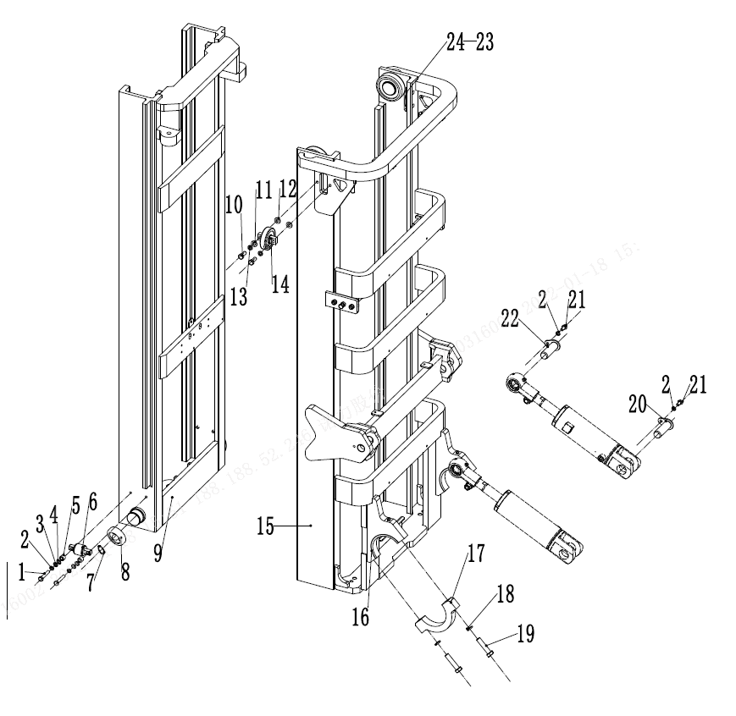
 | 5 | 255038020008 | 调整套 | Adjusting sleeve | 4
 | 6 | 940200200005 | 侧滚轮Φ42-CD=68 | Side rollerΦ42 - CD = 68 | 2
 | 7 | 910401300024 | 轴用弹性挡圈 | Elastic retaining ring for shaft | 4
 | 8 | 940200100024 | 主滚轮Φ111xΦ55x32 | RollerΦ111xΦ55x32 | 4
 | 8 | 940200100025 | 主滚轮Φ111.5xΦ55x32 | RollerΦ111.5xΦ55x32 | 4
 | 9 | 256843512001 | 内门架焊合 2000 | Inner mast(2000) | 1 | 28Q/30Q/35Q
 | 9 | 256843512002 | 内门架焊合 2500 | Inner mast 2500 | 1 | 28Q/30Q/35Q
 | 9 | 256843512003 | 内门架焊合 3000 | Inner mast 3000 | 1 | 28Q/30Q/35Q
 | 9 | 256843512004 | 内门架焊合 3300 | Inner mast 3300 | 1 | 28Q/30Q/35Q
 | 9 | 256843512005 | 内门架焊合 3500 | Inner mast 3500 | 1 | 28Q/30Q/35Q
 | 9 | 256843512006 | 内门架焊合 3600 | Inner mast 3600 | 1 | 28Q/30Q/35Q
 | 9 | 256843512007 | 内门架焊合 3700 | Inner mast 3700 | 1 | 28Q/30Q/35Q
 | 9 | 256843512008 | 内门架焊合 4000 | Inner mast 4000 | 1 | 28Q/30Q/35Q
 | 9 | 256843512009 | 内门架焊合 4300 | Inner mast 4300 | 1 | 28Q/30Q/35Q
 | 9 | 256843512010 | 内门架焊合 4500 | Inner mast 4500 | 1 | 28Q/30Q/35Q
 | 9 | 256843512011 | 内门架焊合 5000 | Inner mast 5000 | 1 | 28Q/30Q/35Q
 | 9 | 256843512012 | 内门架焊合 5500 | Inner mast 5500 | 1 | 28Q/30Q/35Q
 | 9 | 256843512013 | 内门架焊合 6000 | Inner mast 6000 | 1 | 28Q/30Q/35Q
 | 9 | 255043510027 | 内门架焊合 2000 | Inner mast(2000) | 1 | 25Q
 | 9 | 255043510028 | 内门架焊合 2500 | Inner mast 2500 | 1 | 25Q
 | 9 | 255043510029 | 内门架焊合 3000 | Inner mast 3000 | 1 | 25Q
 | 9 | 255043510030 | 内门架焊合 3300 | Inner mast 3300 | 1 | 25Q
 | 9 | 255043510031 | 内门架焊合 3500 | Inner mast 3500 | 1 | 25Q
 | 9 | 255043510032 | 内门架焊合 3600 | Inner mast 3600 | 1 | 25Q
 | 9 | 255043510033 | 内门架焊合 3700 | Inner mast 3700 | 1 | 25Q
 | 9 | 255043510034 | 内门架焊合 4000 | Inner mast 4000 | 1 | 25Q
 | 9 | 255043510035 | 内门架焊合 4300 | Inner mast 4300 | 1 | 25Q
 | 9 | 255043510036 | 内门架焊合 4500 | Inner mast 4500 | 1 | 25Q
 |  |  |  |  |  | €66.00

256898501052门架(两级全自由门架)/MAST(two stage full free)
 | 序号/NO | 编码/SN | 名称 | Name | 数量/QTY | 备注/Remark
 | 9 | 255043510037 | 内门架焊合 5000 | Inner mast 5000 | 1 | 25Q
 | 9 | 255043510038 | 内门架焊合 5500 | Inner mast 5500 | 1 | 25Q
 | 9 | 255043510039 | 内门架焊合 6000 | Inner mast 6000 | 1 | 25Q
 | 10 | 910100300050 | 螺栓GB5783-M12x30-8.8 | Bolt GB5783-M12x30-8.8 | 4
 | 11 | 910400100008 | 平垫圈GB97.1-12-200HV | Washer GB97.1-12-200HV | 4
 | 12 | 256544002001 | 垫圈Φ20xΦ13集合图 | Washer Φ20xΦ13 | 4
 | 13 | 910400500008 | 弹簧垫圈GB93-12 | Washer GB93-12 | 4
 | 14 | 940200200002 | 侧滚轮Φ87-CD=55 | Side roller Φ87-CD=55 | 2
 | 15 | 256844011001 | 外门架焊合 2000 | Outer mast 2000 | 1 | 30Q/35Q
 | 15 | 256844011002 | 外门架焊合 2500 | Outer mast 2500 | 1 | 30Q/35Q
 | 15 | 256844011003 | 外门架焊合 3000 | Outer mast 3000 | 1 | 30Q/35Q
 | 15 | 256844011004 | 外门架焊合 3300 | Outer mast 3300 | 1 | 30Q/35Q
 | 15 | 256844011005 | 外门架焊合 3500 | Outer mast 3500 | 1 | 30Q/35Q
 | 15 | 256844011006 | 外门架焊合 3600 | Outer mast 3600 | 1 | 30Q/35Q
 | 15 | 256844011007 | 外门架焊合 3700 | Outer mast 3700 | 1 | 30Q/35Q
 | 15 | 256844011008 | 外门架焊合 4000 | Outer mast 4000 | 1 | 30Q/35Q
 | 15 | 256844011009 | 外门架焊合 4300 | Outer mast 4300 | 1 | 30Q/35Q
 | 15 | 256844011010 | 外门架焊合 4500 | Outer mast 4500 | 1 | 30Q/35Q
 | 15 | 256844011011 | 外门架焊合 5000 | Outer mast 5000 | 1 | 30Q/35Q
 | 15 | 256844011012 | 外门架焊合 5500 | Outer mast 5500 | 1 | 30Q/35Q
 | 15 | 256844011013 | 外门架焊合 6000 | Outer mast 6000 | 1 | 30Q/35Q
 | 15 | 256743511001 | 外门架焊合 2000 | Outer mast 2000 | 1 | 25Q/28Q
 | 15 | 256743511002 | 外门架焊合 2500 | Outer mast 2500 | 1 | 25Q/28Q
 | 15 | 256743511003 | 外门架焊合 3000 | Outer mast 3000 | 1 | 25Q/28Q
 | 15 | 256743511004 | 外门架焊合 3300 | Outer mast 3300 | 1 | 25Q/28Q
 | 15 | 256743511005 | 外门架焊合 3500 | Outer mast 3500 | 1 | 25Q/28Q
 | 15 | 256743511006 | 外门架焊合 3600 | Outer mast 3600 | 1 | 25Q/28Q
 | 15 | 256743511007 | 外门架焊合 3700 | Outer mast 3700 | 1 | 25Q/28Q
 | 15 | 256743511008 | 外门架焊合 4000 | Outer mast 4000 | 1 | 25Q/28Q
 | 15 | 256743511009 | 外门架焊合 4300 | Outer mast 4300 | 1 | 25Q/28Q
 | 15 | 256743511010 | 外门架焊合 4500 | Outer mast 4500 | 1 | 25Q/28Q
 | 15 | 256743511011 | 外门架焊合 5000 | Outer mast 5000 | 1 | 25Q/28Q
 |  |  |  |  |  | €67.00

256898501052门架(两级全自由门架)/MAST(two stage full free)
 | 序号/NO | 编码/SN | 名称 | Name | 数量/QTY | 备注/Remark
 | 15 | 256743511012 | 外门架焊合5500 | Outer mast 5500 | 1 | 25Q/28Q
 | 15 | 256743511013 | 外门架焊合 6000 | Outer mast 6000 | 1 | 25Q/28Q
 | 16 | 254144020063 | 轴瓦 | Bearing bush | 2
 | 17 | 256844021014 | 支座盖 | Bearing cover | 2
 | 18 | 910400500010 | 弹簧垫圈GB93-16 | Washer GB93-16 | 7
 | 19 | 910100200016 | 螺栓GB5785-M16x1.5x70-8.8 | Bolt GB5785-M16x1.5x70-8.8 | 4
 | 20 | 255044010057 | 带耳轴Φ30x82 | Axle Φ30x82 | 2
 | 21 | 910100300035 | 螺栓GB5783-M10x20-8.8 | Bolt GB5783-M10x20-8.8 | 4
 | 22 | 256844501001 | 带耳轴Φ30x94 | Axle Φ30x94 | 2
 | 23 | 255044020132 | 调整垫片t=0.8 | Adjusting pad t=0.8 | 2
 | 23 | 255044020133 | 调整垫片t=0.5 | Adjusting pad t=0.5 | 2
 | 23 | 255044020134 | 调整垫片t=0.2 | Adjusting pad t=0.2 | 2
 | 24 | 255044020131 | 垫板 | Base plate | 2

256898501053货叉架(两级全自由门架)/FORK ARM CARRIER(two stage full free)
 | 序号/NO | 编码/SN | 名称 | Name | 数量/QTY | 备注/Remark
 | 1 | 253540510001 | 挡货架焊合(1100x1080) | Load backrest welding | 1 | 28Q/30Q/35Q
 | 1 | 256840511001 | 挡货架焊合1100X1200 | Load backrest welding 1100X1200 | 1
 | 1 | 255040510001 | 挡货架焊合(1040x986) | Load backrest welding 1040X986 | 1 | 25Q
 | 1 | 255040510002 | 挡货架焊合(1040X1300) | Load backrest welding 1040X1300 | 1
 | 1 | 255040510003 | 挡货架焊合(1040X1600) | Load backrest welding 1040X1600 | 1
 | 1 | 251140510001 | 挡货架焊合(1040x1635) | Load backrest welding 1040X1635 | 1
 | 1 | 252040530001 | 挡货架焊合(1200x1491) | Load backrest welding 1200X1491 | 1
 | 1 | 255040510005 | 挡货架焊合1200X986 | Load backrest welding 1200X986 | 1
 | 1 | 252140510101 | 挡货架焊合(1040×1000) | Load backrest welding 1040X1000 | 1
 | 2 | 910100300062 | 螺栓GB5783-M14x30-8.8 | Bolt GB5783-M14x30-8.8 | 4
 | 3 | 910400500009 | 弹簧垫圈GB93-14 | Washer GB93-14 | 4
 | 4 | 910400100009 | 平垫圈GB97.1-14-200HV | Washer GB97.1-14-200HV | 4
 | 5 | 256838012001 | 货叉架焊合(两级全自由门架） | Fork carrier weldind（two stage full free） | 1 | 28Q/30Q/35Q
 | 5 | 255038015001 | 货叉架焊合A(二级全自由门架) | Fork carrier weldind（two stage full free） | 1 | 25Q
 | 6 | 940200100020 | 主滚轮Φ119.2xΦ55x34 | Main roller φ119.2xφ55x34 | 6 | 选装
 | 6 | 940200100021 | 主滚轮Φ119.6xΦ55x34 | Main roller φ119.6xφ55x34 | 6
 | 6 | 940200100022 | 主滚轮Φ120xΦ55x34 | Main roller φ120xφ55x34 | 6
 | 7 | 910401300026 | 轴用弹性挡圈GB894.1-55 | Circlip GB894.1-55 | 6
 | 8 | 910100300042 | 螺栓GB5783-M10x60-8.8 | Bolt GB5783-M10x60-8.8 | 8
 | 9 | 910400500007 | 弹簧垫圈GB93-10 | Washer GB93-10 | 8
 | 10 | 940200200005 | 侧滚轮Φ42-CD=68 | Side roller Φ 42 - CD = 68 | 4
 | 11 | 255038020009 | 调整垫 | Adjustable pad | 24
 | 12 | 255038020008 | 调整套 | Adjusting sleeve | 8

 |  |  |  |  |  | €68.00

256898501054短起升油缸(两级全自由门架)/SHORT LIFTING CYLINDER (two stage full free)
 | 序号/NO | 编码/SN | 名称 | Name | 数量/QTY | 备注/Remark
 | A | 255043510068 | 油缸(M)(H=3000) | Cylinder (M)Φ85xΦ60x772(H=3000) | 1 | 包含/Inc.1-25
 |  | 255043510066 | 油缸(M)(H=2000) | Cylinder (M)Φ85xΦ60x522(H=2000) | 1
 |  | 255043510067 | 油缸(M)(H=2500) | Cylinder (M)Φ85xΦ60x647(H=2500) | 1
 |  | 255043510069 | 油缸(M)(H=3300) | Cylinder (M)Φ85xΦ60x847(H=3300) | 1
 |  | 255043510070 | 油缸(M)(H=3500) | Cylinder (M)Φ85xΦ60x897(H=3500) | 1
 |  | 255043510071 | 油缸(M)(H=3600) | Cylinder (M)Φ85xΦ60x922(H=3600) | 1
 |  | 255043510072 | 油缸(M)(H=3700) | Cylinder (M)Φ85xΦ60x947(H=3700) | 1
 |  | 255043510073 | 油缸(M)(H=4000) | Cylinder (M)Φ85xΦ60x1047(H=4000) | 1
 |  | 255043510074 | 油缸(M)(H=4300) | Cylinder (M)Φ85xΦ60x1122(H=4300) | 1
 |  | 255043510075 | 油缸(M)(H=4500) | Cylinder (M)Φ85xΦ60x1172(H=4500) | 1
 |  | 255043510076 | 油缸(M)(H=5000) | Cylinder (M)Φ85xΦ60x1297(H=5000) | 1
 |  | 255043510077 | 油缸(M)(H=5500) | Cylinder (M)Φ85xΦ60x1447(H=5500) | 1
 |  | 255043510078 | 油缸(M)(H=6000) | Cylinder (M)Φ85xΦ60x1572(H=6000) | 1
 | B | 255098510004 | 密封件修理包(二级全自由中间缸) | Seal kits (two stage full free middle cylinder) | 1 | 包含/Inc.1.3.5.6.13.18
 | C | 256843515001 | 起升链条LH1634-37 | Lifting chain LH1634-37 | 2 | H=2000
 |  | 256843515002 | 起升链条LH1634-47 | Lifting chain LH1634-47 | 2 | H=2500
 |  | 254043510054 | 起升链条LH1634-53 | Lifting chain LH1634-53 | 2 | H=3000
 |  | 256144014005 | 起升链条LH1634-59 | Lifting chain LH1634-59 | 2 | H=3300
 |  | 263043510059 | 起升链条LH1634-63 | Lifting chain LH1634-63 | 2 | H=3500
 |  | 254043510055 | 起升链条LH1634-57 | Lifting chain LH1634-57 | 2 | H=3600
 |  |  |  |  |  | H=3700
 |  | 254043510056 | 起升链条LH1634-65 | Lifting chain LH1634-65 | 2 | H=4000
 |  | 254044010055 | 起升链条LH1634-71 | Lifting chain LH1634-71 | 2 | H=4300
 |  | 254043510060 | 起升链条LH1634-75 | Lifting chain LH1634-75 | 2 | H=4500
 |  | 256144014007 | 起升链条LH1634-85 | Lifting chain LH1634-85 | 2 | H=5000
 |  | 256843515003 | 起升链条LH1634-97 | Lifting chain LH1634-97 | 2 | H=5500
 |  | 256144014009 | 起升链条LH1634-107 | Lifting chain LH1634-107 | 2 | H=6000
 | 1 | ▲ | 防尘圈 | Dust ring 60x74x8/11 | 1
 | 2 | ▲ | 挡片60×70×3 | Catch 60×70×3 | 1
 | 3 | ▲ | 轴用密封圈 | Seal ring 60×70×6 | 1
 | 4 | ▲ | 导向套 | Guide sleeve | 1
 | 5 | ▲ | O型密封圈 | O ring 84.4x3.1 | 1
 |  |  |  |  |  | €69.00

256898501054短起升油缸(两级全自由门架)/SHORT LIFTING CYLINDER (two stage full free)
 | 序号/NO | 编码/SN | 名称 | Name | 数量/QTY | 备注/Remark
 | 6 | ▲ | O型密封圈 | O ring 77.5×3.55 | 1
 | 7 | ▲ | 钢背轴承6035 | Bearing 6035 | 1
 | 8 | ▲ | 活塞杆 | Piston rod | 1
 | 9 | ▲ | 钢丝挡圈 | Circlip | 1
 | 10 | ▲ | 活塞总成 | Piston assembly | 1
 | 11 | ▲ | 支承环D85x20x2.5 | Back up ring D85x20x2.5 | 1
 | 12 | ▲ | 挡圈85x70x3 | Circlip 85x70x3 | 1
 | 13 | ▲ | 密封圈 | Seal ring 85x70x9 | 1
 | 14 | ▲ | 阀套 | Valve bushing | 1
 | 15 | ▲ | 弹簧 | Spring | 1
 | 16 | ▲ | 阀芯 | Valve plug | 1
 | 17 | ▲ | 挡片 | Catch | 1
 | 18 | ▲ | O型密封圈 | O ring D15.8x2.4 | 1
 | 19 | ▲ | 挡圈φ12 | Circlip φ12 | 1
 | 20 | ▲ | 挡圈φ22 | Circlip φ22 | 1
 | 21 | ▲ | 滑阀 | Slide valve | 1
 | 22 | ▲ | 弹簧 | Spring | 1
 | 23 | ▲ | 缸体 | Cylinder | 1
 | 24 | ▲ | 垫片 | Spacer | 1
 | 25 | ▲ | 螺钉M5x5 | Screw M5x5 | 1
 | 26 | 910100100071 | 螺栓GB5782-M16x50-8.8 | Bolt GB5782-M16x50-8.8 | 1
 | 27 | 910400500010 | 弹簧垫圈GB93-16 | Washer GB93-16 | 1
 | 28 | 255043520020 | 挡链板 | Chain plate | 1
 | 29 | 255043520006 | 缸头 | Cylinder head | 1
 | 30 | 940200500001 | 链轮轴承780708K-φ110xφ40x27 | Chain wheel bearing 780708K-φ110xφ40x27 | 1
 | 31 | 910401300020 | 轴用弹性挡圈GB894.1-40 | Circlip GB894.1-40 | 1
 | 32 | ▲ | 开口销2.5x40 | Split pin2.5x40 | 2
 | 33 | ▲ | LH1623板式链 | LH1623 chain | 2
 | 34 | ▲ | 长端接头 | Joint | 2
 | 35 | ▲ | 开口销3.2x30 | Split pin 3.2x30 | 2
 | 36 | ▲ | 球面螺母M18x1.5 | Nut M18x1.5 | 2
 | 37 | ▲ | 螺母M18x1.5 | Nut M18x1.5 | 2
 |  |  |  |  |  | €70.00

256898501054短起升油缸(两级全自由门架)/SHORT LIFTING CYLINDER (two stage full free)
 | 序号/NO | 编码/SN | 名称 | Name | 数量/QTY | 备注/Remark
 | 38 | 910400500009 | 弹簧垫圈GB93-14 | Washer GB93-14 | 2
 | 39 | 910100400022 | 螺栓GB5786-M14x1.5x40-8.8 | Bolt GB5786-M14x1.5x40-8.8 | 2
 | 40 | ▲ | 短端接头 | Joint | 2
 | 41 | 910400500008 | 弹簧垫圈GB93-12 | SpringWasherGB93-12 | 1
 | 42 | 910100400009 | 螺栓GB5786-M12x1.25x25-8.8 | BoltGB5786-M12x1.25x25-8.8 | 1
 | C | 255043510090 | 起升链条LH1623-37 | Lifting chain LH1623-37 | 2 | H=2000 25Q
 |  | 255044510044 | 起升链条LH1623-47 | Lifting chain LH1623-47 | 2 | H=2500 25Q
 |  | 255044010060 | 起升链条LH1623-55 | Lifting chain LH1623-55 | 2 | H=3000 25Q
 |  | 255044510135 | 起升链条LH1623-61 | Lifting chain LH1623-61 | 2 | H=3300 25Q
 |  | 256844014002 | 起升链条LH1623-65 | Lifting chain LH1623-65 | 2 | H=3500 25Q
 |  | 255044510135 | 起升链条LH1623-61 | Lifting chain LH1623-61 | 2 | H=3600 25Q
 |  | 255044510133 | 起升链条LH1623-59 | Lifting chain LH1623-59 |  | H=3700 25Q
 |  | 255044010103 | 起升链条LH1623-67 | Lifting chain LH1623-67 | 2 | H=4000 25Q
 |  | 255044510136 | 起升链条LH1623-71 | Lifting chain LH1623-71 | 2 | H=4300 25Q
 |  | 255044010101 | 起升链条LH1623-77 | Lifting chain LH1623-77 | 2 | H=4500 25Q
 |  | 255044010105 | 起升链条LH1623-87 | Lifting chain LH1623-87 | 2 | H=5000 25Q
 |  | 255044010108 | 起升链条LH1623-99 | Lifting chain LH1623-99 | 2 | H=5500 25Q
 |  | 255044010068 | 起升链条LH1634-109 | Lifting chain LH1634-109 | 2 | H=6000 25Q

 |  |  |  |  |  | €71.00

256898501055起升油缸(两级全自由门架)/LIFTING CYLINDER (two stage full free)
 | 序号/NO | 编码/SN | 名称 | Name | 数量/QTY | 备注/Remark
 | A | 255043510040 | 油缸(L)(H=2000) | Cylinder (L)Φ50xΦ40x940(H=2000) | 1 | 包含/Inc.1-21
 |  | 255043510041 | 油缸(L)(H=2500) | Cylinder (L)Φ50xΦ40x1190(H=2500) | 1
 |  | 255043510042 | 油缸(L)(H=3000) | Cylinder (L)Φ50xΦ40x1440(H=3000) | 1
 |  | 255043510043 | 油缸(L)(H=3300) | Cylinder (L)Φ50xΦ40x1590(H=3300) | 1
 |  | 255043510044 | 油缸(L)(H=3500) | Cylinder (L)Φ50xΦ40x1690(H=3500) | 1
 |  | 255043510045 | 油缸(L)(H=3600) | Cylinder (L)Φ50xΦ40x1740(H=3600) | 1
 |  | 255043510046 | 油缸(L)(H=3700) | Cylinder (L)Φ50xΦ40x1790(H=3700) | 1
 |  | 255043510047 | 油缸(L)(H=4000) | Cylinder (L)Φ50xΦ40x1890(H=4000) | 1
 |  | 255043510048 | 油缸(L)(H=4300) | Cylinder (L)Φ50xΦ40x2040(H=4300) | 1
 |  | 255043510049 | 油缸(L)(H=4500) | Cylinder (L)Φ50xΦ40x2140(H=4500) | 1
 |  | 255043510050 | 油缸(L)(H=5000) | Cylinder (L)Φ50xΦ40x2390(H=5000) | 1
 |  | 255043510051 | 油缸(L)(H=5500) | Cylinder (L)Φ50xΦ40x2590(H=5500) | 1
 |  | 255043510052 | 油缸(L)(H=6000) | Cylinder (L)Φ50xΦ40x2840(H=6000) | 1
 | B | 255043510053 | 油缸(R)(H=2000) | Cylinder (R)Φ50xΦ40x940(H=2000) | 1 | 包括/Inc.4-21.24
...
 |  |  |  |  |  | €73.00

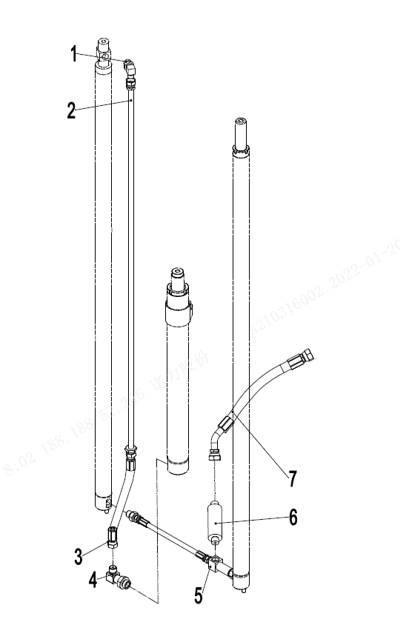
256898501056起升管路(两级全自由门架)/LIFTING CYLINDER (two stage full free)
 | 序号/NO | 编码/SN | 名称 | Name | 数量/QTY | 备注/Remark
 | 1 | 255043529001 | 接头(锁定弯)12-2xM22x1.5-60° | Joint 12-2xM22x1.5-60° | 1
 | 2 | 255043520009 | 液压钢管焊合L=760 | Rise steel pipe L=760 | 1 | H=2000
 | 2 | 255043520010 | 液压钢管焊合L=1010 | Rise steel pipe L=1010 | 1 | H=2500
 | 2 | 255043520011 | 液压钢管焊合L=1300 | Rise steel pipe L=1300 | 1 | H=3000
 | 2 | 255043520012 | 液压钢管焊合L=1460 | Hydraulic pipe L=1460 | 1 | H=3300
 | 2 | 255043520013 | 液压钢管焊合L=1610 | Hydraulic pipe L=1610 | 1 | H=3500/3600/3700
 | 2 | 255043520014 | 液压钢管焊合L=1850 | Hydraulic pipe L=1850 | 1 | H=4000
 | 2 | 255043520015 | 液压钢管焊合L=2010 | Hydraulic pipe L=2010 | 1 | H=4300
 | 2 | 255043520016 | 液压钢管焊合L=2110 | Hydraulic pipe L=2110 | 1 | H=4500
 | 2 | 255043520017 | 液压钢管焊合L=2360 | Hydraulic pipe L=2360 | 1 | H=5000
 | 2 | 255043520018 | 液压钢管焊合L=2710 | Hydraulic pipe L=2710 | 1 | H=5500
 | 2 | 255043520019 | 液压钢管焊合L=2960 | Hydraulic pipe L=2960 | 1 | H-6000
 | 3 | 255044020119 | 液压管总成(直)15-L395-2SC-60° | Hydraulic hose assembly 15-L395-2SC-60° | 1
 | 4 | 255043520022 | 接头(锁定弯)2-M27x2-M22x1.5 | Joint 2-M27x2-M22x1.5 | 1
 | 5 | 255044010040 | 接头(三通) | Joint | 1
 | 6 | 950700300002 | 限速阀XSF-F16L-48 | Speed limit valveXSF-F16L-48 | 1
 | 7 | 252144029001 | 液压管总成(135°)15-L850-2SC-60° | Hydraulic hose assembly (135°)15-L850-2SC-60° | 1
 | 8 | 255044020150 | 液压管总成(直)15-L360-2SC-60° | Hydraulic hose assembly 15-L360-2SC-60° | 1

 |  |  |  |  |  | €74.00

256898501057单附加管路(两级全自由门架)/pipeline installation (two stage full free)
 | 序号/NO | 编码/SN | 名称 | Name | 数量/QTY | 备注/Remark
 | 1 | 910400100006 | 平垫圈GB97.1-8-200HV | Washer GB97.1-8-200HV | 11
 | 2 | 910400500006 | 弹簧垫圈GB93-8 | Washer GB93-8 | 11
 | 3 | 910200200057 | 螺钉GB70.1-M8x20-8.8 | Screw GB70.1-M8x20-8.8 | 7
 | 4 | 255028510001 | 外导槽焊合L=670 | Groove welding L=670 | 1 | H=2000
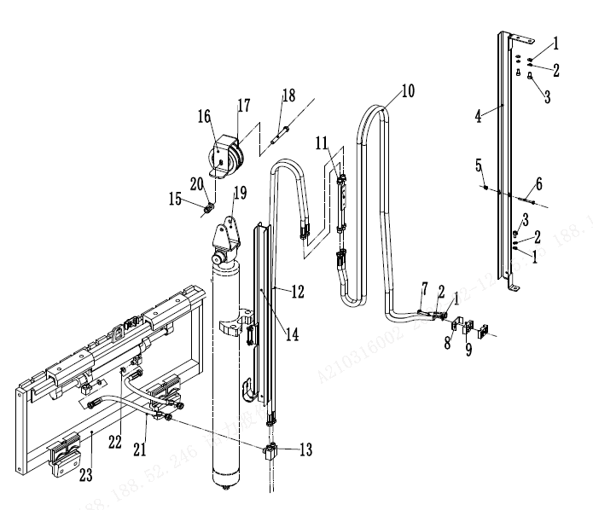
 | 4 | 255028510002 | 外导槽焊合L=840 | Groove welding L=840 | 1 | H=2500
 | 4 | 255028510003 | 外导槽焊合L=1090 | Groove welding L=1090 | 1 | H=3000
 | 4 | 255028510004 | 外导槽焊合L=1240 | Groove welding L=1240 | 1 | H=3300/3500
 | 4 | 255028510005 | 外导槽焊合L=1390 | Groove welding L=1390 | 1 | H=3600/3700
 | 4 | 255028510006 | 外导槽焊合L=1640 | Groove welding L=1640 | 1 | H=4000
 | 5 | 910300500003 | 螺母GB889.1-M6-10 | Nut GB889.1-M6-10 | 2
 | 6 | 910200200046 | 螺钉GB70.1-M6x60-8.8 | Screw GB70.1-M6x60-8.8 | 2
 | 7 | 910100300025 | 螺栓GB5783-M8x35-8.8 | Bolt GB5783-M8x35-8.8 | 4
 | 8 | 255028520035 | 安装板(管夹) | Pipe press fixedly piank | 1
 | 9 | 255028520034 | 胶管固定块 | Hose fixing bloke | 2
 | 10 | 252030520016 | 液压管总成(直)10-L2220-1SC-60° | Hydraulic hose assembly 10-L2220-1SC-60° | 2 | H=2000
 | 10 | 254130520009 | 液压管总成(直)10-L2470-1SC-60° | Hydraulic hose assembly 10-L2470-1SC-60° | 2 | H=2500
 | 10 | 263028520010 | 液压管总成(直)10-L2940-1SC-60° | Hydraulic hose assembly 10-L2940-1SC-60° | 2 | H=3000
 | 10 | 255031020013 | 液压管总成(直)10-L3180-1SC-60° | Hydraulic hose assembly 10-L3180-1SC-60° | 2 | H=3300/3500
 | 10 | 254128520039 | 液压管总成(直)10-L3250-1SC-60° | Hydraulic hose assembly 10-L3250-1SC-60° | 2 | H=3600/3700
 | 10 | 255028520059 | 液压管总成(直)10-L3600-1SC-60° | Hydraulic hose assembly 10-L3600-1SC-60° | 2 | H=4000
 | 11 | 255028510022 | 过渡钢管 | Transition steel pipe | 1
 | 12 | 255028520008 | 液压管总成(直)10-L1030-1SC-60° | Hydraulic hose assembly10-L1030-1SC-60° | 2 | H=2000
 | 12 | 255028520009 | 液压管总成(直)10-L1280-1SC-60° | Hydraulic hose assembly10-L1280-1SC-60° | 2 | H=2500
 | 12 | 255028520010 | 液压管总成(直)10-L1470-1SC-60° | Hydraulic hose assembly10-L1470-1SC-60° | 2 | H=3000
 | 12 | 255028520011 | 液压管总成(直)10-L1620-1SC-60° | Hydraulic hose assembly10-L1620-1SC-60° | 2 | H=3300
 | 12 | 255028520012 | 液压管总成(直)10-L1730-1SC-60° | Hydraulic hose assembly10-L1730-1SC-60° | 2 | H=3500
 | 12 | 255028520013 | 液压管总成(直)10-L1550-1SC-60° | Hydraulic hose assembly10-L1550-1SC-60° | 2 | H=3600/3700
 | 12 | 255028520015 | 液压管总成(直)10-L1770-1SC-60° | Hydraulic hose assembly10-L1770-1SC-60° | 2 | H=4000
 | 13 | 255029020024 | 接头(锁定弯)8-2xM16x1.5-60° | Joint 8-2XM16x1.5-60° | 2
 | 14 | 255028510011 | 内导槽焊合L=545 | Groove welding L=545 | 1 | H=2000
 | 14 | 255028510012 | 内导槽焊合L=670 | Groove welding L=670 | 1 | H=2500
 | 14 | 255028510013 | 内导槽焊合L=795 | Groove welding L=795 | 1 | H=3000
 |  |  |  |  |  | €75.00
...
256898501058双附加管路(两级全自由门架)/pipeline installation (two stage full free)
 | 17 | 255029010010 | 内导槽焊合L=795 | Groove welding L=795 | 1 | H=3000
 | 17 | 255029010011 | 内导槽焊合L=870 | Groove welding L=870 | 1 | H=3300
 | 17 | 255029010014 | 内导槽焊合L=920 | Groove welding L=920 | 1 | H=3500
 | 17 | 255029010012 | 内导槽焊合L=960 | Groove welding L=960 | 1 | H=3600
 |  |  |  |  |  | €77.00

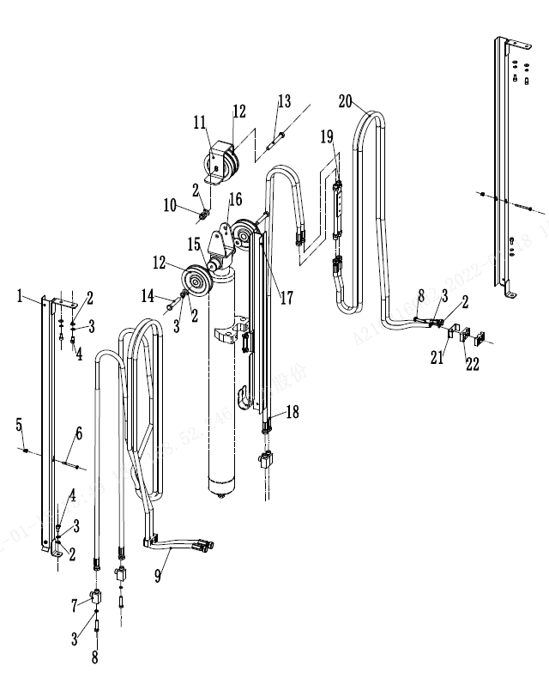
256898501058附加管路(两级全自由门架)/pipeline installation (two stage full free)
 | 序号/NO | 编码/SN | 名称 | Name | 数量/QTY | 备注/Remark
 | 17 | 255029010015 | 内导槽焊合L=970 | Groove welding L=970 |  | H=3700
 | 17 | 255029010013 | 内导槽焊合L=1070 | Groove welding L=1070 |  | H=4000
 | 18 | 255029020009 | 液压管总成 (直) 10-L820-1SC-60° | Hydraulic hose assembly 10-L820-1SC-60° | 2 | H=2000
 | 18 | 255029020010 | 液压管总成（直) 10--L1070-1SC-60° | Hydraulic hose assembly 10-L1070-1SC-60° | 2 | H=2500
 | 18 | 255029020011 | 液压管总成（直）10--L1260-1SC-60° | Hydraulic hose assembly 10-L1260-1SC-60° | 2 | H=3000
 | 18 | 255029020012 | 液压管总成（直）10--L1410-1SC-60° | Hydraulic hose assembly 10-L1410-1SC-60° | 2 | H=3300
 | 18 | 255029020013 | 液压管总成（直）10--L1510-1SC-60° | Hydraulic hose assembly 10-L1510-1SC-60° | 2 | H=3500
 | 18 | 255029020014 | 液压管总成（直）10--L1340-1SC-60° | Hydraulic hose assembly 10-L1340-1SC-60° | 2 | H=3600/3700
 | 18 | 255029020015 | 液压管总成（直）10--L1560-1SC-60° | Hydraulic hose assembly 10-L1560-1SC-60° | 2 | H=4000
 | 19 | 255028510022 | 过渡钢管 | Transition steel pipe | 1
 | 20 | 252030520016 | 液压管总成(直)10-L2220-1SC-60° | Hydraulic hose assembly 10-L2220-1SC-60° | 2 | H=2000
 | 20 | 254130520009 | 液压管总成(直)10-L2470-1SC-60° | Hydraulic hose assembly 10-L2470-1SC-60° | 2 | H=2500
 | 20 | 263028520010 | 液压管总成(直)10-L2940-1SC-60° | Hydraulic hose assembly 10-L2940-1SC-60° | 2 | H=3000
 | 20 | 255031020013 | 液压管总成(直)10-L3180-1SC-60° | Hydraulic hose assembly 10-L3180-1SC-60° | 2 | H=3300/3500
 | 20 | 254128520039 | 液压管总成(直)10-L3250-1SC-60° | Hydraulic hose assembly 10-L3250-1SC-60° | 2 | H=3600/3700
 | 20 | 255028520059 | 液压管总成(直)10-L3600-1SC-60° | Hydraulic hose assembly 10-L3600-1SC-60° | 2 | H=4000
 | 21 | 255028520035 | 安装板(管夹) | Pipe press fixedly piank | 2
 | 22 | 255028520034 | 胶管固定块 | Hose fixing bloke | 4

 |  |  |  |  |  | €78.00

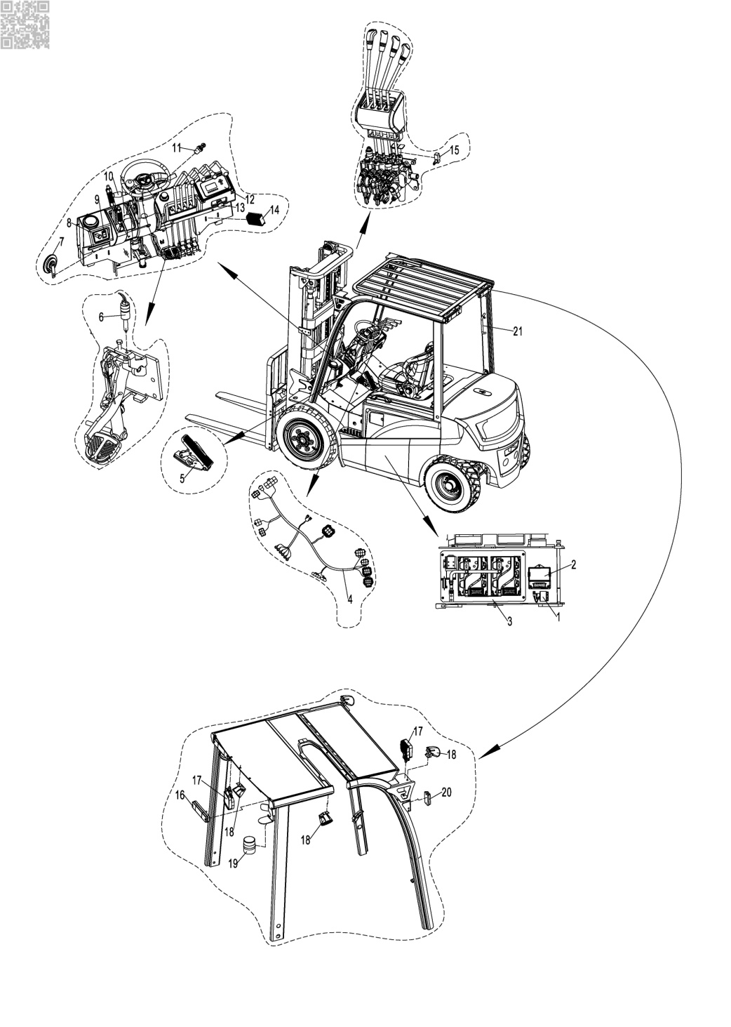
256898501031电器系统/ELECTRONIC
 | 序号/NO | 编码/SN | Name | 名称 | 数量/QTY | 备注/Remark
 | 1 | 920500100002 | Buzzer(DJB-24B) | 喇叭蜂鸣器DJB-24B | 1
 | 2 | 251233020001 | Integrated electrical box | 集成电器盒 | 1
 | 3 | 256733010101 | Controller Assembly(ACM-4P25Q) | 电控组件(ACM系统-4P25Q) | 1 | ACM系统(25Q)
 |  | 256733010102 | Controller Assembly(Curtis-4P25Q) | 电控组件(Curtis系统-4P25Q) | 1 | Curtis系统(25Q)
 |  | 256833010101 | Controller Assembly(ACM-4P30Q) | 电控组件(ACM系统-4P30Q) | 1 | ACM系统(30Q)
 |  | 256833010102 | Controller Assembly(Curtis-4P30Q) | 电控组件(Curtis系统-4P30Q) | 1 | Curtis系统(30Q)
 |  | 256933010021 | Controller Assembly(Inmotion-4P30Q) | 电控组件(Inmotion-4P30Q) | 1 | Inmotion系统
 |  | 256833010105 | Controller Assembly(ACM系统-4P30Q-FS) | 电控组件(ACM系统-4P30Q-FS) | 1 | ACM系统
 |  | 256833010012 | Controller Assembly(Curtis-F系列) | 电控组件(Curtis-F系列) | 1 | Curtis-F系列
 | 4 | 256833010013 | Wire Harness(Curtis-F) | 车身线束(Curtis-F系列) | 1 | Curtis-F系列
 |  | 256933010001 | Wire Harness(ACM-4P30Q) | 车身线束(ACM系统-4P30Q-新车架) | 1 | ACM系统
 |  | 256833010001 | Wire Harness(ACM-4P30Q) | 车身线束(ACM系统-4P30Q-旧车架) | 1 | ACM系统
 |  | 256833010010 | Wire Harness(Curtis-4P30Q) | 车身线束(Curtis系统-4P30Q) | 1 | Curtis系统
 |  | 256933010020 | Wire Harness(Inmotion-4P30Q) | 车身线束(Inmotion-4P30Q) | 1 | Inmotion系统
 | 5 | 921700100026 | Accelerator(JCTA-1801E) | 加速器JCTA-1801E | 1 | ACM系统
 |  | 921700100015 | Accelerator(JCTH2-5L) | 加速器JCTH2-5L | 1 | Inmotion系统
 |  | 921700100005 | Accelerator(FZ3-132-133) | 加速器FZ3-132-133 | 1 | Curtis系统
 | 6 | 920201000002 | Pedal Switch(JK231) | 脚踏开关JK231 | 1
 | 7 | 920500100001 | Horn(125-DC24V) | 喇叭125-DC24V | 1
 | 8 | 921900100004 | USB | 转换器DC24V转5V | 1 | Opiton
 | 9 | 920200800020 | Warp Switch(YB-nuoli-003) | 翘板开关YB-nuoli-003 | 1
 | 10 | 920200800013 | Combination Switch | 组合开关 | 1
 | 11 | 920200200030 | KEY | 钥匙开关(一档双路) | 1
 | 12 | 921100100108 | Display(D28C-CC-K) | 仪表D28C-CC-K | 1 | ACM系统(25/3Q)
 |  | 921100100063 | Display(3401T-12-96V) | 仪表3401T-12-96V | 1 | Curtis系统
 |  | 921100100039 | Display(IDD-E-35CD17B) | 仪表IDD-E-35CD17B | 1 | Inmotion系统
 | 13 | 920200100020 | Emergency StopSwitch(LAY39-01MJ-RC) | 急停开关LAY39-01MJ-RC | 1
 | 14 | 921900100017 | DC-DC80V/24V | 转换器WDC300NI | 1
 | 15 | 920200300004 | Micro Switch(RZ-15GQ22-B3) | 微动开关RZ-15GQ22-B3 | 4
 | 16 | 922000100053 | Grouped Lamps FLDJ-SSWD-003 | 灯FLDJ-SSWD-003 | 2
 | 17 | 922000100048 | Head Lamp FLDD-4Z-002 | 灯FLDD-4Z-002 | 3
 | 18 | 922000100049 | Blue Lamp FLDJ-B2Z-001 | 灯FLDJ-B2Z-001 | 2 | 点状
 |  |  |  |  |  | €79.00

256898501031电器系统/ELECTRONIC
 | 序号/NO | 编码/SN | Name | 名称 | 数量/QTY | 备注/Remark
 | 18 | 922000100054 | Blue Lamp FLDJ-HGD-YZ | 灯FLDJ-HGD-YZ |  | 一字
 |  | 922000100057 | Blue Lamp FLDD-LGD-YZ | 灯FLDD-LGD-YZ |  | 一字
 |  | 922000100061 | Blue Lamp FLDJ-HGD-UX | 灯FLDJ-HGD-UX |  | U型
 |  | 922000100062 | Blue Lamp FLDJ-LGD-UX | 灯FLDJ-LGD-UX |  | U型
...
4
...
256898501031电控组件/ELECTRONIC COMPONENTS—Inmotion系统
 | 序号/NO | 编码/SN | Name | 名称 | 数量/QTY | 备注/Remark
 | 1 | 255098533001 | Precharge resistance(50W/100Ω) | 预充电电阻50W/100Ω | 1
 | 2 | 920700100006 | Contactor(DC80V-SW200-583) | 接触器DC80V-SW200-583 | 1
 | 3 | 921400100073 | ControllerACS80M-330C-23P | 控制器ACS80M-330C-23P | 1 | 泵(Inmotion)
 | 4 | 921400100072 | ControllerACS80M-330C-35P | 控制器ACS80M-330C-35P | 1 | 牵引(Inmotion)

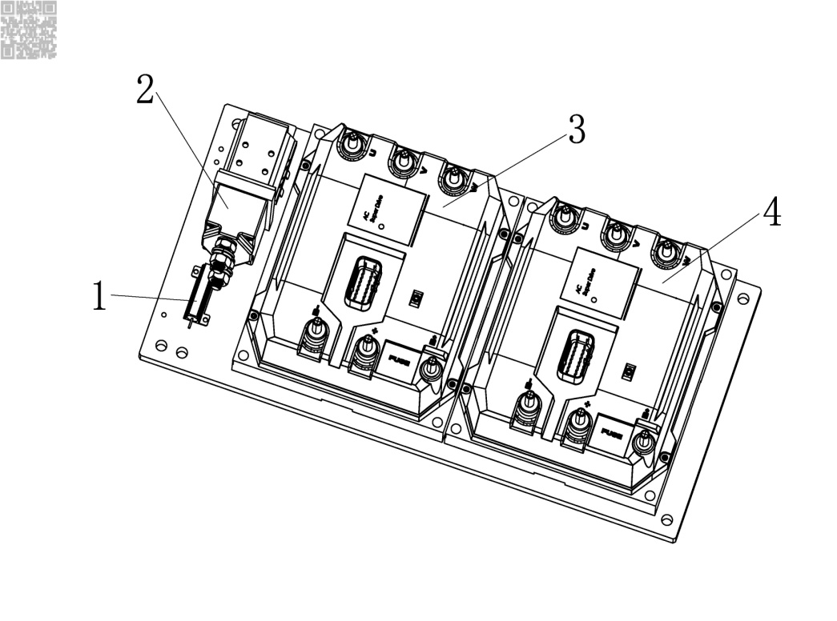

 |  |  |  |  |  | 82

256833010012电控组件/ELECTRONIC COMPONENTS—Curtis-F系统
 | 序号/NO | 编码/SN | Name | 名称 | 数量/QTY | 备注/Remark
 | 1 | 920700100006 | Contactor(DC80V-SW200-583) | 接触器DC80V-SW200-583 | 1
 | 2 | 921400100177 | ControllerAC-F6-A-80-450-101 | 控制器AC-F6-A-80-450-101 | 1 | 泵(Curtis-F)
 | 3 | 921400100177 | ControllerAC-F6-A-80-450-101 | 控制器AC-F6-A-80-450-101 | 1 | 牵引(Curtis-F)
1
 | 4 | 920100100014 | Fuse 500A(ceramic) | 保险丝500A(陶瓷) | 1
2
3
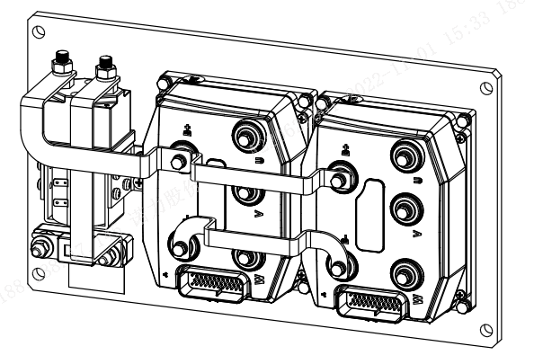

4

 |  |  |  |  |  | 83
...
4
...
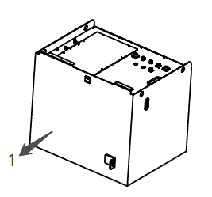
256898501034蓄电池/BATTERY
 | 序号/NO | 编码/SN | Name | 名称
 | 1 | 256737010002 | Lithium battery LFP80B-200R-GF | 锂电池LFP80B-200R-GF | 1 | 200Ah【3年】
 | 1 | 256737010003 | Lithium battery LFP80B-200R-GF1 | 锂电池LFP80B-200R-GF1 | 1 | 200Ah【5年】
 | 1 | 256737010004 | Lithium battery LFP80A-300R-GF | 锂电池LFP80A-300R-GF | 1 | 300Ah【3年】
 | 1 | 256737010005 | Lithium battery LFP80A-300R-GF1 | 锂电池LFP80A-300R-GF1 | 1 | 300Ah【5年】
 | 1 | 256737010007 | Lithium battery LFP80B-400R-GF1 | 锂电池LFP80B-400R-GF1 | 1 | 400Ah【5年】
 | 1 | 256737010015 | Lithium battery LFP80A-554R-GF1 | 锂电池LFP80A-554R-GF1 | 1 | 554Ah【5年】
 | 1 | 256737010008 | Lithium battery LFP80B-200R-H-GF1 | 锂电池LFP80B-200R-H-GF1 | 1 | 200Ah【带加热】
 | 1 | 256737010009 | Lithium battery LFP80A-300R-H-GF1 | 锂电池LFP80A-300R-H-GF1 | 1 | 300Ah【带加热】
 | 1 | 256737010010 | Lithium battery LFP80B-400R-H-GF1 | 锂电池LFP80B-400R-H-GF1 | 1 | 400Ah【带加热】
 | 2 | 256737013101 | Lithium battery LFP80B-200R-GF2 | 锂电池LFP80B-200R-GF2 | 1 | 200Ah【国际版】
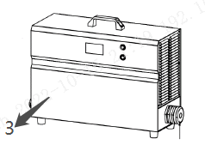
 | 2 | 256737013102 | Lithium battery LFP80A-300R-GF2 | 锂电池LFP80A-300R-GF2 | 1 | 300Ah【国际版】
 | 2 | 256737013103 | Lithium battery LFP80B-400R-GF2 | 锂电池LFP80B-400R-GF2 | 1 | 400Ah【国际版】
 | 2 | 256737013104 | Lithium battery LFP80A-554R-GF2 | 锂电池LFP80A-554R-GF2 | 1 | 554Ah【国际版】
 | 2 | 256737013105 | Lithium battery LFP80B-200R-H-GF2 | 锂电池LFP80B-200R-H-GF2 | 1 | 200Ah【加热国际版】
 | 2 | 256737013106 | Lithium battery LFP80A-300R-H-GF2 | 锂电池LFP80A-300R-H-GF2 | 1 | 300Ah【加热国际版】
 | 2 | 256737013107 | Lithium battery LFP80B-400R-H-GF2 | 锂电池LFP80B-400R-H-GF2 | 1 | 400Ah【加热国际版】
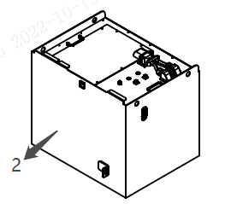
 | 2 | 256737013108 | Lithium battery LFP80A-554R-H-GF2 | 锂电池LFP80A-554R-H-GF2 | 1 | 554Ah【加热国际版】
 | 2 | 256737013109 | Lithium battery LFP80B-200AS-GF2 | 锂电池LFP80B-200AS-GF2 | 1 | 200Ah【安德森】
 | 2 | 256737013110 | Lithium battery LFP80A-300AS-GF2 | 锂电池LFP80A-300AS-GF2 | 1 | 300Ah【安德森】
 | 2 | 256737013111 | Lithium battery LFP80B-400AS-GF2 | 锂电池LFP80B-400AS-GF2 | 1 | 400Ah【安德森】
 | 2 | 256737013112 | Lithium battery LFP80A-554AS-GF2 | 锂电池LFP80A-554AS-GF2 | 1 | 554Ah【安德森】
 | 2 | 256737013113 | Lithium battery LFP80B-200AS-H-GF2 | 锂电池LFP80B-200AS-H-GF2 | 1 | 200Ah【加热安德森】
 | 2 | 256737013114 | Lithium battery LFP80A-300AS-H-GF2 | 锂电池LFP80A-300AS-H-GF2 | 1 | 300Ah【加热安德森】
 | 2 | 256737013115 | Lithium battery LFP80B-400AS-H-GF2 | 锂电池LFP80B-400AS-H-GF2 | 1 | 400Ah【加热安德森】
 | 2 | 256737013116 | Lithium battery LFP80A-554AS-H-GF2 | 锂电池LFP80A-554AS-H-GF2 | 1 | 554Ah【加热安德森】
 | 3 | 256836513001 | Li Charger HW80V65A( three phase 380V) | 锂电充电器HW80V65A(三相380V) | 1 | 配200Ah
 | 3 | 256836513002 | Li Charger HW80V100A( three phase 380V) | 锂电充电器HW80V100A(国内三相380V) | 1 | 配200/300Ah
 | 3 | 256836513003 | Li Charger HW80V150A( three phase 380V) | 锂电充电器HW80V150A(国内三相380V) | 1 | 配300/400Ah
 | 3 | 256836513004 | Li Charger HW80V200A( three phase 380V) | 锂电充电器HW80V200A(国内三相380V) | 1 | 配400/554Ah
 | 3 | 256736512004 | Li Charger ADY80V35A(110V+American) | 锂电充电器ADY80V35A(110V+美式) | 1
 | 3 | 256736512005 | Li Charger ADY80V35A(220V+CN) | 锂电充电器ADY80V35A(220V+国标)
 | 3 | 256736512007 | Li Charger ADY80V35A(230V+EUR) | 锂电充电器ADY80V35A(230V+欧式)
 | 3 | 256736512008 | Li Charger ADY80V35A(230V+ENG) | 锂电充电器ADY80V35A(230V+英式)
...
256898501034蓄电池/BATTERY
 | 序号/NO | 编码/SN | Name | 名称
 | 3 | 256736512009 | Li Charger ADY80V35A(240V+AUS) | 锂电充电器ADY80V35A(240V+澳式)
...
 |  |  |  |  |  | €86.00

256898501034蓄电池/BATTERY
 | 序号/NO | 编码/SN | Name | 名称 | 数量/QTY | 备注/Remark
 | 1 | ▲ | Lithium battery module | 电芯模组（常规款） | N
 | 2 | ▲ | Lithium battery module(heating) | 电芯模组（加热款） | N
 | 3 | 921200100036 | BMS(24 string domestic version) | BMS模块(24串一体机国内版) | 1
 |  | 921200100037 | BMS(24 string international edition) | BMS模块(24串一体机国际版) | 1
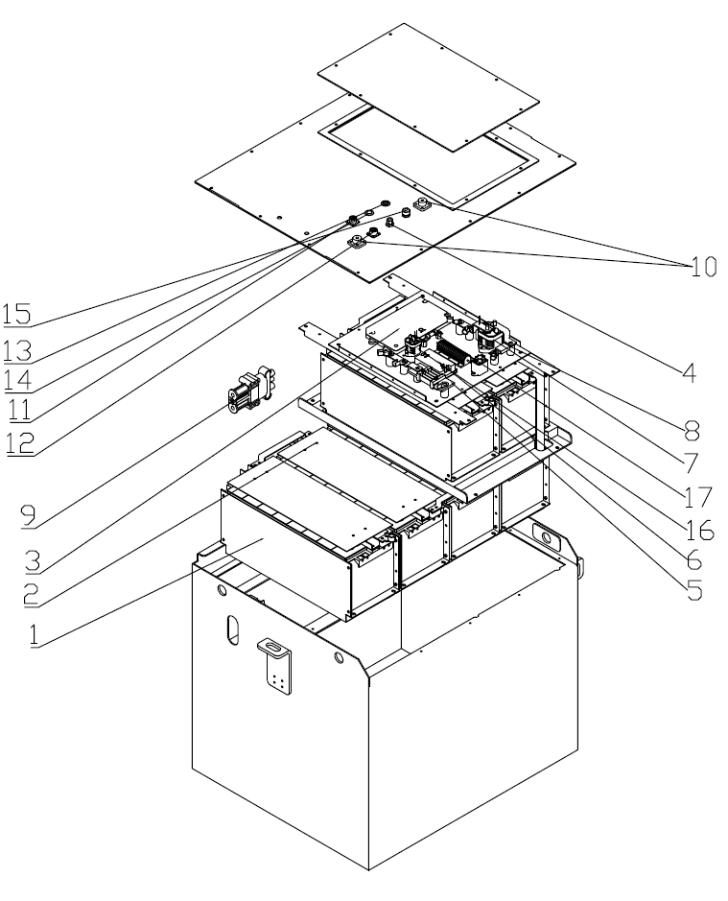
 |  | 921200100038 | BMS(36string domestic version) |  | 1
 |  | 921200100039
 | 6 | 252198537024 | Antenna | 天线 | 1
 | 7 | 252198537025 | Current divider | 分流器 | 1
 | 8 | 256798537003 | DC-DC | DCDC电源 | 1
 | 9 | 252198537041 | Cocontactor(discharge/recharge) | 继电器 | 2
 | 10 | 252198537028 | Fuse | 熔断器 | 1
 | 11 | 256898537001 | Recharge socket | REMA充电插件总成（4PXQ） | 1
 | 12 | 256798537004 | The positive connection | 正极接线柱 | 1
 | 13 | 256798537005 | The cathode connection | 负极接线柱 | 1
 | 14 | 252198537033 | 5 core socket | 航空头5芯座 | 1
 | 15 | 252198537032 | 7 core socket | 航空头7芯座 | 1
 | 16 | 252198537030 | Buzzer | 蜂鸣器 | 1
 | 17 | 252198537031 | LED Lamp | LED金属指示灯 | 1
 | 18 | 251298537008 | Cocontactor(heating) | 继电器 | 1
 | 19 | 252198537074 | Fuse(heating) | 熔断器 | 1

 |  |  |  |  |  | €87.00

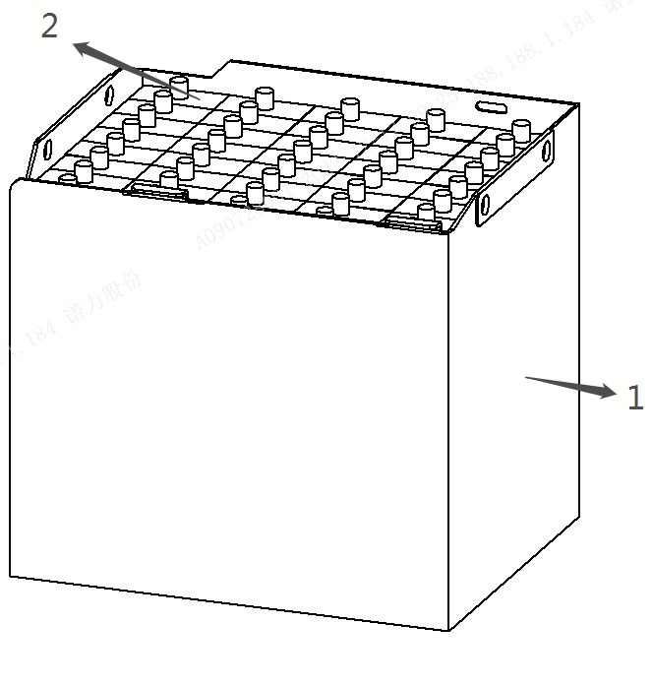
256898501035蓄电池/BATTERY
 | 序号/NO | 编码/SN | Name | 名称 | 数量/QTY | 备注/Remark
 | 1 | 256737014001 | Lead acid battery(Huoju) | 牵引电池80V-4DB400H(火炬) | 1 | 火炬电池
 | 1 | 256737014002 | Lead acid battery(Jinkuaile) | 牵引电池80V-4VBS400(金快乐) | 1 | 金快乐电池
 | 2 | 256798537048 | Battery cell(Huoju) | 单体4DB400H | 40 | 火炬电池
 | 2 | 256798537049 | Battery cell(Jinkuaile) | 单体4VBS400 | 40 | 金快乐电池
 | 3 | 921000200568 | Lead acid Charger SN80V65A(220V+AMERICA) | 充电器SN80V65A(美式三相220V) | 1
 | 3 | 921000200171 | Lead acid Charger SN80V65A(CHINESE) | 充电器SN80V65A(亚中) | 1
 | 3 | 921000200172 | Lead acid Charger SN80V65A(Britain) | 充电器SN80V65A(亚英) | 1
 | 3 | 921000200175 | Lead acid Charger SN80V65A(AUS) | 充电器SN80V65A(澳) | 1
 | 3 | 921000200176 | Lead acid Charger SN80V65A(480V+AMERICA) | 充电器SN80V65A(美式三相480V) | 1
 | 3 | 921000200277 | Lead acid Charger SN80V70A(CHINESE) | 充电器DF80V70A(亚中) | 1
 | 4 | 256798537050 | Battery Cable Assembly (REMA320 Female) | 蓄电池连接线总成(REMA320母头) | 1 | 电池端接插件
 | 5 | 256733010105 | 30Q Power Cable Assembly (REMA320 Male head) | 30Q电源连接线总成(REMA320公头) | 1 | 车辆段接插件

